ZNF587 _multivariate
Reported by Tex Li-Hsing Chi. tex@gate.sinica.edu.tw 2019-08-14

Table 2. The clinicopathological features of HNSCC cohort and ZNF587 expression. (Chi square test)
Cutoff at 0.391 (69.3%)
 |  | ZNF587 expression |  | ZNF587 expression |  | (Optimised)
 | Features | Low | (%) | High | (%) | Case no | P-value | Remark | Matthews
Gender | Female | 208 | 50.1 | 98 | 23.6 | 415 | 0.3506 | 0 | 0
2 | Male | 80 | 19.3 | 29 | 7
Age at diagnosis | <=65y | 186 | 44.8 | 88 | 21.2 | 415 | 0.4118 | 0 | 0
4 | >65y | 102 | 24.6 | 39 | 9.4
Clinical T Status | T1+T2 | 99 | 23.9 | 50 | 12 | 415 | 0.3862 | 0 | 0
6 | T3+T4 | 189 | 45.5 | 77 | 18.6
Clinical N Status | N0 | 150 | 36.1 | 66 | 15.9 | 415 | 1 | 0 | 0
8 | N1-3 | 138 | 33.3 | 61 | 14.7
Clinical M Status | M0 | 286 | 68.9 | 126 | 30.4 | 415 | 1 | 0 | 0
10 | M1 | 2 | 0.5 | 1 | 0.2
Clinical Stage | Stage I+II | 71 | 17.1 | 31 | 7.5 | 415 | 1 | 0 | 0
12 | Stage III+IV | 217 | 52.3 | 96 | 23.1
Surgical Margin status | Negative | 224 | 54 | 94 | 22.7 | 415 | 0.4504 | 0 | 0
14 | Positive | 64 | 15.4 | 33 | 8
Tobacco Exposure | Low | 117 | 28.2 | 44 | 10.6 | 415 | 0.2751 | 0 | 0
16 | High | 171 | 41.2 | 83 | 20

Table 3. Univariate/Multivariate Cox's proportional hazards regression analyses on OS time of ZNF587 gene expression in HNSCC

 |  | Univariate |  |  |  | Multivariate
 | Features | HR | CI95%(L) | CI95%(H) | P-value | HR | CI95%(L) | CI95%(H) | P-value
1 | Female | 1 |  |  |  | 1
Gender | Male | 1.157 | 0.843 | 1.587 | 0.367 | 1.185 | 0.847 | 1.658 | 0.321
11 | <=65y | 1 |  |  |  | 1
Age at diagnosis | >65y | 1.329 | 0.99 | 1.784 | 0.058 | 1.391 | 1.023 | 1.891 | 0.035
12 | T1+T2 | 1 |  |  |  | 1
Clinical T Status | T3+T4 | 1.409 | 1.028 | 1.931 | 0.033 | 2.074 | 1.094 | 3.931 | 0.025
13 | N0 | 1 |  |  |  | 1
Clinical N Status | N1-3 | 1.185 | 0.89 | 1.577 | 0.246 | 1.218 | 0.853 | 1.737 | 0.278
14 | M0 | 1 |  |  |  | 1
Clinical M Status | M1 | 4.097 | 1.009 | 16.644 | 0.049 | 9.107 | 1.987 | 41.739 | 0.004
15 | Stage I+II | 1 |  |  |  | 1
Clinical Stage | Stage III+IV | 1.245 | 0.882 | 1.759 | 0.213 | 0.541 | 0.251 | 1.165 | 0.117
16 | Negative | 1 |  |  |  | 1
Surgical Margin status | Positive | 1.591 | 1.155 | 2.191 | 0.004 | 1.656 | 1.199 | 2.286 | 0.002
17 | Low | 1 |  |  |  | 1
Tobacco Exposure | High | 1.364 | 1.008 | 1.844 | 0.044 | 1.464 | 1.061 | 2.018 | 0.02
18 | Low | 1 |  |  |  | 1
RNAseq(z-score) | High | 0.697 | 0.499 | 0.972 | 0.033 | 0.735 | 0.525 | 1.028 | 0.072

Table 4. Univariate/Multivariate Cox's proportional hazards regression analyses on RFS time of ZNF587 gene expression in HNSCC

 |  | Univariate |  |  |  | Multivariate
 | Features | HR | CI95%(L) | CI95%(H) | P-value | HR | CI95%(L) | CI95%(H) | P-value
1 | Female | 1 |  |  |  | 1
Gender | Male | 1.157 | 0.843 | 1.587 | 0.367 | 1.185 | 0.847 | 1.658 | 0.321
11 | <=65y | 1 |  |  |  | 1
Age at diagnosis | >65y | 1.329 | 0.99 | 1.784 | 0.058 | 1.391 | 1.023 | 1.891 | 0.035
12 | T1+T2 | 1 |  |  |  | 1
Clinical T Status | T3+T4 | 1.409 | 1.028 | 1.931 | 0.033 | 2.074 | 1.094 | 3.931 | 0.025
13 | N0 | 1 |  |  |  | 1
Clinical N Status | N1-3 | 1.185 | 0.89 | 1.577 | 0.246 | 1.218 | 0.853 | 1.737 | 0.278
14 | M0 | 1 |  |  |  | 1
Clinical M Status | M1 | 4.097 | 1.009 | 16.644 | 0.049 | 9.107 | 1.987 | 41.739 | 0.004
15 | Stage I+II | 1 |  |  |  | 1
Clinical Stage | Stage III+IV | 1.245 | 0.882 | 1.759 | 0.213 | 0.541 | 0.251 | 1.165 | 0.117
16 | Negative | 1 |  |  |  | 1
Surgical Margin status | Positive | 1.591 | 1.155 | 2.191 | 0.004 | 1.656 | 1.199 | 2.286 | 0.002
17 | Low | 1 |  |  |  | 1
Tobacco Exposure | High | 1.364 | 1.008 | 1.844 | 0.044 | 1.464 | 1.061 | 2.018 | 0.02
18 | Low | 1 |  |  |  | 1
RNAseq(z-score) | High | 0.697 | 0.499 | 0.972 | 0.033 | 0.735 | 0.525 | 1.028 | 0.072

Kaplan-Meier survival estimate: Cutoff at 0.391 (69.3%)

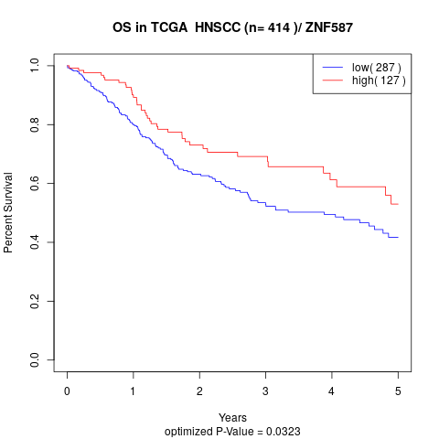

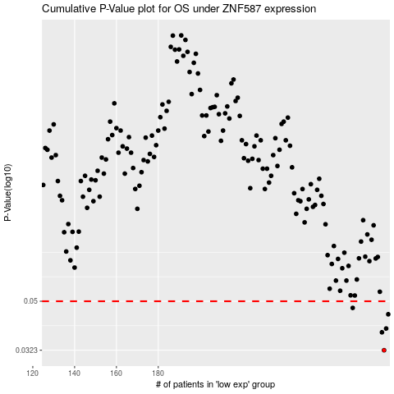

 |  |  |  |  |  | cases_OS | p_OS | rank | exp
 |  |  |  |  |  | 288 | 0.0323 | 324 | 0.39065449328
 |  |  |  |  |  | 287 | 0.0379 | 275 | 0.39044503311
 |  |  |  |  |  | 289 | 0.0392 | 351 | 0.39171568688
 |  |  |  |  |  | 290 | 0.0445 | 210 | 0.39384181444
 |  |  |  |  |  | 273 | 0.0471 | 312 | 0.25921289532
 |  |  |  |  |  |  | cases_RFS | p_RFS | rank | exp
 |  |  |  |  |  |  | 287 | 0.0323 | 275 | 0.39044503311
 |  |  |  |  |  |  | 286 | 0.0379 | 216 | 0.38665230795
 |  |  |  |  |  |  | 288 | 0.0392 | 324 | 0.39065449328
 |  |  |  |  |  |  | 289 | 0.0445 | 351 | 0.39171568688
 |  |  |  |  |  |  | 272 | 0.0471 | 256 | 0.25113638915

