ZNF598 _multivariate
Reported by Tex Li-Hsing Chi. tex@gate.sinica.edu.tw 2019-08-14

Table 2. The clinicopathological features of HNSCC cohort and ZNF598 expression. (Chi square test)
Cutoff at -0.021 (50.0%)
 |  | ZNF598 expression |  | ZNF598 expression |  | (Optimised)
 | Features | Low | (%) | High | (%) | Case no | P-value | Remark | Matthews
Gender | Female | 147 | 35.4 | 159 | 38.3 | 415 | 0.2523 | 0 | 0
2 | Male | 60 | 14.5 | 49 | 11.8
Age at diagnosis | <=65y | 136 | 32.8 | 138 | 33.3 | 415 | 0.9719 | 0 | 0
4 | >65y | 71 | 17.1 | 70 | 16.9
Clinical T Status | T1+T2 | 94 | 22.7 | 55 | 13.3 | 415 | 1e-04 | 1 | 0
6 | T3+T4 | 113 | 27.2 | 153 | 36.9
Clinical N Status | N0 | 105 | 25.3 | 111 | 26.7 | 415 | 0.6598 | 0 | 0
8 | N1-3 | 102 | 24.6 | 97 | 23.4
Clinical M Status | M0 | 207 | 49.9 | 205 | 49.4 | 415 | 0.2482 | 0 | 0
10 | M1 | 0 | 0 | 3 | 0.7
Clinical Stage | Stage I+II | 65 | 15.7 | 37 | 8.9 | 415 | 0.0019 | 1 | 0
12 | Stage III+IV | 142 | 34.2 | 171 | 41.2
Surgical Margin status | Negative | 156 | 37.6 | 162 | 39 | 415 | 0.5636 | 0 | 0
14 | Positive | 51 | 12.3 | 46 | 11.1
Tobacco Exposure | Low | 87 | 21 | 74 | 17.8 | 415 | 0.1911 | 0 | 0
16 | High | 120 | 28.9 | 134 | 32.3

Table 3. Univariate/Multivariate Cox's proportional hazards regression analyses on OS time of ZNF598 gene expression in HNSCC

 |  | Univariate |  |  |  | Multivariate
 | Features | HR | CI95%(L) | CI95%(H) | P-value | HR | CI95%(L) | CI95%(H) | P-value
1 | Female | 1 |  |  |  | 1
Gender | Male | 1.157 | 0.843 | 1.587 | 0.367 | 1.198 | 0.858 | 1.674 | 0.288
11 | <=65y | 1 |  |  |  | 1
Age at diagnosis | >65y | 1.329 | 0.99 | 1.784 | 0.058 | 1.386 | 1.02 | 1.884 | 0.037
12 | T1+T2 | 1 |  |  |  | 1
Clinical T Status | T3+T4 | 1.409 | 1.028 | 1.931 | 0.033 | 2.298 | 1.212 | 4.356 | 0.011
13 | N0 | 1 |  |  |  | 1
Clinical N Status | N1-3 | 1.185 | 0.89 | 1.577 | 0.246 | 1.197 | 0.837 | 1.713 | 0.324
14 | M0 | 1 |  |  |  | 1
Clinical M Status | M1 | 4.097 | 1.009 | 16.644 | 0.049 | 11.121 | 2.388 | 51.782 | 0.002
15 | Stage I+II | 1 |  |  |  | 1
Clinical Stage | Stage III+IV | 1.245 | 0.882 | 1.759 | 0.213 | 0.514 | 0.239 | 1.104 | 0.088
16 | Negative | 1 |  |  |  | 1
Surgical Margin status | Positive | 1.591 | 1.155 | 2.191 | 0.004 | 1.682 | 1.216 | 2.326 | 0.002
17 | Low | 1 |  |  |  | 1
Tobacco Exposure | High | 1.364 | 1.008 | 1.844 | 0.044 | 1.46 | 1.06 | 2.01 | 0.021
18 | Low | 1 |  |  |  | 1
RNAseq(z-score) | High | 0.864 | 0.647 | 1.154 | 0.322 | 0.788 | 0.585 | 1.061 | 0.117

Table 4. Univariate/Multivariate Cox's proportional hazards regression analyses on RFS time of ZNF598 gene expression in HNSCC

 |  | Univariate |  |  |  | Multivariate
 | Features | HR | CI95%(L) | CI95%(H) | P-value | HR | CI95%(L) | CI95%(H) | P-value
1 | Female | 1 |  |  |  | 1
Gender | Male | 1.157 | 0.843 | 1.587 | 0.367 | 1.198 | 0.858 | 1.674 | 0.288
11 | <=65y | 1 |  |  |  | 1
Age at diagnosis | >65y | 1.329 | 0.99 | 1.784 | 0.058 | 1.386 | 1.02 | 1.884 | 0.037
12 | T1+T2 | 1 |  |  |  | 1
Clinical T Status | T3+T4 | 1.409 | 1.028 | 1.931 | 0.033 | 2.298 | 1.212 | 4.356 | 0.011
13 | N0 | 1 |  |  |  | 1
Clinical N Status | N1-3 | 1.185 | 0.89 | 1.577 | 0.246 | 1.197 | 0.837 | 1.713 | 0.324
14 | M0 | 1 |  |  |  | 1
Clinical M Status | M1 | 4.097 | 1.009 | 16.644 | 0.049 | 11.121 | 2.388 | 51.782 | 0.002
15 | Stage I+II | 1 |  |  |  | 1
Clinical Stage | Stage III+IV | 1.245 | 0.882 | 1.759 | 0.213 | 0.514 | 0.239 | 1.104 | 0.088
16 | Negative | 1 |  |  |  | 1
Surgical Margin status | Positive | 1.591 | 1.155 | 2.191 | 0.004 | 1.682 | 1.216 | 2.326 | 0.002
17 | Low | 1 |  |  |  | 1
Tobacco Exposure | High | 1.364 | 1.008 | 1.844 | 0.044 | 1.46 | 1.06 | 2.01 | 0.021
18 | Low | 1 |  |  |  | 1
RNAseq(z-score) | High | 0.864 | 0.647 | 1.154 | 0.322 | 0.788 | 0.585 | 1.061 | 0.117

Kaplan-Meier survival estimate: Cutoff at -0.021 (50.0%)



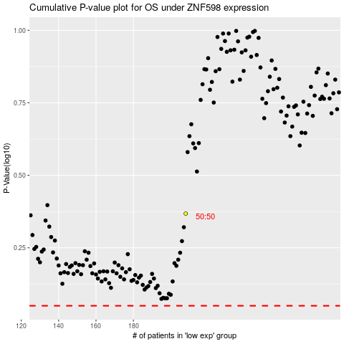

 |  |  |  |  |  | cases_OS | p_OS | rank | exp
 |  |  |  |  |  |  | cases_RFS | p_RFS | rank | exp

