ZNF605 _multivariate
Reported by Tex Li-Hsing Chi. tex@gate.sinica.edu.tw 2019-08-14

Table 2. The clinicopathological features of HNSCC cohort and ZNF605 expression. (Chi square test)
Cutoff at -0.26 (49.8%)
 |  | ZNF605 expression |  | ZNF605 expression |  | (Optimised)
 | Features | Low | (%) | High | (%) | Case no | P-value | Remark | Matthews
Gender | Female | 142 | 34.2 | 164 | 39.5 | 415 | 0.0238 | 1 | 0
2 | Male | 65 | 15.7 | 44 | 10.6
Age at diagnosis | <=65y | 126 | 30.4 | 148 | 35.7 | 415 | 0.035 | 1 | 0
4 | >65y | 81 | 19.5 | 60 | 14.5
Clinical T Status | T1+T2 | 57 | 13.7 | 92 | 22.2 | 415 | 6e-04 | 1 | 0
6 | T3+T4 | 150 | 36.1 | 116 | 28
Clinical N Status | N0 | 104 | 25.1 | 112 | 27 | 415 | 0.5243 | 0 | 0
8 | N1-3 | 103 | 24.8 | 96 | 23.1
Clinical M Status | M0 | 206 | 49.6 | 206 | 49.6 | 415 | 1 | 0 | 0
10 | M1 | 1 | 0.2 | 2 | 0.5
Clinical Stage | Stage I+II | 42 | 10.1 | 60 | 14.5 | 415 | 0.0561 | 0 | 0
12 | Stage III+IV | 165 | 39.8 | 148 | 35.7
Surgical Margin status | Negative | 165 | 39.8 | 153 | 36.9 | 415 | 0.1639 | 0 | 0
14 | Positive | 42 | 10.1 | 55 | 13.3
Tobacco Exposure | Low | 89 | 21.4 | 72 | 17.3 | 415 | 0.0872 | 0 | 0
16 | High | 118 | 28.4 | 136 | 32.8

Table 3. Univariate/Multivariate Cox's proportional hazards regression analyses on OS time of ZNF605 gene expression in HNSCC

 |  | Univariate |  |  |  | Multivariate
 | Features | HR | CI95%(L) | CI95%(H) | P-value | HR | CI95%(L) | CI95%(H) | P-value
1 | Female | 1 |  |  |  | 1
Gender | Male | 1.157 | 0.843 | 1.587 | 0.367 | 1.198 | 0.857 | 1.673 | 0.29
11 | <=65y | 1 |  |  |  | 1
Age at diagnosis | >65y | 1.329 | 0.99 | 1.784 | 0.058 | 1.383 | 1.017 | 1.881 | 0.039
12 | T1+T2 | 1 |  |  |  | 1
Clinical T Status | T3+T4 | 1.409 | 1.028 | 1.931 | 0.033 | 2.157 | 1.138 | 4.09 | 0.019
13 | N0 | 1 |  |  |  | 1
Clinical N Status | N1-3 | 1.185 | 0.89 | 1.577 | 0.246 | 1.237 | 0.867 | 1.765 | 0.241
14 | M0 | 1 |  |  |  | 1
Clinical M Status | M1 | 4.097 | 1.009 | 16.644 | 0.049 | 9.347 | 2.038 | 42.855 | 0.004
15 | Stage I+II | 1 |  |  |  | 1
Clinical Stage | Stage III+IV | 1.245 | 0.882 | 1.759 | 0.213 | 0.512 | 0.238 | 1.099 | 0.086
16 | Negative | 1 |  |  |  | 1
Surgical Margin status | Positive | 1.591 | 1.155 | 2.191 | 0.004 | 1.697 | 1.224 | 2.351 | 0.002
17 | Low | 1 |  |  |  | 1
Tobacco Exposure | High | 1.364 | 1.008 | 1.844 | 0.044 | 1.468 | 1.063 | 2.027 | 0.02
18 | Low | 1 |  |  |  | 1
RNAseq(z-score) | High | 0.914 | 0.686 | 1.219 | 0.542 | 0.907 | 0.675 | 1.217 | 0.514

Table 4. Univariate/Multivariate Cox's proportional hazards regression analyses on RFS time of ZNF605 gene expression in HNSCC

 |  | Univariate |  |  |  | Multivariate
 | Features | HR | CI95%(L) | CI95%(H) | P-value | HR | CI95%(L) | CI95%(H) | P-value
1 | Female | 1 |  |  |  | 1
Gender | Male | 1.157 | 0.843 | 1.587 | 0.367 | 1.198 | 0.857 | 1.673 | 0.29
11 | <=65y | 1 |  |  |  | 1
Age at diagnosis | >65y | 1.329 | 0.99 | 1.784 | 0.058 | 1.383 | 1.017 | 1.881 | 0.039
12 | T1+T2 | 1 |  |  |  | 1
Clinical T Status | T3+T4 | 1.409 | 1.028 | 1.931 | 0.033 | 2.157 | 1.138 | 4.09 | 0.019
13 | N0 | 1 |  |  |  | 1
Clinical N Status | N1-3 | 1.185 | 0.89 | 1.577 | 0.246 | 1.237 | 0.867 | 1.765 | 0.241
14 | M0 | 1 |  |  |  | 1
Clinical M Status | M1 | 4.097 | 1.009 | 16.644 | 0.049 | 9.347 | 2.038 | 42.855 | 0.004
15 | Stage I+II | 1 |  |  |  | 1
Clinical Stage | Stage III+IV | 1.245 | 0.882 | 1.759 | 0.213 | 0.512 | 0.238 | 1.099 | 0.086
16 | Negative | 1 |  |  |  | 1
Surgical Margin status | Positive | 1.591 | 1.155 | 2.191 | 0.004 | 1.697 | 1.224 | 2.351 | 0.002
17 | Low | 1 |  |  |  | 1
Tobacco Exposure | High | 1.364 | 1.008 | 1.844 | 0.044 | 1.468 | 1.063 | 2.027 | 0.02
18 | Low | 1 |  |  |  | 1
RNAseq(z-score) | High | 0.914 | 0.686 | 1.219 | 0.542 | 0.907 | 0.675 | 1.217 | 0.514

Kaplan-Meier survival estimate: Cutoff at -0.26 (49.8%)



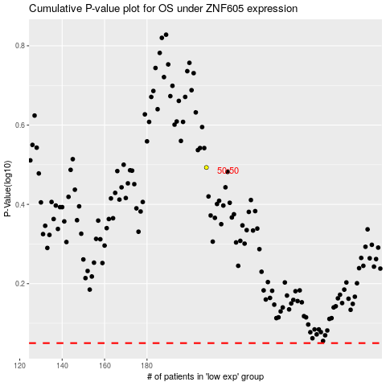

 |  |  |  |  |  | cases_OS | p_OS | rank | exp
 |  |  |  |  |  |  | cases_RFS | p_RFS | rank | exp

