ZNF606 _multivariate
Reported by Tex Li-Hsing Chi. tex@gate.sinica.edu.tw 2019-08-14

Table 2. The clinicopathological features of HNSCC cohort and ZNF606 expression. (Chi square test)
Cutoff at -0.245 (49.8%)
 |  | ZNF606 expression |  | ZNF606 expression |  | (Optimised)
 | Features | Low | (%) | High | (%) | Case no | P-value | Remark | Matthews
Gender | Female | 141 | 34 | 165 | 39.8 | 415 | 0.013 | 1 | 0
2 | Male | 66 | 15.9 | 43 | 10.4
Age at diagnosis | <=65y | 127 | 30.6 | 147 | 35.4 | 415 | 0.0573 | 0 | 0
4 | >65y | 80 | 19.3 | 61 | 14.7
Clinical T Status | T1+T2 | 70 | 16.9 | 79 | 19 | 415 | 0.4343 | 0 | 0
6 | T3+T4 | 137 | 33 | 129 | 31.1
Clinical N Status | N0 | 117 | 28.2 | 99 | 23.9 | 415 | 0.0852 | 1 | 0
8 | N1-3 | 90 | 21.7 | 109 | 26.3
Clinical M Status | M0 | 207 | 49.9 | 205 | 49.4 | 415 | 0.2482 | 0 | 0
10 | M1 | 0 | 0 | 3 | 0.7
Clinical Stage | Stage I+II | 52 | 12.5 | 50 | 12 | 415 | 0.8871 | 0 | 0
12 | Stage III+IV | 155 | 37.3 | 158 | 38.1
Surgical Margin status | Negative | 165 | 39.8 | 153 | 36.9 | 415 | 0.1639 | 0 | 0
14 | Positive | 42 | 10.1 | 55 | 13.3
Tobacco Exposure | Low | 94 | 22.7 | 67 | 16.1 | 415 | 0.0065 | 1 | 0
16 | High | 113 | 27.2 | 141 | 34

Table 3. Univariate/Multivariate Cox's proportional hazards regression analyses on OS time of ZNF606 gene expression in HNSCC

 |  | Univariate |  |  |  | Multivariate
 | Features | HR | CI95%(L) | CI95%(H) | P-value | HR | CI95%(L) | CI95%(H) | P-value
1 | Female | 1 |  |  |  | 1
Gender | Male | 1.157 | 0.843 | 1.587 | 0.367 | 1.181 | 0.844 | 1.653 | 0.331
11 | <=65y | 1 |  |  |  | 1
Age at diagnosis | >65y | 1.329 | 0.99 | 1.784 | 0.058 | 1.386 | 1.019 | 1.884 | 0.037
12 | T1+T2 | 1 |  |  |  | 1
Clinical T Status | T3+T4 | 1.409 | 1.028 | 1.931 | 0.033 | 2.17 | 1.147 | 4.106 | 0.017
13 | N0 | 1 |  |  |  | 1
Clinical N Status | N1-3 | 1.185 | 0.89 | 1.577 | 0.246 | 1.255 | 0.88 | 1.791 | 0.21
14 | M0 | 1 |  |  |  | 1
Clinical M Status | M1 | 4.097 | 1.009 | 16.644 | 0.049 | 10.077 | 2.186 | 46.457 | 0.003
15 | Stage I+II | 1 |  |  |  | 1
Clinical Stage | Stage III+IV | 1.245 | 0.882 | 1.759 | 0.213 | 0.505 | 0.235 | 1.084 | 0.08
16 | Negative | 1 |  |  |  | 1
Surgical Margin status | Positive | 1.591 | 1.155 | 2.191 | 0.004 | 1.71 | 1.234 | 2.37 | 0.001
17 | Low | 1 |  |  |  | 1
Tobacco Exposure | High | 1.364 | 1.008 | 1.844 | 0.044 | 1.504 | 1.084 | 2.086 | 0.015
18 | Low | 1 |  |  |  | 1
RNAseq(z-score) | High | 0.931 | 0.697 | 1.243 | 0.628 | 0.848 | 0.626 | 1.147 | 0.285

Table 4. Univariate/Multivariate Cox's proportional hazards regression analyses on RFS time of ZNF606 gene expression in HNSCC

 |  | Univariate |  |  |  | Multivariate
 | Features | HR | CI95%(L) | CI95%(H) | P-value | HR | CI95%(L) | CI95%(H) | P-value
1 | Female | 1 |  |  |  | 1
Gender | Male | 1.157 | 0.843 | 1.587 | 0.367 | 1.181 | 0.844 | 1.653 | 0.331
11 | <=65y | 1 |  |  |  | 1
Age at diagnosis | >65y | 1.329 | 0.99 | 1.784 | 0.058 | 1.386 | 1.019 | 1.884 | 0.037
12 | T1+T2 | 1 |  |  |  | 1
Clinical T Status | T3+T4 | 1.409 | 1.028 | 1.931 | 0.033 | 2.17 | 1.147 | 4.106 | 0.017
13 | N0 | 1 |  |  |  | 1
Clinical N Status | N1-3 | 1.185 | 0.89 | 1.577 | 0.246 | 1.255 | 0.88 | 1.791 | 0.21
14 | M0 | 1 |  |  |  | 1
Clinical M Status | M1 | 4.097 | 1.009 | 16.644 | 0.049 | 10.077 | 2.186 | 46.457 | 0.003
15 | Stage I+II | 1 |  |  |  | 1
Clinical Stage | Stage III+IV | 1.245 | 0.882 | 1.759 | 0.213 | 0.505 | 0.235 | 1.084 | 0.08
16 | Negative | 1 |  |  |  | 1
Surgical Margin status | Positive | 1.591 | 1.155 | 2.191 | 0.004 | 1.71 | 1.234 | 2.37 | 0.001
17 | Low | 1 |  |  |  | 1
Tobacco Exposure | High | 1.364 | 1.008 | 1.844 | 0.044 | 1.504 | 1.084 | 2.086 | 0.015
18 | Low | 1 |  |  |  | 1
RNAseq(z-score) | High | 0.931 | 0.697 | 1.243 | 0.628 | 0.848 | 0.626 | 1.147 | 0.285

Kaplan-Meier survival estimate: Cutoff at -0.245 (49.8%)



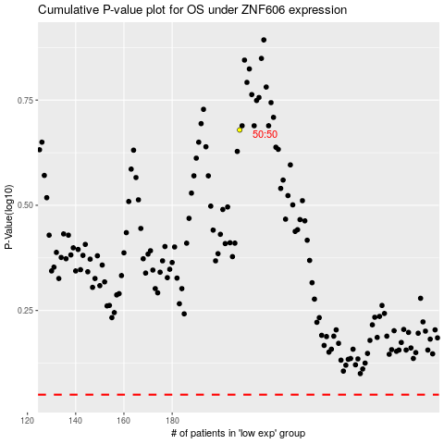

 |  |  |  |  |  | cases_OS | p_OS | rank | exp
 |  |  |  |  |  |  | cases_RFS | p_RFS | rank | exp

