ZNF608 _multivariate
Reported by Tex Li-Hsing Chi. tex@gate.sinica.edu.tw 2019-08-14

Table 2. The clinicopathological features of HNSCC cohort and ZNF608 expression. (Chi square test)
Cutoff at -0.353 (50.0%)
 |  | ZNF608 expression |  | ZNF608 expression |  | (Optimised)
 | Features | Low | (%) | High | (%) | Case no | P-value | Remark | Matthews
Gender | Female | 159 | 38.3 | 147 | 35.4 | 415 | 0.1905 | 0 | 0
2 | Male | 48 | 11.6 | 61 | 14.7
Age at diagnosis | <=65y | 136 | 32.8 | 138 | 33.3 | 415 | 0.9719 | 0 | 0
4 | >65y | 71 | 17.1 | 70 | 16.9
Clinical T Status | T1+T2 | 59 | 14.2 | 90 | 21.7 | 415 | 0.0024 | 1 | 0
6 | T3+T4 | 148 | 35.7 | 118 | 28.4
Clinical N Status | N0 | 105 | 25.3 | 111 | 26.7 | 415 | 0.6598 | 0 | 0
8 | N1-3 | 102 | 24.6 | 97 | 23.4
Clinical M Status | M0 | 205 | 49.4 | 207 | 49.9 | 415 | 0.6232 | 0 | 0
10 | M1 | 2 | 0.5 | 1 | 0.2
Clinical Stage | Stage I+II | 35 | 8.4 | 67 | 16.1 | 415 | 5e-04 | 1 | 0
12 | Stage III+IV | 172 | 41.4 | 141 | 34
Surgical Margin status | Negative | 158 | 38.1 | 160 | 38.6 | 415 | 0.9081 | 0 | 0
14 | Positive | 49 | 11.8 | 48 | 11.6
Tobacco Exposure | Low | 68 | 16.4 | 93 | 22.4 | 415 | 0.0156 | 1 | 0
16 | High | 139 | 33.5 | 115 | 27.7

Table 3. Univariate/Multivariate Cox's proportional hazards regression analyses on OS time of ZNF608 gene expression in HNSCC

 |  | Univariate |  |  |  | Multivariate
 | Features | HR | CI95%(L) | CI95%(H) | P-value | HR | CI95%(L) | CI95%(H) | P-value
1 | Female | 1 |  |  |  | 1
Gender | Male | 1.157 | 0.843 | 1.587 | 0.367 | 1.208 | 0.865 | 1.687 | 0.269
11 | <=65y | 1 |  |  |  | 1
Age at diagnosis | >65y | 1.329 | 0.99 | 1.784 | 0.058 | 1.395 | 1.026 | 1.897 | 0.033
12 | T1+T2 | 1 |  |  |  | 1
Clinical T Status | T3+T4 | 1.409 | 1.028 | 1.931 | 0.033 | 2.2 | 1.163 | 4.16 | 0.015
13 | N0 | 1 |  |  |  | 1
Clinical N Status | N1-3 | 1.185 | 0.89 | 1.577 | 0.246 | 1.229 | 0.861 | 1.755 | 0.256
14 | M0 | 1 |  |  |  | 1
Clinical M Status | M1 | 4.097 | 1.009 | 16.644 | 0.049 | 9.524 | 2.077 | 43.678 | 0.004
15 | Stage I+II | 1 |  |  |  | 1
Clinical Stage | Stage III+IV | 1.245 | 0.882 | 1.759 | 0.213 | 0.519 | 0.241 | 1.118 | 0.094
16 | Negative | 1 |  |  |  | 1
Surgical Margin status | Positive | 1.591 | 1.155 | 2.191 | 0.004 | 1.682 | 1.217 | 2.326 | 0.002
17 | Low | 1 |  |  |  | 1
Tobacco Exposure | High | 1.364 | 1.008 | 1.844 | 0.044 | 1.473 | 1.067 | 2.033 | 0.019
18 | Low | 1 |  |  |  | 1
RNAseq(z-score) | High | 0.998 | 0.749 | 1.329 | 0.99 | 1.107 | 0.824 | 1.487 | 0.501

Table 4. Univariate/Multivariate Cox's proportional hazards regression analyses on RFS time of ZNF608 gene expression in HNSCC

 |  | Univariate |  |  |  | Multivariate
 | Features | HR | CI95%(L) | CI95%(H) | P-value | HR | CI95%(L) | CI95%(H) | P-value
1 | Female | 1 |  |  |  | 1
Gender | Male | 1.157 | 0.843 | 1.587 | 0.367 | 1.208 | 0.865 | 1.687 | 0.269
11 | <=65y | 1 |  |  |  | 1
Age at diagnosis | >65y | 1.329 | 0.99 | 1.784 | 0.058 | 1.395 | 1.026 | 1.897 | 0.033
12 | T1+T2 | 1 |  |  |  | 1
Clinical T Status | T3+T4 | 1.409 | 1.028 | 1.931 | 0.033 | 2.2 | 1.163 | 4.16 | 0.015
13 | N0 | 1 |  |  |  | 1
Clinical N Status | N1-3 | 1.185 | 0.89 | 1.577 | 0.246 | 1.229 | 0.861 | 1.755 | 0.256
14 | M0 | 1 |  |  |  | 1
Clinical M Status | M1 | 4.097 | 1.009 | 16.644 | 0.049 | 9.524 | 2.077 | 43.678 | 0.004
15 | Stage I+II | 1 |  |  |  | 1
Clinical Stage | Stage III+IV | 1.245 | 0.882 | 1.759 | 0.213 | 0.519 | 0.241 | 1.118 | 0.094
16 | Negative | 1 |  |  |  | 1
Surgical Margin status | Positive | 1.591 | 1.155 | 2.191 | 0.004 | 1.682 | 1.217 | 2.326 | 0.002
17 | Low | 1 |  |  |  | 1
Tobacco Exposure | High | 1.364 | 1.008 | 1.844 | 0.044 | 1.473 | 1.067 | 2.033 | 0.019
18 | Low | 1 |  |  |  | 1
RNAseq(z-score) | High | 0.998 | 0.749 | 1.329 | 0.99 | 1.107 | 0.824 | 1.487 | 0.501

Kaplan-Meier survival estimate: Cutoff at -0.353 (50.0%)

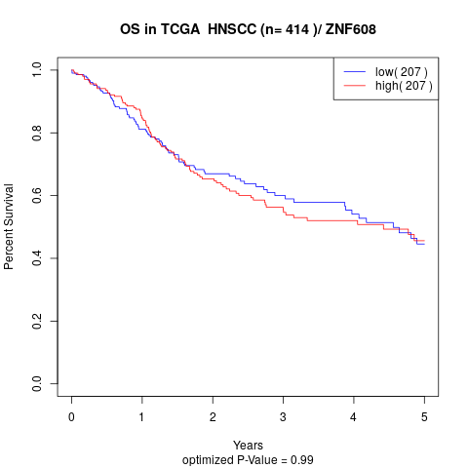

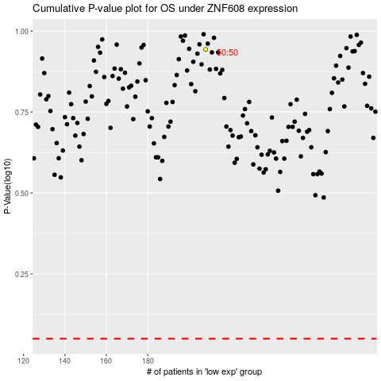

 |  |  |  |  |  | cases_OS | p_OS | rank | exp
 |  |  |  |  |  |  | cases_RFS | p_RFS | rank | exp

