ZNF613 _multivariate
Reported by Tex Li-Hsing Chi. tex@gate.sinica.edu.tw 2019-08-14

Table 2. The clinicopathological features of HNSCC cohort and ZNF613 expression. (Chi square test)
Cutoff at -0.174 (49.8%)
 |  | ZNF613 expression |  | ZNF613 expression |  | (Optimised)
 | Features | Low | (%) | High | (%) | Case no | P-value | Remark | Matthews
Gender | Female | 157 | 37.8 | 149 | 35.9 | 415 | 0.3881 | 0 | 0
2 | Male | 50 | 12 | 59 | 14.2
Age at diagnosis | <=65y | 134 | 32.3 | 140 | 33.7 | 415 | 0.6529 | 0 | 0
4 | >65y | 73 | 17.6 | 68 | 16.4
Clinical T Status | T1+T2 | 71 | 17.1 | 78 | 18.8 | 415 | 0.5638 | 0 | 0
6 | T3+T4 | 136 | 32.8 | 130 | 31.3
Clinical N Status | N0 | 104 | 25.1 | 112 | 27 | 415 | 0.5243 | 0 | 0
8 | N1-3 | 103 | 24.8 | 96 | 23.1
Clinical M Status | M0 | 205 | 49.4 | 207 | 49.9 | 415 | 0.6232 | 0 | 0
10 | M1 | 2 | 0.5 | 1 | 0.2
Clinical Stage | Stage I+II | 46 | 11.1 | 56 | 13.5 | 415 | 0.3182 | 0 | 0
12 | Stage III+IV | 161 | 38.8 | 152 | 36.6
Surgical Margin status | Negative | 164 | 39.5 | 154 | 37.1 | 415 | 0.2462 | 0 | 0
14 | Positive | 43 | 10.4 | 54 | 13
Tobacco Exposure | Low | 74 | 17.8 | 87 | 21 | 415 | 0.227 | 0 | 0
16 | High | 133 | 32 | 121 | 29.2

Table 3. Univariate/Multivariate Cox's proportional hazards regression analyses on OS time of ZNF613 gene expression in HNSCC

 |  | Univariate |  |  |  | Multivariate
 | Features | HR | CI95%(L) | CI95%(H) | P-value | HR | CI95%(L) | CI95%(H) | P-value
1 | Female | 1 |  |  |  | 1
Gender | Male | 1.157 | 0.843 | 1.587 | 0.367 | 1.208 | 0.865 | 1.689 | 0.268
11 | <=65y | 1 |  |  |  | 1
Age at diagnosis | >65y | 1.329 | 0.99 | 1.784 | 0.058 | 1.388 | 1.021 | 1.887 | 0.036
12 | T1+T2 | 1 |  |  |  | 1
Clinical T Status | T3+T4 | 1.409 | 1.028 | 1.931 | 0.033 | 2.223 | 1.176 | 4.204 | 0.014
13 | N0 | 1 |  |  |  | 1
Clinical N Status | N1-3 | 1.185 | 0.89 | 1.577 | 0.246 | 1.242 | 0.871 | 1.773 | 0.231
14 | M0 | 1 |  |  |  | 1
Clinical M Status | M1 | 4.097 | 1.009 | 16.644 | 0.049 | 9.422 | 2.056 | 43.19 | 0.004
15 | Stage I+II | 1 |  |  |  | 1
Clinical Stage | Stage III+IV | 1.245 | 0.882 | 1.759 | 0.213 | 0.491 | 0.229 | 1.056 | 0.069
16 | Negative | 1 |  |  |  | 1
Surgical Margin status | Positive | 1.591 | 1.155 | 2.191 | 0.004 | 1.688 | 1.221 | 2.333 | 0.002
17 | Low | 1 |  |  |  | 1
Tobacco Exposure | High | 1.364 | 1.008 | 1.844 | 0.044 | 1.448 | 1.051 | 1.996 | 0.024
18 | Low | 1 |  |  |  | 1
RNAseq(z-score) | High | 0.892 | 0.67 | 1.188 | 0.434 | 0.876 | 0.656 | 1.171 | 0.372

Table 4. Univariate/Multivariate Cox's proportional hazards regression analyses on RFS time of ZNF613 gene expression in HNSCC

 |  | Univariate |  |  |  | Multivariate
 | Features | HR | CI95%(L) | CI95%(H) | P-value | HR | CI95%(L) | CI95%(H) | P-value
1 | Female | 1 |  |  |  | 1
Gender | Male | 1.157 | 0.843 | 1.587 | 0.367 | 1.208 | 0.865 | 1.689 | 0.268
11 | <=65y | 1 |  |  |  | 1
Age at diagnosis | >65y | 1.329 | 0.99 | 1.784 | 0.058 | 1.388 | 1.021 | 1.887 | 0.036
12 | T1+T2 | 1 |  |  |  | 1
Clinical T Status | T3+T4 | 1.409 | 1.028 | 1.931 | 0.033 | 2.223 | 1.176 | 4.204 | 0.014
13 | N0 | 1 |  |  |  | 1
Clinical N Status | N1-3 | 1.185 | 0.89 | 1.577 | 0.246 | 1.242 | 0.871 | 1.773 | 0.231
14 | M0 | 1 |  |  |  | 1
Clinical M Status | M1 | 4.097 | 1.009 | 16.644 | 0.049 | 9.422 | 2.056 | 43.19 | 0.004
15 | Stage I+II | 1 |  |  |  | 1
Clinical Stage | Stage III+IV | 1.245 | 0.882 | 1.759 | 0.213 | 0.491 | 0.229 | 1.056 | 0.069
16 | Negative | 1 |  |  |  | 1
Surgical Margin status | Positive | 1.591 | 1.155 | 2.191 | 0.004 | 1.688 | 1.221 | 2.333 | 0.002
17 | Low | 1 |  |  |  | 1
Tobacco Exposure | High | 1.364 | 1.008 | 1.844 | 0.044 | 1.448 | 1.051 | 1.996 | 0.024
18 | Low | 1 |  |  |  | 1
RNAseq(z-score) | High | 0.892 | 0.67 | 1.188 | 0.434 | 0.876 | 0.656 | 1.171 | 0.372

Kaplan-Meier survival estimate: Cutoff at -0.174 (49.8%)



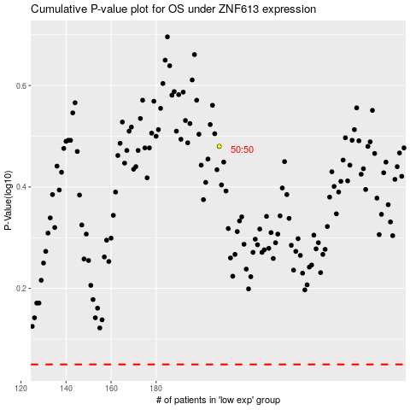

 |  |  |  |  |  | cases_OS | p_OS | rank | exp
 |  |  |  |  |  |  | cases_RFS | p_RFS | rank | exp

