ZNF620 _multivariate
Reported by Tex Li-Hsing Chi. tex@gate.sinica.edu.tw 2019-08-14

Table 2. The clinicopathological features of HNSCC cohort and ZNF620 expression. (Chi square test)
Cutoff at -0.354 (49.8%)
 |  | ZNF620 expression |  | ZNF620 expression |  | (Optimised)
 | Features | Low | (%) | High | (%) | Case no | P-value | Remark | Matthews
Gender | Female | 147 | 35.4 | 159 | 38.3 | 415 | 0.2523 | 0 | 0
2 | Male | 60 | 14.5 | 49 | 11.8
Age at diagnosis | <=65y | 138 | 33.3 | 136 | 32.8 | 415 | 0.8634 | 0 | 0
4 | >65y | 69 | 16.6 | 72 | 17.3
Clinical T Status | T1+T2 | 73 | 17.6 | 76 | 18.3 | 415 | 0.8666 | 0 | 0
6 | T3+T4 | 134 | 32.3 | 132 | 31.8
Clinical N Status | N0 | 103 | 24.8 | 113 | 27.2 | 415 | 0.4047 | 0 | 0
8 | N1-3 | 104 | 25.1 | 95 | 22.9
Clinical M Status | M0 | 205 | 49.4 | 207 | 49.9 | 415 | 0.6232 | 0 | 0
10 | M1 | 2 | 0.5 | 1 | 0.2
Clinical Stage | Stage I+II | 53 | 12.8 | 49 | 11.8 | 415 | 0.7113 | 0 | 0
12 | Stage III+IV | 154 | 37.1 | 159 | 38.3
Surgical Margin status | Negative | 160 | 38.6 | 158 | 38.1 | 415 | 0.8167 | 0 | 0
14 | Positive | 47 | 11.3 | 50 | 12
Tobacco Exposure | Low | 88 | 21.2 | 73 | 17.6 | 415 | 0.1314 | 0 | 0
16 | High | 119 | 28.7 | 135 | 32.5

Table 3. Univariate/Multivariate Cox's proportional hazards regression analyses on OS time of ZNF620 gene expression in HNSCC

 |  | Univariate |  |  |  | Multivariate
 | Features | HR | CI95%(L) | CI95%(H) | P-value | HR | CI95%(L) | CI95%(H) | P-value
1 | Female | 1 |  |  |  | 1
Gender | Male | 1.157 | 0.843 | 1.587 | 0.367 | 1.205 | 0.863 | 1.683 | 0.274
11 | <=65y | 1 |  |  |  | 1
Age at diagnosis | >65y | 1.329 | 0.99 | 1.784 | 0.058 | 1.392 | 1.024 | 1.893 | 0.035
12 | T1+T2 | 1 |  |  |  | 1
Clinical T Status | T3+T4 | 1.409 | 1.028 | 1.931 | 0.033 | 2.231 | 1.176 | 4.232 | 0.014
13 | N0 | 1 |  |  |  | 1
Clinical N Status | N1-3 | 1.185 | 0.89 | 1.577 | 0.246 | 1.247 | 0.873 | 1.782 | 0.224
14 | M0 | 1 |  |  |  | 1
Clinical M Status | M1 | 4.097 | 1.009 | 16.644 | 0.049 | 9.573 | 2.083 | 43.996 | 0.004
15 | Stage I+II | 1 |  |  |  | 1
Clinical Stage | Stage III+IV | 1.245 | 0.882 | 1.759 | 0.213 | 0.497 | 0.23 | 1.07 | 0.074
16 | Negative | 1 |  |  |  | 1
Surgical Margin status | Positive | 1.591 | 1.155 | 2.191 | 0.004 | 1.669 | 1.208 | 2.306 | 0.002
17 | Low | 1 |  |  |  | 1
Tobacco Exposure | High | 1.364 | 1.008 | 1.844 | 0.044 | 1.444 | 1.047 | 1.992 | 0.025
18 | Low | 1 |  |  |  | 1
RNAseq(z-score) | High | 1.037 | 0.779 | 1.381 | 0.803 | 1.061 | 0.793 | 1.419 | 0.69

Table 4. Univariate/Multivariate Cox's proportional hazards regression analyses on RFS time of ZNF620 gene expression in HNSCC

 |  | Univariate |  |  |  | Multivariate
 | Features | HR | CI95%(L) | CI95%(H) | P-value | HR | CI95%(L) | CI95%(H) | P-value
1 | Female | 1 |  |  |  | 1
Gender | Male | 1.157 | 0.843 | 1.587 | 0.367 | 1.205 | 0.863 | 1.683 | 0.274
11 | <=65y | 1 |  |  |  | 1
Age at diagnosis | >65y | 1.329 | 0.99 | 1.784 | 0.058 | 1.392 | 1.024 | 1.893 | 0.035
12 | T1+T2 | 1 |  |  |  | 1
Clinical T Status | T3+T4 | 1.409 | 1.028 | 1.931 | 0.033 | 2.231 | 1.176 | 4.232 | 0.014
13 | N0 | 1 |  |  |  | 1
Clinical N Status | N1-3 | 1.185 | 0.89 | 1.577 | 0.246 | 1.247 | 0.873 | 1.782 | 0.224
14 | M0 | 1 |  |  |  | 1
Clinical M Status | M1 | 4.097 | 1.009 | 16.644 | 0.049 | 9.573 | 2.083 | 43.996 | 0.004
15 | Stage I+II | 1 |  |  |  | 1
Clinical Stage | Stage III+IV | 1.245 | 0.882 | 1.759 | 0.213 | 0.497 | 0.23 | 1.07 | 0.074
16 | Negative | 1 |  |  |  | 1
Surgical Margin status | Positive | 1.591 | 1.155 | 2.191 | 0.004 | 1.669 | 1.208 | 2.306 | 0.002
17 | Low | 1 |  |  |  | 1
Tobacco Exposure | High | 1.364 | 1.008 | 1.844 | 0.044 | 1.444 | 1.047 | 1.992 | 0.025
18 | Low | 1 |  |  |  | 1
RNAseq(z-score) | High | 1.037 | 0.779 | 1.381 | 0.803 | 1.061 | 0.793 | 1.419 | 0.69

Kaplan-Meier survival estimate: Cutoff at -0.354 (49.8%)



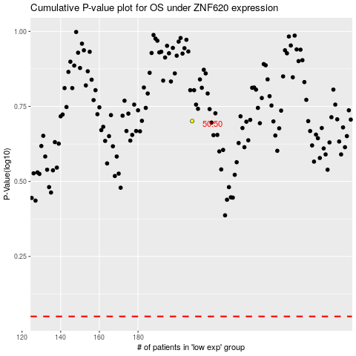

 |  |  |  |  |  | cases_OS | p_OS | rank | exp
 |  |  |  |  |  |  | cases_RFS | p_RFS | rank | exp

