ZNF638 _multivariate
Reported by Tex Li-Hsing Chi. tex@gate.sinica.edu.tw 2019-08-14

Table 2. The clinicopathological features of HNSCC cohort and ZNF638 expression. (Chi square test)
Cutoff at -0.178 (49.8%)
 |  | ZNF638 expression |  | ZNF638 expression |  | (Optimised)
 | Features | Low | (%) | High | (%) | Case no | P-value | Remark | Matthews
Gender | Female | 149 | 35.9 | 157 | 37.8 | 415 | 0.4848 | 0 | 0
2 | Male | 58 | 14 | 51 | 12.3
Age at diagnosis | <=65y | 132 | 31.8 | 142 | 34.2 | 415 | 0.3874 | 0 | 0
4 | >65y | 75 | 18.1 | 66 | 15.9
Clinical T Status | T1+T2 | 67 | 16.1 | 82 | 19.8 | 415 | 0.1628 | 0 | 0
6 | T3+T4 | 140 | 33.7 | 126 | 30.4
Clinical N Status | N0 | 100 | 24.1 | 116 | 28 | 415 | 0.1548 | 0 | 0
8 | N1-3 | 107 | 25.8 | 92 | 22.2
Clinical M Status | M0 | 206 | 49.6 | 206 | 49.6 | 415 | 1 | 0 | 0
10 | M1 | 1 | 0.2 | 2 | 0.5
Clinical Stage | Stage I+II | 48 | 11.6 | 54 | 13 | 415 | 0.5878 | 0 | 0
12 | Stage III+IV | 159 | 38.3 | 154 | 37.1
Surgical Margin status | Negative | 165 | 39.8 | 153 | 36.9 | 415 | 0.1639 | 0 | 0
14 | Positive | 42 | 10.1 | 55 | 13.3
Tobacco Exposure | Low | 77 | 18.6 | 84 | 20.2 | 415 | 0.5459 | 0 | 0
16 | High | 130 | 31.3 | 124 | 29.9

Table 3. Univariate/Multivariate Cox's proportional hazards regression analyses on OS time of ZNF638 gene expression in HNSCC

 |  | Univariate |  |  |  | Multivariate
 | Features | HR | CI95%(L) | CI95%(H) | P-value | HR | CI95%(L) | CI95%(H) | P-value
1 | Female | 1 |  |  |  | 1
Gender | Male | 1.157 | 0.843 | 1.587 | 0.367 | 1.204 | 0.862 | 1.683 | 0.276
11 | <=65y | 1 |  |  |  | 1
Age at diagnosis | >65y | 1.329 | 0.99 | 1.784 | 0.058 | 1.391 | 1.023 | 1.891 | 0.035
12 | T1+T2 | 1 |  |  |  | 1
Clinical T Status | T3+T4 | 1.409 | 1.028 | 1.931 | 0.033 | 2.212 | 1.169 | 4.186 | 0.015
13 | N0 | 1 |  |  |  | 1
Clinical N Status | N1-3 | 1.185 | 0.89 | 1.577 | 0.246 | 1.247 | 0.873 | 1.782 | 0.226
14 | M0 | 1 |  |  |  | 1
Clinical M Status | M1 | 4.097 | 1.009 | 16.644 | 0.049 | 9.388 | 2.048 | 43.035 | 0.004
15 | Stage I+II | 1 |  |  |  | 1
Clinical Stage | Stage III+IV | 1.245 | 0.882 | 1.759 | 0.213 | 0.502 | 0.234 | 1.078 | 0.077
16 | Negative | 1 |  |  |  | 1
Surgical Margin status | Positive | 1.591 | 1.155 | 2.191 | 0.004 | 1.663 | 1.202 | 2.302 | 0.002
17 | Low | 1 |  |  |  | 1
Tobacco Exposure | High | 1.364 | 1.008 | 1.844 | 0.044 | 1.459 | 1.058 | 2.012 | 0.021
18 | Low | 1 |  |  |  | 1
RNAseq(z-score) | High | 1.017 | 0.764 | 1.355 | 0.907 | 1.048 | 0.783 | 1.403 | 0.753

Table 4. Univariate/Multivariate Cox's proportional hazards regression analyses on RFS time of ZNF638 gene expression in HNSCC

 |  | Univariate |  |  |  | Multivariate
 | Features | HR | CI95%(L) | CI95%(H) | P-value | HR | CI95%(L) | CI95%(H) | P-value
1 | Female | 1 |  |  |  | 1
Gender | Male | 1.157 | 0.843 | 1.587 | 0.367 | 1.204 | 0.862 | 1.683 | 0.276
11 | <=65y | 1 |  |  |  | 1
Age at diagnosis | >65y | 1.329 | 0.99 | 1.784 | 0.058 | 1.391 | 1.023 | 1.891 | 0.035
12 | T1+T2 | 1 |  |  |  | 1
Clinical T Status | T3+T4 | 1.409 | 1.028 | 1.931 | 0.033 | 2.212 | 1.169 | 4.186 | 0.015
13 | N0 | 1 |  |  |  | 1
Clinical N Status | N1-3 | 1.185 | 0.89 | 1.577 | 0.246 | 1.247 | 0.873 | 1.782 | 0.226
14 | M0 | 1 |  |  |  | 1
Clinical M Status | M1 | 4.097 | 1.009 | 16.644 | 0.049 | 9.388 | 2.048 | 43.035 | 0.004
15 | Stage I+II | 1 |  |  |  | 1
Clinical Stage | Stage III+IV | 1.245 | 0.882 | 1.759 | 0.213 | 0.502 | 0.234 | 1.078 | 0.077
16 | Negative | 1 |  |  |  | 1
Surgical Margin status | Positive | 1.591 | 1.155 | 2.191 | 0.004 | 1.663 | 1.202 | 2.302 | 0.002
17 | Low | 1 |  |  |  | 1
Tobacco Exposure | High | 1.364 | 1.008 | 1.844 | 0.044 | 1.459 | 1.058 | 2.012 | 0.021
18 | Low | 1 |  |  |  | 1
RNAseq(z-score) | High | 1.017 | 0.764 | 1.355 | 0.907 | 1.048 | 0.783 | 1.403 | 0.753

Kaplan-Meier survival estimate: Cutoff at -0.178 (49.8%)



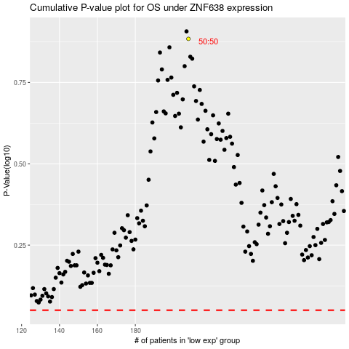

 |  |  |  |  |  | cases_OS | p_OS | rank | exp
 |  |  |  |  |  |  | cases_RFS | p_RFS | rank | exp

