ZNF641 _multivariate
Reported by Tex Li-Hsing Chi. tex@gate.sinica.edu.tw 2019-08-14

Table 2. The clinicopathological features of HNSCC cohort and ZNF641 expression. (Chi square test)
Cutoff at -0.139 (49.8%)
 |  | ZNF641 expression |  | ZNF641 expression |  | (Optimised)
 | Features | Low | (%) | High | (%) | Case no | P-value | Remark | Matthews
Gender | Female | 150 | 36.1 | 156 | 37.6 | 415 | 0.6344 | 0 | 0
2 | Male | 57 | 13.7 | 52 | 12.5
Age at diagnosis | <=65y | 138 | 33.3 | 136 | 32.8 | 415 | 0.8634 | 0 | 0
4 | >65y | 69 | 16.6 | 72 | 17.3
Clinical T Status | T1+T2 | 66 | 15.9 | 83 | 20 | 415 | 0.1095 | 0 | 0
6 | T3+T4 | 141 | 34 | 125 | 30.1
Clinical N Status | N0 | 105 | 25.3 | 111 | 26.7 | 415 | 0.6598 | 0 | 0
8 | N1-3 | 102 | 24.6 | 97 | 23.4
Clinical M Status | M0 | 205 | 49.4 | 207 | 49.9 | 415 | 0.6232 | 0 | 0
10 | M1 | 2 | 0.5 | 1 | 0.2
Clinical Stage | Stage I+II | 43 | 10.4 | 59 | 14.2 | 415 | 0.0925 | 0 | 0
12 | Stage III+IV | 164 | 39.5 | 149 | 35.9
Surgical Margin status | Negative | 157 | 37.8 | 161 | 38.8 | 415 | 0.729 | 0 | 0
14 | Positive | 50 | 12 | 47 | 11.3
Tobacco Exposure | Low | 85 | 20.5 | 76 | 18.3 | 415 | 0.3655 | 0 | 0
16 | High | 122 | 29.4 | 132 | 31.8

Table 3. Univariate/Multivariate Cox's proportional hazards regression analyses on OS time of ZNF641 gene expression in HNSCC

 |  | Univariate |  |  |  | Multivariate
 | Features | HR | CI95%(L) | CI95%(H) | P-value | HR | CI95%(L) | CI95%(H) | P-value
1 | Female | 1 |  |  |  | 1
Gender | Male | 1.157 | 0.843 | 1.587 | 0.367 | 1.243 | 0.891 | 1.734 | 0.201
11 | <=65y | 1 |  |  |  | 1
Age at diagnosis | >65y | 1.329 | 0.99 | 1.784 | 0.058 | 1.386 | 1.02 | 1.884 | 0.037
12 | T1+T2 | 1 |  |  |  | 1
Clinical T Status | T3+T4 | 1.409 | 1.028 | 1.931 | 0.033 | 2.243 | 1.185 | 4.246 | 0.013
13 | N0 | 1 |  |  |  | 1
Clinical N Status | N1-3 | 1.185 | 0.89 | 1.577 | 0.246 | 1.24 | 0.869 | 1.77 | 0.235
14 | M0 | 1 |  |  |  | 1
Clinical M Status | M1 | 4.097 | 1.009 | 16.644 | 0.049 | 10.563 | 2.295 | 48.618 | 0.002
15 | Stage I+II | 1 |  |  |  | 1
Clinical Stage | Stage III+IV | 1.245 | 0.882 | 1.759 | 0.213 | 0.512 | 0.238 | 1.1 | 0.086
16 | Negative | 1 |  |  |  | 1
Surgical Margin status | Positive | 1.591 | 1.155 | 2.191 | 0.004 | 1.731 | 1.25 | 2.396 | 0.001
17 | Low | 1 |  |  |  | 1
Tobacco Exposure | High | 1.364 | 1.008 | 1.844 | 0.044 | 1.431 | 1.041 | 1.968 | 0.027
18 | Low | 1 |  |  |  | 1
RNAseq(z-score) | High | 1.264 | 0.948 | 1.687 | 0.111 | 1.376 | 1.025 | 1.846 | 0.034

Table 4. Univariate/Multivariate Cox's proportional hazards regression analyses on RFS time of ZNF641 gene expression in HNSCC

 |  | Univariate |  |  |  | Multivariate
 | Features | HR | CI95%(L) | CI95%(H) | P-value | HR | CI95%(L) | CI95%(H) | P-value
1 | Female | 1 |  |  |  | 1
Gender | Male | 1.157 | 0.843 | 1.587 | 0.367 | 1.243 | 0.891 | 1.734 | 0.201
11 | <=65y | 1 |  |  |  | 1
Age at diagnosis | >65y | 1.329 | 0.99 | 1.784 | 0.058 | 1.386 | 1.02 | 1.884 | 0.037
12 | T1+T2 | 1 |  |  |  | 1
Clinical T Status | T3+T4 | 1.409 | 1.028 | 1.931 | 0.033 | 2.243 | 1.185 | 4.246 | 0.013
13 | N0 | 1 |  |  |  | 1
Clinical N Status | N1-3 | 1.185 | 0.89 | 1.577 | 0.246 | 1.24 | 0.869 | 1.77 | 0.235
14 | M0 | 1 |  |  |  | 1
Clinical M Status | M1 | 4.097 | 1.009 | 16.644 | 0.049 | 10.563 | 2.295 | 48.618 | 0.002
15 | Stage I+II | 1 |  |  |  | 1
Clinical Stage | Stage III+IV | 1.245 | 0.882 | 1.759 | 0.213 | 0.512 | 0.238 | 1.1 | 0.086
16 | Negative | 1 |  |  |  | 1
Surgical Margin status | Positive | 1.591 | 1.155 | 2.191 | 0.004 | 1.731 | 1.25 | 2.396 | 0.001
17 | Low | 1 |  |  |  | 1
Tobacco Exposure | High | 1.364 | 1.008 | 1.844 | 0.044 | 1.431 | 1.041 | 1.968 | 0.027
18 | Low | 1 |  |  |  | 1
RNAseq(z-score) | High | 1.264 | 0.948 | 1.687 | 0.111 | 1.376 | 1.025 | 1.846 | 0.034

Kaplan-Meier survival estimate: Cutoff at -0.139 (49.8%)



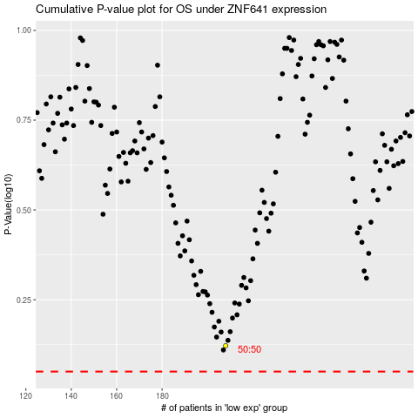

 |  |  |  |  |  | cases_OS | p_OS | rank | exp
 |  |  |  |  |  |  | cases_RFS | p_RFS | rank | exp

