ZNF644 _multivariate
Reported by Tex Li-Hsing Chi. tex@gate.sinica.edu.tw 2019-08-14

Table 2. The clinicopathological features of HNSCC cohort and ZNF644 expression. (Chi square test)
Cutoff at -0.374 (38.2%)
 |  | ZNF644 expression |  | ZNF644 expression |  | (Optimised)
 | Features | Low | (%) | High | (%) | Case no | P-value | Remark | Matthews
Gender | Female | 118 | 28.4 | 188 | 45.3 | 415 | 0.9522 | 0 | 0
2 | Male | 41 | 9.9 | 68 | 16.4
Age at diagnosis | <=65y | 103 | 24.8 | 171 | 41.2 | 415 | 0.7526 | 0 | 0
4 | >65y | 56 | 13.5 | 85 | 20.5
Clinical T Status | T1+T2 | 46 | 11.1 | 103 | 24.8 | 415 | 0.0259 | 1 | 0
6 | T3+T4 | 113 | 27.2 | 153 | 36.9
Clinical N Status | N0 | 82 | 19.8 | 134 | 32.3 | 415 | 0.9586 | 0 | 0
8 | N1-3 | 77 | 18.6 | 122 | 29.4
Clinical M Status | M0 | 156 | 37.6 | 256 | 61.7 | 415 | 0.0556 | 0 | 0
10 | M1 | 3 | 0.7 | 0 | 0
Clinical Stage | Stage I+II | 31 | 7.5 | 71 | 17.1 | 415 | 0.0755 | 0 | 0
12 | Stage III+IV | 128 | 30.8 | 185 | 44.6
Surgical Margin status | Negative | 125 | 30.1 | 193 | 46.5 | 415 | 0.4761 | 0 | 0
14 | Positive | 34 | 8.2 | 63 | 15.2
Tobacco Exposure | Low | 58 | 14 | 103 | 24.8 | 415 | 0.4694 | 0 | 0
16 | High | 101 | 24.3 | 153 | 36.9

Table 3. Univariate/Multivariate Cox's proportional hazards regression analyses on OS time of ZNF644 gene expression in HNSCC

 |  | Univariate |  |  |  | Multivariate
 | Features | HR | CI95%(L) | CI95%(H) | P-value | HR | CI95%(L) | CI95%(H) | P-value
1 | Female | 1 |  |  |  | 1
Gender | Male | 1.157 | 0.843 | 1.587 | 0.367 | 1.197 | 0.856 | 1.674 | 0.293
11 | <=65y | 1 |  |  |  | 1
Age at diagnosis | >65y | 1.329 | 0.99 | 1.784 | 0.058 | 1.388 | 1.021 | 1.887 | 0.036
12 | T1+T2 | 1 |  |  |  | 1
Clinical T Status | T3+T4 | 1.409 | 1.028 | 1.931 | 0.033 | 2.146 | 1.135 | 4.058 | 0.019
13 | N0 | 1 |  |  |  | 1
Clinical N Status | N1-3 | 1.185 | 0.89 | 1.577 | 0.246 | 1.261 | 0.884 | 1.8 | 0.201
14 | M0 | 1 |  |  |  | 1
Clinical M Status | M1 | 4.097 | 1.009 | 16.644 | 0.049 | 7.871 | 1.698 | 36.495 | 0.008
15 | Stage I+II | 1 |  |  |  | 1
Clinical Stage | Stage III+IV | 1.245 | 0.882 | 1.759 | 0.213 | 0.492 | 0.23 | 1.057 | 0.069
16 | Negative | 1 |  |  |  | 1
Surgical Margin status | Positive | 1.591 | 1.155 | 2.191 | 0.004 | 1.693 | 1.224 | 2.341 | 0.001
17 | Low | 1 |  |  |  | 1
Tobacco Exposure | High | 1.364 | 1.008 | 1.844 | 0.044 | 1.452 | 1.053 | 2.003 | 0.023
18 | Low | 1 |  |  |  | 1
RNAseq(z-score) | High | 0.74 | 0.553 | 0.989 | 0.042 | 0.764 | 0.568 | 1.028 | 0.075

Table 4. Univariate/Multivariate Cox's proportional hazards regression analyses on RFS time of ZNF644 gene expression in HNSCC

 |  | Univariate |  |  |  | Multivariate
 | Features | HR | CI95%(L) | CI95%(H) | P-value | HR | CI95%(L) | CI95%(H) | P-value
1 | Female | 1 |  |  |  | 1
Gender | Male | 1.157 | 0.843 | 1.587 | 0.367 | 1.197 | 0.856 | 1.674 | 0.293
11 | <=65y | 1 |  |  |  | 1
Age at diagnosis | >65y | 1.329 | 0.99 | 1.784 | 0.058 | 1.388 | 1.021 | 1.887 | 0.036
12 | T1+T2 | 1 |  |  |  | 1
Clinical T Status | T3+T4 | 1.409 | 1.028 | 1.931 | 0.033 | 2.146 | 1.135 | 4.058 | 0.019
13 | N0 | 1 |  |  |  | 1
Clinical N Status | N1-3 | 1.185 | 0.89 | 1.577 | 0.246 | 1.261 | 0.884 | 1.8 | 0.201
14 | M0 | 1 |  |  |  | 1
Clinical M Status | M1 | 4.097 | 1.009 | 16.644 | 0.049 | 7.871 | 1.698 | 36.495 | 0.008
15 | Stage I+II | 1 |  |  |  | 1
Clinical Stage | Stage III+IV | 1.245 | 0.882 | 1.759 | 0.213 | 0.492 | 0.23 | 1.057 | 0.069
16 | Negative | 1 |  |  |  | 1
Surgical Margin status | Positive | 1.591 | 1.155 | 2.191 | 0.004 | 1.693 | 1.224 | 2.341 | 0.001
17 | Low | 1 |  |  |  | 1
Tobacco Exposure | High | 1.364 | 1.008 | 1.844 | 0.044 | 1.452 | 1.053 | 2.003 | 0.023
18 | Low | 1 |  |  |  | 1
RNAseq(z-score) | High | 0.74 | 0.553 | 0.989 | 0.042 | 0.764 | 0.568 | 1.028 | 0.075

Kaplan-Meier survival estimate: Cutoff at -0.374 (38.2%)



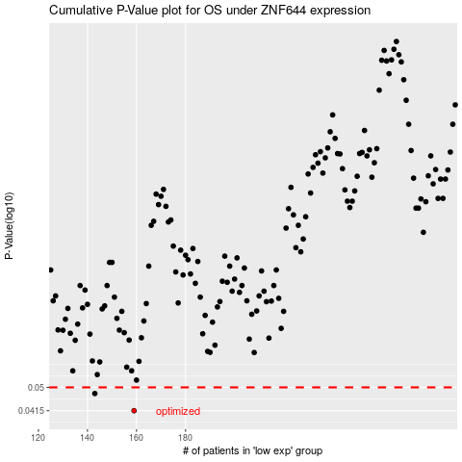

 |  |  |  |  |  | cases_OS | p_OS | rank | exp
 |  |  |  |  |  | 159 | 0.0415 | 400 | -0.37413720854
 |  |  |  |  |  | 143 | 0.0476 | 292 | -0.47155844439
 |  |  |  |  |  |  | cases_RFS | p_RFS | rank | exp
 |  |  |  |  |  |  | 158 | 0.0415 | 222 | -0.37983103182
 |  |  |  |  |  |  | 142 | 0.0476 | 208 | -0.48501771583

