ZNF653 _multivariate
Reported by Tex Li-Hsing Chi. tex@gate.sinica.edu.tw 2019-08-14

Table 2. The clinicopathological features of HNSCC cohort and ZNF653 expression. (Chi square test)
Cutoff at -0.243 (50.0%)
 |  | ZNF653 expression |  | ZNF653 expression |  | (Optimised)
 | Features | Low | (%) | High | (%) | Case no | P-value | Remark | Matthews
Gender | Female | 149 | 35.9 | 157 | 37.8 | 415 | 0.4848 | 0 | 0
2 | Male | 58 | 14 | 51 | 12.3
Age at diagnosis | <=65y | 135 | 32.5 | 139 | 33.5 | 415 | 0.8084 | 0 | 0
4 | >65y | 72 | 17.3 | 69 | 16.6
Clinical T Status | T1+T2 | 70 | 16.9 | 79 | 19 | 415 | 0.4343 | 0 | 0
6 | T3+T4 | 137 | 33 | 129 | 31.1
Clinical N Status | N0 | 105 | 25.3 | 111 | 26.7 | 415 | 0.6598 | 0 | 0
8 | N1-3 | 102 | 24.6 | 97 | 23.4
Clinical M Status | M0 | 205 | 49.4 | 207 | 49.9 | 415 | 0.6232 | 0 | 0
10 | M1 | 2 | 0.5 | 1 | 0.2
Clinical Stage | Stage I+II | 51 | 12.3 | 51 | 12.3 | 415 | 1 | 0 | 0
12 | Stage III+IV | 156 | 37.6 | 157 | 37.8
Surgical Margin status | Negative | 160 | 38.6 | 158 | 38.1 | 415 | 0.8167 | 0 | 0
14 | Positive | 47 | 11.3 | 50 | 12
Tobacco Exposure | Low | 85 | 20.5 | 76 | 18.3 | 415 | 0.3655 | 0 | 0
16 | High | 122 | 29.4 | 132 | 31.8

Table 3. Univariate/Multivariate Cox's proportional hazards regression analyses on OS time of ZNF653 gene expression in HNSCC

 |  | Univariate |  |  |  | Multivariate
 | Features | HR | CI95%(L) | CI95%(H) | P-value | HR | CI95%(L) | CI95%(H) | P-value
1 | Female | 1 |  |  |  | 1
Gender | Male | 1.157 | 0.843 | 1.587 | 0.367 | 1.186 | 0.848 | 1.658 | 0.32
11 | <=65y | 1 |  |  |  | 1
Age at diagnosis | >65y | 1.329 | 0.99 | 1.784 | 0.058 | 1.397 | 1.028 | 1.9 | 0.033
12 | T1+T2 | 1 |  |  |  | 1
Clinical T Status | T3+T4 | 1.409 | 1.028 | 1.931 | 0.033 | 2.171 | 1.147 | 4.11 | 0.017
13 | N0 | 1 |  |  |  | 1
Clinical N Status | N1-3 | 1.185 | 0.89 | 1.577 | 0.246 | 1.241 | 0.87 | 1.771 | 0.234
14 | M0 | 1 |  |  |  | 1
Clinical M Status | M1 | 4.097 | 1.009 | 16.644 | 0.049 | 9.175 | 1.999 | 42.103 | 0.004
15 | Stage I+II | 1 |  |  |  | 1
Clinical Stage | Stage III+IV | 1.245 | 0.882 | 1.759 | 0.213 | 0.513 | 0.238 | 1.102 | 0.087
16 | Negative | 1 |  |  |  | 1
Surgical Margin status | Positive | 1.591 | 1.155 | 2.191 | 0.004 | 1.687 | 1.22 | 2.334 | 0.002
17 | Low | 1 |  |  |  | 1
Tobacco Exposure | High | 1.364 | 1.008 | 1.844 | 0.044 | 1.465 | 1.062 | 2.02 | 0.02
18 | Low | 1 |  |  |  | 1
RNAseq(z-score) | High | 0.905 | 0.679 | 1.206 | 0.496 | 0.882 | 0.659 | 1.182 | 0.401

Table 4. Univariate/Multivariate Cox's proportional hazards regression analyses on RFS time of ZNF653 gene expression in HNSCC

 |  | Univariate |  |  |  | Multivariate
 | Features | HR | CI95%(L) | CI95%(H) | P-value | HR | CI95%(L) | CI95%(H) | P-value
1 | Female | 1 |  |  |  | 1
Gender | Male | 1.157 | 0.843 | 1.587 | 0.367 | 1.186 | 0.848 | 1.658 | 0.32
11 | <=65y | 1 |  |  |  | 1
Age at diagnosis | >65y | 1.329 | 0.99 | 1.784 | 0.058 | 1.397 | 1.028 | 1.9 | 0.033
12 | T1+T2 | 1 |  |  |  | 1
Clinical T Status | T3+T4 | 1.409 | 1.028 | 1.931 | 0.033 | 2.171 | 1.147 | 4.11 | 0.017
13 | N0 | 1 |  |  |  | 1
Clinical N Status | N1-3 | 1.185 | 0.89 | 1.577 | 0.246 | 1.241 | 0.87 | 1.771 | 0.234
14 | M0 | 1 |  |  |  | 1
Clinical M Status | M1 | 4.097 | 1.009 | 16.644 | 0.049 | 9.175 | 1.999 | 42.103 | 0.004
15 | Stage I+II | 1 |  |  |  | 1
Clinical Stage | Stage III+IV | 1.245 | 0.882 | 1.759 | 0.213 | 0.513 | 0.238 | 1.102 | 0.087
16 | Negative | 1 |  |  |  | 1
Surgical Margin status | Positive | 1.591 | 1.155 | 2.191 | 0.004 | 1.687 | 1.22 | 2.334 | 0.002
17 | Low | 1 |  |  |  | 1
Tobacco Exposure | High | 1.364 | 1.008 | 1.844 | 0.044 | 1.465 | 1.062 | 2.02 | 0.02
18 | Low | 1 |  |  |  | 1
RNAseq(z-score) | High | 0.905 | 0.679 | 1.206 | 0.496 | 0.882 | 0.659 | 1.182 | 0.401

Kaplan-Meier survival estimate: Cutoff at -0.243 (50.0%)



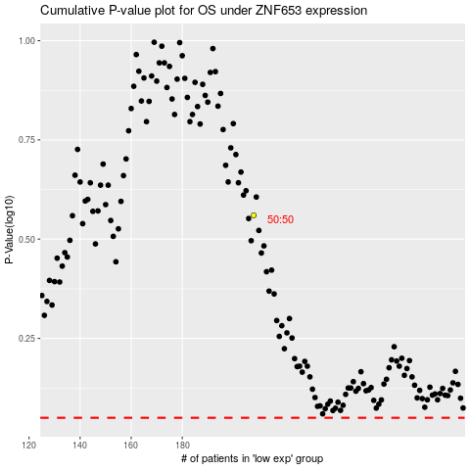

 |  |  |  |  |  | cases_OS | p_OS | rank | exp
 |  |  |  |  |  |  | cases_RFS | p_RFS | rank | exp

