ZNF658 _multivariate
Reported by Tex Li-Hsing Chi. tex@gate.sinica.edu.tw 2019-08-14

Table 2. The clinicopathological features of HNSCC cohort and ZNF658 expression. (Chi square test)
Cutoff at -0.654 (30.7%)
 |  | ZNF658 expression |  | ZNF658 expression |  | (Optimised)
 | Features | Low | (%) | High | (%) | Case no | P-value | Remark | Matthews
Gender | Female | 99 | 23.9 | 207 | 49.9 | 415 | 0.2398 | 0 | 0
2 | Male | 28 | 6.7 | 81 | 19.5
Age at diagnosis | <=65y | 93 | 22.4 | 181 | 43.6 | 415 | 0.0517 | 0 | 0
4 | >65y | 34 | 8.2 | 107 | 25.8
Clinical T Status | T1+T2 | 32 | 7.7 | 117 | 28.2 | 415 | 0.0036 | 1 | 0
6 | T3+T4 | 95 | 22.9 | 171 | 41.2
Clinical N Status | N0 | 63 | 15.2 | 153 | 36.9 | 415 | 0.5792 | 0 | 0
8 | N1-3 | 64 | 15.4 | 135 | 32.5
Clinical M Status | M0 | 127 | 30.6 | 285 | 68.7 | 415 | 0.5562 | 0 | 0
10 | M1 | 0 | 0 | 3 | 0.7
Clinical Stage | Stage I+II | 26 | 6.3 | 76 | 18.3 | 415 | 0.2435 | 0 | 0
12 | Stage III+IV | 101 | 24.3 | 212 | 51.1
Surgical Margin status | Negative | 93 | 22.4 | 225 | 54.2 | 415 | 0.3141 | 0 | 0
14 | Positive | 34 | 8.2 | 63 | 15.2
Tobacco Exposure | Low | 40 | 9.6 | 121 | 29.2 | 415 | 0.0491 | 1 | 0
16 | High | 87 | 21 | 167 | 40.2

Table 3. Univariate/Multivariate Cox's proportional hazards regression analyses on OS time of ZNF658 gene expression in HNSCC

 |  | Univariate |  |  |  | Multivariate
 | Features | HR | CI95%(L) | CI95%(H) | P-value | HR | CI95%(L) | CI95%(H) | P-value
1 | Female | 1 |  |  |  | 1
Gender | Male | 1.157 | 0.843 | 1.587 | 0.367 | 1.207 | 0.864 | 1.686 | 0.27
11 | <=65y | 1 |  |  |  | 1
Age at diagnosis | >65y | 1.329 | 0.99 | 1.784 | 0.058 | 1.42 | 1.043 | 1.933 | 0.026
12 | T1+T2 | 1 |  |  |  | 1
Clinical T Status | T3+T4 | 1.409 | 1.028 | 1.931 | 0.033 | 2.044 | 1.073 | 3.894 | 0.03
13 | N0 | 1 |  |  |  | 1
Clinical N Status | N1-3 | 1.185 | 0.89 | 1.577 | 0.246 | 1.241 | 0.87 | 1.77 | 0.234
14 | M0 | 1 |  |  |  | 1
Clinical M Status | M1 | 4.097 | 1.009 | 16.644 | 0.049 | 9.644 | 2.104 | 44.212 | 0.004
15 | Stage I+II | 1 |  |  |  | 1
Clinical Stage | Stage III+IV | 1.245 | 0.882 | 1.759 | 0.213 | 0.521 | 0.243 | 1.12 | 0.095
16 | Negative | 1 |  |  |  | 1
Surgical Margin status | Positive | 1.591 | 1.155 | 2.191 | 0.004 | 1.634 | 1.181 | 2.261 | 0.003
17 | Low | 1 |  |  |  | 1
Tobacco Exposure | High | 1.364 | 1.008 | 1.844 | 0.044 | 1.442 | 1.045 | 1.989 | 0.026
18 | Low | 1 |  |  |  | 1
RNAseq(z-score) | High | 0.737 | 0.547 | 0.993 | 0.045 | 0.787 | 0.578 | 1.071 | 0.127

Table 4. Univariate/Multivariate Cox's proportional hazards regression analyses on RFS time of ZNF658 gene expression in HNSCC

 |  | Univariate |  |  |  | Multivariate
 | Features | HR | CI95%(L) | CI95%(H) | P-value | HR | CI95%(L) | CI95%(H) | P-value
1 | Female | 1 |  |  |  | 1
Gender | Male | 1.157 | 0.843 | 1.587 | 0.367 | 1.207 | 0.864 | 1.686 | 0.27
11 | <=65y | 1 |  |  |  | 1
Age at diagnosis | >65y | 1.329 | 0.99 | 1.784 | 0.058 | 1.42 | 1.043 | 1.933 | 0.026
12 | T1+T2 | 1 |  |  |  | 1
Clinical T Status | T3+T4 | 1.409 | 1.028 | 1.931 | 0.033 | 2.044 | 1.073 | 3.894 | 0.03
13 | N0 | 1 |  |  |  | 1
Clinical N Status | N1-3 | 1.185 | 0.89 | 1.577 | 0.246 | 1.241 | 0.87 | 1.77 | 0.234
14 | M0 | 1 |  |  |  | 1
Clinical M Status | M1 | 4.097 | 1.009 | 16.644 | 0.049 | 9.644 | 2.104 | 44.212 | 0.004
15 | Stage I+II | 1 |  |  |  | 1
Clinical Stage | Stage III+IV | 1.245 | 0.882 | 1.759 | 0.213 | 0.521 | 0.243 | 1.12 | 0.095
16 | Negative | 1 |  |  |  | 1
Surgical Margin status | Positive | 1.591 | 1.155 | 2.191 | 0.004 | 1.634 | 1.181 | 2.261 | 0.003
17 | Low | 1 |  |  |  | 1
Tobacco Exposure | High | 1.364 | 1.008 | 1.844 | 0.044 | 1.442 | 1.045 | 1.989 | 0.026
18 | Low | 1 |  |  |  | 1
RNAseq(z-score) | High | 0.737 | 0.547 | 0.993 | 0.045 | 0.787 | 0.578 | 1.071 | 0.127

Kaplan-Meier survival estimate: Cutoff at -0.654 (30.7%)



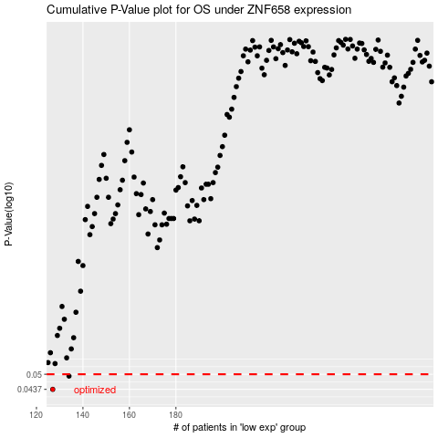

 |  |  |  |  |  | cases_OS | p_OS | rank | exp
 |  |  |  |  |  | 127 | 0.0437 | 30 | -0.65411261148
 |  |  |  |  |  | 134 | 0.0492 | 75 | -0.61956404646
 |  |  |  |  |  |  | cases_RFS | p_RFS | rank | exp
 |  |  |  |  |  |  | 126 | 0.0437 | 64 | -0.65670943131
 |  |  |  |  |  |  | 133 | 0.0492 | 87 | -0.63327222721

