ZNF664 _multivariate
Reported by Tex Li-Hsing Chi. tex@gate.sinica.edu.tw 2019-08-14

Table 2. The clinicopathological features of HNSCC cohort and ZNF664 expression. (Chi square test)
Cutoff at -0.194 (49.8%)
 |  | ZNF664 expression |  | ZNF664 expression |  | (Optimised)
 | Features | Low | (%) | High | (%) | Case no | P-value | Remark | Matthews
Gender | Female | 142 | 34.2 | 164 | 39.5 | 415 | 0.0238 | 1 | 0
2 | Male | 65 | 15.7 | 44 | 10.6
Age at diagnosis | <=65y | 128 | 30.8 | 146 | 35.2 | 415 | 0.0904 | 0 | 0
4 | >65y | 79 | 19 | 62 | 14.9
Clinical T Status | T1+T2 | 79 | 19 | 70 | 16.9 | 415 | 0.3924 | 0 | 0
6 | T3+T4 | 128 | 30.8 | 138 | 33.3
Clinical N Status | N0 | 109 | 26.3 | 107 | 25.8 | 415 | 0.8812 | 0 | 0
8 | N1-3 | 98 | 23.6 | 101 | 24.3
Clinical M Status | M0 | 205 | 49.4 | 207 | 49.9 | 415 | 0.6232 | 0 | 0
10 | M1 | 2 | 0.5 | 1 | 0.2
Clinical Stage | Stage I+II | 54 | 13 | 48 | 11.6 | 415 | 0.5498 | 0 | 0
12 | Stage III+IV | 153 | 36.9 | 160 | 38.6
Surgical Margin status | Negative | 166 | 40 | 152 | 36.6 | 415 | 0.1042 | 0 | 0
14 | Positive | 41 | 9.9 | 56 | 13.5
Tobacco Exposure | Low | 88 | 21.2 | 73 | 17.6 | 415 | 0.1314 | 0 | 0
16 | High | 119 | 28.7 | 135 | 32.5

Table 3. Univariate/Multivariate Cox's proportional hazards regression analyses on OS time of ZNF664 gene expression in HNSCC

 |  | Univariate |  |  |  | Multivariate
 | Features | HR | CI95%(L) | CI95%(H) | P-value | HR | CI95%(L) | CI95%(H) | P-value
1 | Female | 1 |  |  |  | 1
Gender | Male | 1.157 | 0.843 | 1.587 | 0.367 | 1.182 | 0.844 | 1.656 | 0.331
11 | <=65y | 1 |  |  |  | 1
Age at diagnosis | >65y | 1.329 | 0.99 | 1.784 | 0.058 | 1.377 | 1.012 | 1.874 | 0.042
12 | T1+T2 | 1 |  |  |  | 1
Clinical T Status | T3+T4 | 1.409 | 1.028 | 1.931 | 0.033 | 2.203 | 1.165 | 4.165 | 0.015
13 | N0 | 1 |  |  |  | 1
Clinical N Status | N1-3 | 1.185 | 0.89 | 1.577 | 0.246 | 1.235 | 0.866 | 1.762 | 0.244
14 | M0 | 1 |  |  |  | 1
Clinical M Status | M1 | 4.097 | 1.009 | 16.644 | 0.049 | 9.043 | 1.966 | 41.594 | 0.005
15 | Stage I+II | 1 |  |  |  | 1
Clinical Stage | Stage III+IV | 1.245 | 0.882 | 1.759 | 0.213 | 0.512 | 0.238 | 1.101 | 0.087
16 | Negative | 1 |  |  |  | 1
Surgical Margin status | Positive | 1.591 | 1.155 | 2.191 | 0.004 | 1.673 | 1.212 | 2.311 | 0.002
17 | Low | 1 |  |  |  | 1
Tobacco Exposure | High | 1.364 | 1.008 | 1.844 | 0.044 | 1.458 | 1.057 | 2.009 | 0.021
18 | Low | 1 |  |  |  | 1
RNAseq(z-score) | High | 0.878 | 0.659 | 1.17 | 0.376 | 0.893 | 0.665 | 1.199 | 0.453

Table 4. Univariate/Multivariate Cox's proportional hazards regression analyses on RFS time of ZNF664 gene expression in HNSCC

 |  | Univariate |  |  |  | Multivariate
 | Features | HR | CI95%(L) | CI95%(H) | P-value | HR | CI95%(L) | CI95%(H) | P-value
1 | Female | 1 |  |  |  | 1
Gender | Male | 1.157 | 0.843 | 1.587 | 0.367 | 1.182 | 0.844 | 1.656 | 0.331
11 | <=65y | 1 |  |  |  | 1
Age at diagnosis | >65y | 1.329 | 0.99 | 1.784 | 0.058 | 1.377 | 1.012 | 1.874 | 0.042
12 | T1+T2 | 1 |  |  |  | 1
Clinical T Status | T3+T4 | 1.409 | 1.028 | 1.931 | 0.033 | 2.203 | 1.165 | 4.165 | 0.015
13 | N0 | 1 |  |  |  | 1
Clinical N Status | N1-3 | 1.185 | 0.89 | 1.577 | 0.246 | 1.235 | 0.866 | 1.762 | 0.244
14 | M0 | 1 |  |  |  | 1
Clinical M Status | M1 | 4.097 | 1.009 | 16.644 | 0.049 | 9.043 | 1.966 | 41.594 | 0.005
15 | Stage I+II | 1 |  |  |  | 1
Clinical Stage | Stage III+IV | 1.245 | 0.882 | 1.759 | 0.213 | 0.512 | 0.238 | 1.101 | 0.087
16 | Negative | 1 |  |  |  | 1
Surgical Margin status | Positive | 1.591 | 1.155 | 2.191 | 0.004 | 1.673 | 1.212 | 2.311 | 0.002
17 | Low | 1 |  |  |  | 1
Tobacco Exposure | High | 1.364 | 1.008 | 1.844 | 0.044 | 1.458 | 1.057 | 2.009 | 0.021
18 | Low | 1 |  |  |  | 1
RNAseq(z-score) | High | 0.878 | 0.659 | 1.17 | 0.376 | 0.893 | 0.665 | 1.199 | 0.453

Kaplan-Meier survival estimate: Cutoff at -0.194 (49.8%)



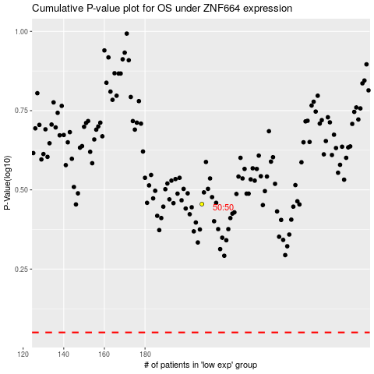

 |  |  |  |  |  | cases_OS | p_OS | rank | exp
 |  |  |  |  |  |  | cases_RFS | p_RFS | rank | exp

