ZNF665 _multivariate
Reported by Tex Li-Hsing Chi. tex@gate.sinica.edu.tw 2019-08-14

Table 2. The clinicopathological features of HNSCC cohort and ZNF665 expression. (Chi square test)
Cutoff at -0.239 (61.4%)
 |  | ZNF665 expression |  | ZNF665 expression |  | (Optimised)
 | Features | Low | (%) | High | (%) | Case no | P-value | Remark | Matthews
Gender | Female | 187 | 45.1 | 119 | 28.7 | 415 | 0.9044 | 0 | 0
2 | Male | 68 | 16.4 | 41 | 9.9
Age at diagnosis | <=65y | 162 | 39 | 112 | 27 | 415 | 0.212 | 0 | 0
4 | >65y | 93 | 22.4 | 48 | 11.6
Clinical T Status | T1+T2 | 84 | 20.2 | 65 | 15.7 | 415 | 0.1381 | 0 | 0
6 | T3+T4 | 171 | 41.2 | 95 | 22.9
Clinical N Status | N0 | 134 | 32.3 | 82 | 19.8 | 415 | 0.8753 | 0 | 0
8 | N1-3 | 121 | 29.2 | 78 | 18.8
Clinical M Status | M0 | 253 | 61 | 159 | 38.3 | 415 | 1 | 0 | 0
10 | M1 | 2 | 0.5 | 1 | 0.2
Clinical Stage | Stage I+II | 59 | 14.2 | 43 | 10.4 | 415 | 0.4571 | 0 | 0
12 | Stage III+IV | 196 | 47.2 | 117 | 28.2
Surgical Margin status | Negative | 191 | 46 | 127 | 30.6 | 415 | 0.3407 | 0 | 0
14 | Positive | 64 | 15.4 | 33 | 8
Tobacco Exposure | Low | 94 | 22.7 | 67 | 16.1 | 415 | 0.3517 | 0 | 0
16 | High | 161 | 38.8 | 93 | 22.4

Table 3. Univariate/Multivariate Cox's proportional hazards regression analyses on OS time of ZNF665 gene expression in HNSCC

 |  | Univariate |  |  |  | Multivariate
 | Features | HR | CI95%(L) | CI95%(H) | P-value | HR | CI95%(L) | CI95%(H) | P-value
1 | Female | 1 |  |  |  | 1
Gender | Male | 1.157 | 0.843 | 1.587 | 0.367 | 1.216 | 0.87 | 1.701 | 0.252
11 | <=65y | 1 |  |  |  | 1
Age at diagnosis | >65y | 1.329 | 0.99 | 1.784 | 0.058 | 1.37 | 1.006 | 1.865 | 0.045
12 | T1+T2 | 1 |  |  |  | 1
Clinical T Status | T3+T4 | 1.409 | 1.028 | 1.931 | 0.033 | 2.162 | 1.142 | 4.09 | 0.018
13 | N0 | 1 |  |  |  | 1
Clinical N Status | N1-3 | 1.185 | 0.89 | 1.577 | 0.246 | 1.242 | 0.87 | 1.772 | 0.232
14 | M0 | 1 |  |  |  | 1
Clinical M Status | M1 | 4.097 | 1.009 | 16.644 | 0.049 | 8.877 | 1.932 | 40.784 | 0.005
15 | Stage I+II | 1 |  |  |  | 1
Clinical Stage | Stage III+IV | 1.245 | 0.882 | 1.759 | 0.213 | 0.508 | 0.237 | 1.09 | 0.082
16 | Negative | 1 |  |  |  | 1
Surgical Margin status | Positive | 1.591 | 1.155 | 2.191 | 0.004 | 1.675 | 1.211 | 2.315 | 0.002
17 | Low | 1 |  |  |  | 1
Tobacco Exposure | High | 1.364 | 1.008 | 1.844 | 0.044 | 1.434 | 1.039 | 1.98 | 0.029
18 | Low | 1 |  |  |  | 1
RNAseq(z-score) | High | 0.733 | 0.542 | 0.992 | 0.044 | 0.783 | 0.577 | 1.062 | 0.116

Table 4. Univariate/Multivariate Cox's proportional hazards regression analyses on RFS time of ZNF665 gene expression in HNSCC

 |  | Univariate |  |  |  | Multivariate
 | Features | HR | CI95%(L) | CI95%(H) | P-value | HR | CI95%(L) | CI95%(H) | P-value
1 | Female | 1 |  |  |  | 1
Gender | Male | 1.157 | 0.843 | 1.587 | 0.367 | 1.216 | 0.87 | 1.701 | 0.252
11 | <=65y | 1 |  |  |  | 1
Age at diagnosis | >65y | 1.329 | 0.99 | 1.784 | 0.058 | 1.37 | 1.006 | 1.865 | 0.045
12 | T1+T2 | 1 |  |  |  | 1
Clinical T Status | T3+T4 | 1.409 | 1.028 | 1.931 | 0.033 | 2.162 | 1.142 | 4.09 | 0.018
13 | N0 | 1 |  |  |  | 1
Clinical N Status | N1-3 | 1.185 | 0.89 | 1.577 | 0.246 | 1.242 | 0.87 | 1.772 | 0.232
14 | M0 | 1 |  |  |  | 1
Clinical M Status | M1 | 4.097 | 1.009 | 16.644 | 0.049 | 8.877 | 1.932 | 40.784 | 0.005
15 | Stage I+II | 1 |  |  |  | 1
Clinical Stage | Stage III+IV | 1.245 | 0.882 | 1.759 | 0.213 | 0.508 | 0.237 | 1.09 | 0.082
16 | Negative | 1 |  |  |  | 1
Surgical Margin status | Positive | 1.591 | 1.155 | 2.191 | 0.004 | 1.675 | 1.211 | 2.315 | 0.002
17 | Low | 1 |  |  |  | 1
Tobacco Exposure | High | 1.364 | 1.008 | 1.844 | 0.044 | 1.434 | 1.039 | 1.98 | 0.029
18 | Low | 1 |  |  |  | 1
RNAseq(z-score) | High | 0.733 | 0.542 | 0.992 | 0.044 | 0.783 | 0.577 | 1.062 | 0.116

Kaplan-Meier survival estimate: Cutoff at -0.239 (61.4%)



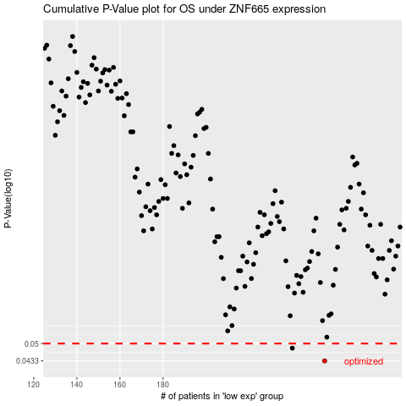

 |  |  |  |  |  | cases_OS | p_OS | rank | exp
 |  |  |  |  |  | 255 | 0.0433 | 233 | -0.2389581878
 |  |  |  |  |  | 240 | 0.0481 | 219 | -0.28575970053
 |  |  |  |  |  |  | cases_RFS | p_RFS | rank | exp
 |  |  |  |  |  |  | 254 | 0.0433 | 155 | -0.23999319015
 |  |  |  |  |  |  | 239 | 0.0481 | 221 | -0.29021236691

