ZNF670 _multivariate
Reported by Tex Li-Hsing Chi. tex@gate.sinica.edu.tw 2019-08-14

Table 2. The clinicopathological features of HNSCC cohort and ZNF670 expression. (Chi square test)
Cutoff at -0.205 (50.0%)
 |  | ZNF670 expression |  | ZNF670 expression |  | (Optimised)
 | Features | Low | (%) | High | (%) | Case no | P-value | Remark | Matthews
Gender | Female | 151 | 36.4 | 155 | 37.3 | 415 | 0.8007 | 0 | 0
2 | Male | 56 | 13.5 | 53 | 12.8
Age at diagnosis | <=65y | 133 | 32 | 141 | 34 | 415 | 0.5111 | 0 | 0
4 | >65y | 74 | 17.8 | 67 | 16.1
Clinical T Status | T1+T2 | 75 | 18.1 | 74 | 17.8 | 415 | 0.9707 | 0 | 0
6 | T3+T4 | 132 | 31.8 | 134 | 32.3
Clinical N Status | N0 | 107 | 25.8 | 109 | 26.3 | 415 | 0.9624 | 0 | 0
8 | N1-3 | 100 | 24.1 | 99 | 23.9
Clinical M Status | M0 | 205 | 49.4 | 207 | 49.9 | 415 | 0.6232 | 0 | 0
10 | M1 | 2 | 0.5 | 1 | 0.2
Clinical Stage | Stage I+II | 54 | 13 | 48 | 11.6 | 415 | 0.5498 | 0 | 0
12 | Stage III+IV | 153 | 36.9 | 160 | 38.6
Surgical Margin status | Negative | 160 | 38.6 | 158 | 38.1 | 415 | 0.8167 | 0 | 0
14 | Positive | 47 | 11.3 | 50 | 12
Tobacco Exposure | Low | 91 | 21.9 | 70 | 16.9 | 415 | 0.0346 | 1 | 0
16 | High | 116 | 28 | 138 | 33.3

Table 3. Univariate/Multivariate Cox's proportional hazards regression analyses on OS time of ZNF670 gene expression in HNSCC

 |  | Univariate |  |  |  | Multivariate
 | Features | HR | CI95%(L) | CI95%(H) | P-value | HR | CI95%(L) | CI95%(H) | P-value
1 | Female | 1 |  |  |  | 1
Gender | Male | 1.157 | 0.843 | 1.587 | 0.367 | 1.204 | 0.862 | 1.681 | 0.276
11 | <=65y | 1 |  |  |  | 1
Age at diagnosis | >65y | 1.329 | 0.99 | 1.784 | 0.058 | 1.407 | 1.034 | 1.914 | 0.03
12 | T1+T2 | 1 |  |  |  | 1
Clinical T Status | T3+T4 | 1.409 | 1.028 | 1.931 | 0.033 | 2.174 | 1.149 | 4.112 | 0.017
13 | N0 | 1 |  |  |  | 1
Clinical N Status | N1-3 | 1.185 | 0.89 | 1.577 | 0.246 | 1.205 | 0.844 | 1.721 | 0.305
14 | M0 | 1 |  |  |  | 1
Clinical M Status | M1 | 4.097 | 1.009 | 16.644 | 0.049 | 9.217 | 2.01 | 42.273 | 0.004
15 | Stage I+II | 1 |  |  |  | 1
Clinical Stage | Stage III+IV | 1.245 | 0.882 | 1.759 | 0.213 | 0.523 | 0.243 | 1.124 | 0.097
16 | Negative | 1 |  |  |  | 1
Surgical Margin status | Positive | 1.591 | 1.155 | 2.191 | 0.004 | 1.687 | 1.221 | 2.332 | 0.002
17 | Low | 1 |  |  |  | 1
Tobacco Exposure | High | 1.364 | 1.008 | 1.844 | 0.044 | 1.493 | 1.082 | 2.061 | 0.015
18 | Low | 1 |  |  |  | 1
RNAseq(z-score) | High | 0.84 | 0.63 | 1.121 | 0.237 | 0.799 | 0.596 | 1.071 | 0.134

Table 4. Univariate/Multivariate Cox's proportional hazards regression analyses on RFS time of ZNF670 gene expression in HNSCC

 |  | Univariate |  |  |  | Multivariate
 | Features | HR | CI95%(L) | CI95%(H) | P-value | HR | CI95%(L) | CI95%(H) | P-value
1 | Female | 1 |  |  |  | 1
Gender | Male | 1.157 | 0.843 | 1.587 | 0.367 | 1.204 | 0.862 | 1.681 | 0.276
11 | <=65y | 1 |  |  |  | 1
Age at diagnosis | >65y | 1.329 | 0.99 | 1.784 | 0.058 | 1.407 | 1.034 | 1.914 | 0.03
12 | T1+T2 | 1 |  |  |  | 1
Clinical T Status | T3+T4 | 1.409 | 1.028 | 1.931 | 0.033 | 2.174 | 1.149 | 4.112 | 0.017
13 | N0 | 1 |  |  |  | 1
Clinical N Status | N1-3 | 1.185 | 0.89 | 1.577 | 0.246 | 1.205 | 0.844 | 1.721 | 0.305
14 | M0 | 1 |  |  |  | 1
Clinical M Status | M1 | 4.097 | 1.009 | 16.644 | 0.049 | 9.217 | 2.01 | 42.273 | 0.004
15 | Stage I+II | 1 |  |  |  | 1
Clinical Stage | Stage III+IV | 1.245 | 0.882 | 1.759 | 0.213 | 0.523 | 0.243 | 1.124 | 0.097
16 | Negative | 1 |  |  |  | 1
Surgical Margin status | Positive | 1.591 | 1.155 | 2.191 | 0.004 | 1.687 | 1.221 | 2.332 | 0.002
17 | Low | 1 |  |  |  | 1
Tobacco Exposure | High | 1.364 | 1.008 | 1.844 | 0.044 | 1.493 | 1.082 | 2.061 | 0.015
18 | Low | 1 |  |  |  | 1
RNAseq(z-score) | High | 0.84 | 0.63 | 1.121 | 0.237 | 0.799 | 0.596 | 1.071 | 0.134

Kaplan-Meier survival estimate: Cutoff at -0.205 (50.0%)



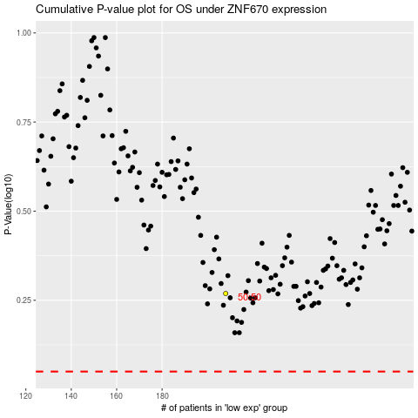

 |  |  |  |  |  | cases_OS | p_OS | rank | exp
 |  |  |  |  |  |  | cases_RFS | p_RFS | rank | exp

