ZNF673 _multivariate
Reported by Tex Li-Hsing Chi. tex@gate.sinica.edu.tw 2019-08-14

Table 2. The clinicopathological features of HNSCC cohort and ZNF673 expression. (Chi square test)
Cutoff at -0.127 (49.8%)
 |  | ZNF673 expression |  | ZNF673 expression |  | (Optimised)
 | Features | Low | (%) | High | (%) | Case no | P-value | Remark | Matthews
Gender | Female | 147 | 35.4 | 159 | 38.3 | 415 | 0.2523 | 0 | 0
2 | Male | 60 | 14.5 | 49 | 11.8
Age at diagnosis | <=65y | 138 | 33.3 | 136 | 32.8 | 415 | 0.8634 | 0 | 0
4 | >65y | 69 | 16.6 | 72 | 17.3
Clinical T Status | T1+T2 | 69 | 16.6 | 80 | 19.3 | 415 | 0.3239 | 0 | 0
6 | T3+T4 | 138 | 33.3 | 128 | 30.8
Clinical N Status | N0 | 104 | 25.1 | 112 | 27 | 415 | 0.5243 | 0 | 0
8 | N1-3 | 103 | 24.8 | 96 | 23.1
Clinical M Status | M0 | 205 | 49.4 | 207 | 49.9 | 415 | 0.6232 | 0 | 0
10 | M1 | 2 | 0.5 | 1 | 0.2
Clinical Stage | Stage I+II | 45 | 10.8 | 57 | 13.7 | 415 | 0.2202 | 0 | 0
12 | Stage III+IV | 162 | 39 | 151 | 36.4
Surgical Margin status | Negative | 168 | 40.5 | 150 | 36.1 | 415 | 0.0366 | 1 | 0
14 | Positive | 39 | 9.4 | 58 | 14
Tobacco Exposure | Low | 87 | 21 | 74 | 17.8 | 415 | 0.1911 | 0 | 0
16 | High | 120 | 28.9 | 134 | 32.3

Table 3. Univariate/Multivariate Cox's proportional hazards regression analyses on OS time of ZNF673 gene expression in HNSCC

 |  | Univariate |  |  |  | Multivariate
 | Features | HR | CI95%(L) | CI95%(H) | P-value | HR | CI95%(L) | CI95%(H) | P-value
1 | Female | 1 |  |  |  | 1
Gender | Male | 1.157 | 0.843 | 1.587 | 0.367 | 1.198 | 0.857 | 1.674 | 0.291
11 | <=65y | 1 |  |  |  | 1
Age at diagnosis | >65y | 1.329 | 0.99 | 1.784 | 0.058 | 1.397 | 1.027 | 1.9 | 0.033
12 | T1+T2 | 1 |  |  |  | 1
Clinical T Status | T3+T4 | 1.409 | 1.028 | 1.931 | 0.033 | 2.204 | 1.165 | 4.167 | 0.015
13 | N0 | 1 |  |  |  | 1
Clinical N Status | N1-3 | 1.185 | 0.89 | 1.577 | 0.246 | 1.243 | 0.871 | 1.773 | 0.23
14 | M0 | 1 |  |  |  | 1
Clinical M Status | M1 | 4.097 | 1.009 | 16.644 | 0.049 | 9.22 | 2.007 | 42.353 | 0.004
15 | Stage I+II | 1 |  |  |  | 1
Clinical Stage | Stage III+IV | 1.245 | 0.882 | 1.759 | 0.213 | 0.5 | 0.233 | 1.074 | 0.075
16 | Negative | 1 |  |  |  | 1
Surgical Margin status | Positive | 1.591 | 1.155 | 2.191 | 0.004 | 1.691 | 1.22 | 2.345 | 0.002
17 | Low | 1 |  |  |  | 1
Tobacco Exposure | High | 1.364 | 1.008 | 1.844 | 0.044 | 1.459 | 1.058 | 2.012 | 0.021
18 | Low | 1 |  |  |  | 1
RNAseq(z-score) | High | 0.968 | 0.727 | 1.289 | 0.824 | 0.929 | 0.694 | 1.245 | 0.622

Table 4. Univariate/Multivariate Cox's proportional hazards regression analyses on RFS time of ZNF673 gene expression in HNSCC

 |  | Univariate |  |  |  | Multivariate
 | Features | HR | CI95%(L) | CI95%(H) | P-value | HR | CI95%(L) | CI95%(H) | P-value
1 | Female | 1 |  |  |  | 1
Gender | Male | 1.157 | 0.843 | 1.587 | 0.367 | 1.198 | 0.857 | 1.674 | 0.291
11 | <=65y | 1 |  |  |  | 1
Age at diagnosis | >65y | 1.329 | 0.99 | 1.784 | 0.058 | 1.397 | 1.027 | 1.9 | 0.033
12 | T1+T2 | 1 |  |  |  | 1
Clinical T Status | T3+T4 | 1.409 | 1.028 | 1.931 | 0.033 | 2.204 | 1.165 | 4.167 | 0.015
13 | N0 | 1 |  |  |  | 1
Clinical N Status | N1-3 | 1.185 | 0.89 | 1.577 | 0.246 | 1.243 | 0.871 | 1.773 | 0.23
14 | M0 | 1 |  |  |  | 1
Clinical M Status | M1 | 4.097 | 1.009 | 16.644 | 0.049 | 9.22 | 2.007 | 42.353 | 0.004
15 | Stage I+II | 1 |  |  |  | 1
Clinical Stage | Stage III+IV | 1.245 | 0.882 | 1.759 | 0.213 | 0.5 | 0.233 | 1.074 | 0.075
16 | Negative | 1 |  |  |  | 1
Surgical Margin status | Positive | 1.591 | 1.155 | 2.191 | 0.004 | 1.691 | 1.22 | 2.345 | 0.002
17 | Low | 1 |  |  |  | 1
Tobacco Exposure | High | 1.364 | 1.008 | 1.844 | 0.044 | 1.459 | 1.058 | 2.012 | 0.021
18 | Low | 1 |  |  |  | 1
RNAseq(z-score) | High | 0.968 | 0.727 | 1.289 | 0.824 | 0.929 | 0.694 | 1.245 | 0.622

Kaplan-Meier survival estimate: Cutoff at -0.127 (49.8%)

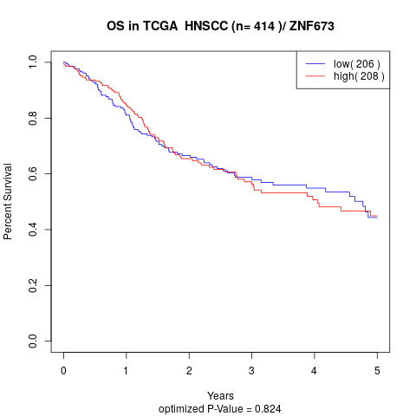

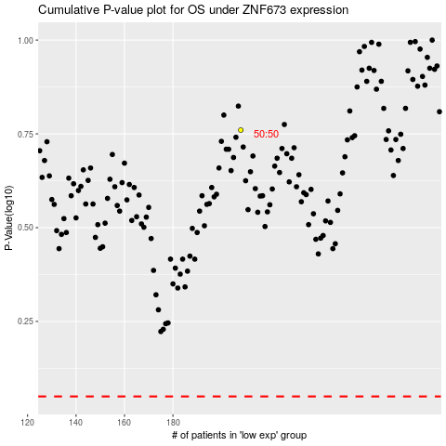

 |  |  |  |  |  | cases_OS | p_OS | rank | exp
 |  |  |  |  |  |  | cases_RFS | p_RFS | rank | exp

