ZNF677 _multivariate
Reported by Tex Li-Hsing Chi. tex@gate.sinica.edu.tw 2019-08-14

Table 2. The clinicopathological features of HNSCC cohort and ZNF677 expression. (Chi square test)
Cutoff at -0.202 (68.1%)
 |  | ZNF677 expression |  | ZNF677 expression |  | (Optimised)
 | Features | Low | (%) | High | (%) | Case no | P-value | Remark | Matthews
Gender | Female | 209 | 50.4 | 97 | 23.4 | 415 | 1 | 0 | 0
2 | Male | 74 | 17.8 | 35 | 8.4
Age at diagnosis | <=65y | 181 | 43.6 | 93 | 22.4 | 415 | 0.234 | 0 | 0
4 | >65y | 102 | 24.6 | 39 | 9.4
Clinical T Status | T1+T2 | 97 | 23.4 | 52 | 12.5 | 415 | 0.3668 | 0 | 0
6 | T3+T4 | 186 | 44.8 | 80 | 19.3
Clinical N Status | N0 | 150 | 36.1 | 66 | 15.9 | 415 | 0.642 | 0 | 0
8 | N1-3 | 133 | 32 | 66 | 15.9
Clinical M Status | M0 | 280 | 67.5 | 132 | 31.8 | 415 | 0.5546 | 0 | 0
10 | M1 | 3 | 0.7 | 0 | 0
Clinical Stage | Stage I+II | 68 | 16.4 | 34 | 8.2 | 415 | 0.7959 | 0 | 0
12 | Stage III+IV | 215 | 51.8 | 98 | 23.6
Surgical Margin status | Negative | 215 | 51.8 | 103 | 24.8 | 415 | 0.7093 | 0 | 0
14 | Positive | 68 | 16.4 | 29 | 7
Tobacco Exposure | Low | 110 | 26.5 | 51 | 12.3 | 415 | 1 | 0 | 0
16 | High | 173 | 41.7 | 81 | 19.5

Table 3. Univariate/Multivariate Cox's proportional hazards regression analyses on OS time of ZNF677 gene expression in HNSCC

 |  | Univariate |  |  |  | Multivariate
 | Features | HR | CI95%(L) | CI95%(H) | P-value | HR | CI95%(L) | CI95%(H) | P-value
1 | Female | 1 |  |  |  | 1
Gender | Male | 1.157 | 0.843 | 1.587 | 0.367 | 1.198 | 0.857 | 1.676 | 0.291
11 | <=65y | 1 |  |  |  | 1
Age at diagnosis | >65y | 1.329 | 0.99 | 1.784 | 0.058 | 1.366 | 1.005 | 1.858 | 0.047
12 | T1+T2 | 1 |  |  |  | 1
Clinical T Status | T3+T4 | 1.409 | 1.028 | 1.931 | 0.033 | 2.174 | 1.149 | 4.114 | 0.017
13 | N0 | 1 |  |  |  | 1
Clinical N Status | N1-3 | 1.185 | 0.89 | 1.577 | 0.246 | 1.261 | 0.884 | 1.799 | 0.201
14 | M0 | 1 |  |  |  | 1
Clinical M Status | M1 | 4.097 | 1.009 | 16.644 | 0.049 | 8.157 | 1.773 | 37.531 | 0.007
15 | Stage I+II | 1 |  |  |  | 1
Clinical Stage | Stage III+IV | 1.245 | 0.882 | 1.759 | 0.213 | 0.502 | 0.234 | 1.077 | 0.077
16 | Negative | 1 |  |  |  | 1
Surgical Margin status | Positive | 1.591 | 1.155 | 2.191 | 0.004 | 1.646 | 1.191 | 2.276 | 0.003
17 | Low | 1 |  |  |  | 1
Tobacco Exposure | High | 1.364 | 1.008 | 1.844 | 0.044 | 1.431 | 1.038 | 1.973 | 0.029
18 | Low | 1 |  |  |  | 1
RNAseq(z-score) | High | 0.607 | 0.436 | 0.846 | 0.003 | 0.653 | 0.468 | 0.912 | 0.012

Table 4. Univariate/Multivariate Cox's proportional hazards regression analyses on RFS time of ZNF677 gene expression in HNSCC

 |  | Univariate |  |  |  | Multivariate
 | Features | HR | CI95%(L) | CI95%(H) | P-value | HR | CI95%(L) | CI95%(H) | P-value
1 | Female | 1 |  |  |  | 1
Gender | Male | 1.157 | 0.843 | 1.587 | 0.367 | 1.198 | 0.857 | 1.676 | 0.291
11 | <=65y | 1 |  |  |  | 1
Age at diagnosis | >65y | 1.329 | 0.99 | 1.784 | 0.058 | 1.366 | 1.005 | 1.858 | 0.047
12 | T1+T2 | 1 |  |  |  | 1
Clinical T Status | T3+T4 | 1.409 | 1.028 | 1.931 | 0.033 | 2.174 | 1.149 | 4.114 | 0.017
13 | N0 | 1 |  |  |  | 1
Clinical N Status | N1-3 | 1.185 | 0.89 | 1.577 | 0.246 | 1.261 | 0.884 | 1.799 | 0.201
14 | M0 | 1 |  |  |  | 1
Clinical M Status | M1 | 4.097 | 1.009 | 16.644 | 0.049 | 8.157 | 1.773 | 37.531 | 0.007
15 | Stage I+II | 1 |  |  |  | 1
Clinical Stage | Stage III+IV | 1.245 | 0.882 | 1.759 | 0.213 | 0.502 | 0.234 | 1.077 | 0.077
16 | Negative | 1 |  |  |  | 1
Surgical Margin status | Positive | 1.591 | 1.155 | 2.191 | 0.004 | 1.646 | 1.191 | 2.276 | 0.003
17 | Low | 1 |  |  |  | 1
Tobacco Exposure | High | 1.364 | 1.008 | 1.844 | 0.044 | 1.431 | 1.038 | 1.973 | 0.029
18 | Low | 1 |  |  |  | 1
RNAseq(z-score) | High | 0.607 | 0.436 | 0.846 | 0.003 | 0.653 | 0.468 | 0.912 | 0.012

Kaplan-Meier survival estimate: Cutoff at -0.202 (68.1%)

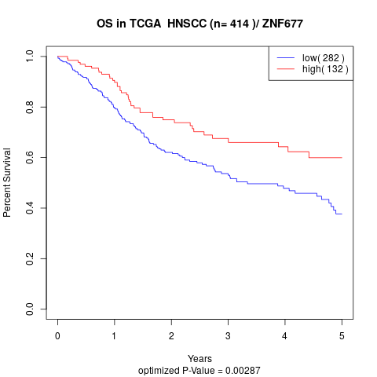

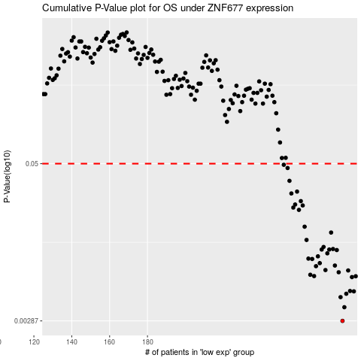

 |  |  |  |  |  | cases_OS | p_OS | rank | exp
 |  |  |  |  |  | 283 | 0.00287 | 83 | -0.20230032181
 |  |  |  |  |  | 284 | 0.00368 | 174 | -0.19997979543
 |  |  |  |  |  | 282 | 0.00442 | 79 | -0.2038511973
 |  |  |  |  |  | 285 | 0.0047 | 362 | -0.19850993583
 |  |  |  |  |  | 289 | 0.00491 | 60 | -0.17035691624
 |  |  |  |  |  | 287 | 0.00494 | 233 | -0.18435530357
 |  |  |  |  |  | 288 | 0.00636 | 267 | -0.18359143953
 |  |  |  |  |  | 290 | 0.00646 | 277 | -0.16545545528
 |  |  |  |  |  | 268 | 0.00648 | 156 | -0.26487930512
 |  |  |  |  |  | 266 | 0.00664 | 71 | -0.26851923303
 |  |  |  |  |  | 281 | 0.00695 | 155 | -0.20461506135
 |  |  |  |  |  | 286 | 0.00718 | 52 | -0.19149627504
 |  |  |  |  |  | 274 | 0.00723 | 406 | -0.23747857588
 |  |  |  |  |  | 269 | 0.00776 | 102 | -0.26334579017
 |  |  |  |  |  | 279 | 0.00785 | 301 | -0.2175023737
 |  |  |  |  |  | 271 | 0.0082 | 169 | -0.25456135364
 |  |  |  |  |  | 267 | 0.00884 | 86 | -0.26710724192
 |  |  |  |  |  | 265 | 0.0089 | 77 | -0.27122747829
 |  |  |  |  |  | 270 | 0.00928 | 72 | -0.25720015671
 |  |  |  |  |  | 275 | 0.0098 | 19 | -0.23701562797
 |  |  |  |  |  | 280 | 0.0104 | 64 | -0.21049449976
 |  |  |  |  |  | 276 | 0.0105 | 51 | -0.23321366829
 |  |  |  |  |  | 272 | 0.0105 | 145 | -0.25081726245
 |  |  |  |  |  | 278 | 0.0106 | 143 | -0.22486324542
 |  |  |  |  |  | 273 | 0.011 | 115 | -0.2483231306
 |  |  |  |  |  | 264 | 0.0125 | 387 | -0.27672498468
 |  |  |  |  |  | 277 | 0.0143 | 92 | -0.23082369972
 |  |  |  |  |  | 263 | 0.0159 | 203 | -0.27982094881
 |  |  |  |  |  | 260 | 0.0216 | 33 | -0.28891787518
 |  |  |  |  |  | 257 | 0.0225 | 197 | -0.29828099659
 |  |  |  |  |  | 262 | 0.0234 | 257 | -0.28618648253
 |  |  |  |  |  | 258 | 0.0238 | 149 | -0.29612250198
 |  |  |  |  |  | 261 | 0.0253 | 279 | -0.28647003812
 |  |  |  |  |  | 256 | 0.0291 | 325 | -0.29992446166
 |  |  |  |  |  | 259 | 0.0301 | 199 | -0.29235526338
 |  |  |  |  |  | 255 | 0.0366 | 107 | -0.30613375046
 |  |  |  |  |  | 254 | 0.0462 | 236 | -0.30690340136
 |  |  |  |  |  | 252 | 0.049 | 178 | -0.31590195129
 |  |  |  |  |  |  | cases_RFS | p_RFS | rank | exp
 |  |  |  |  |  |  | 282 | 0.00287 | 79 | -0.2038511973
 |  |  |  |  |  |  | 283 | 0.00368 | 83 | -0.20230032181
 |  |  |  |  |  |  | 281 | 0.00442 | 155 | -0.20461506135
 |  |  |  |  |  |  | 284 | 0.0047 | 174 | -0.19997979543
 |  |  |  |  |  |  | 288 | 0.00491 | 267 | -0.18359143953
 |  |  |  |  |  |  | 286 | 0.00494 | 52 | -0.19149627504
 |  |  |  |  |  |  | 287 | 0.00636 | 233 | -0.18435530357
 |  |  |  |  |  |  | 289 | 0.00646 | 60 | -0.17035691624
 |  |  |  |  |  |  | 267 | 0.00648 | 86 | -0.26710724192
 |  |  |  |  |  |  | 265 | 0.00664 | 77 | -0.27122747829
 |  |  |  |  |  |  | 280 | 0.00695 | 64 | -0.21049449976
 |  |  |  |  |  |  | 285 | 0.00718 | 362 | -0.19850993583
 |  |  |  |  |  |  | 273 | 0.00723 | 115 | -0.2483231306
 |  |  |  |  |  |  | 268 | 0.00776 | 156 | -0.26487930512
 |  |  |  |  |  |  | 278 | 0.00785 | 143 | -0.22486324542
 |  |  |  |  |  |  | 270 | 0.0082 | 72 | -0.25720015671
 |  |  |  |  |  |  | 266 | 0.00884 | 71 | -0.26851923303
 |  |  |  |  |  |  | 264 | 0.0089 | 387 | -0.27672498468
 |  |  |  |  |  |  | 269 | 0.00928 | 102 | -0.26334579017
 |  |  |  |  |  |  | 274 | 0.0098 | 406 | -0.23747857588
 |  |  |  |  |  |  | 279 | 0.0104 | 301 | -0.2175023737
 |  |  |  |  |  |  | 275 | 0.0105 | 19 | -0.23701562797
 |  |  |  |  |  |  | 271 | 0.0105 | 169 | -0.25456135364
 |  |  |  |  |  |  | 277 | 0.0106 | 92 | -0.23082369972
 |  |  |  |  |  |  | 272 | 0.011 | 145 | -0.25081726245
 |  |  |  |  |  |  | 263 | 0.0125 | 203 | -0.27982094881
 |  |  |  |  |  |  | 276 | 0.0143 | 51 | -0.23321366829
 |  |  |  |  |  |  | 262 | 0.0159 | 257 | -0.28618648253
 |  |  |  |  |  |  | 259 | 0.0216 | 199 | -0.29235526338
 |  |  |  |  |  |  | 256 | 0.0225 | 325 | -0.29992446166
 |  |  |  |  |  |  | 261 | 0.0234 | 279 | -0.28647003812
 |  |  |  |  |  |  | 257 | 0.0238 | 197 | -0.29828099659
 |  |  |  |  |  |  | 260 | 0.0253 | 33 | -0.28891787518
 |  |  |  |  |  |  | 255 | 0.0291 | 107 | -0.30613375046
 |  |  |  |  |  |  | 258 | 0.0301 | 149 | -0.29612250198
 |  |  |  |  |  |  | 254 | 0.0366 | 236 | -0.30690340136
 |  |  |  |  |  |  | 253 | 0.0462 | 371 | -0.31046810024
 |  |  |  |  |  |  | 251 | 0.049 | 278 | -0.31992959808

