ZNF680 _multivariate
Reported by Tex Li-Hsing Chi. tex@gate.sinica.edu.tw 2019-08-14

Table 2. The clinicopathological features of HNSCC cohort and ZNF680 expression. (Chi square test)
Cutoff at -0.255 (49.8%)
 |  | ZNF680 expression |  | ZNF680 expression |  | (Optimised)
 | Features | Low | (%) | High | (%) | Case no | P-value | Remark | Matthews
Gender | Female | 148 | 35.7 | 158 | 38.1 | 415 | 0.3567 | 0 | 0
2 | Male | 59 | 14.2 | 50 | 12
Age at diagnosis | <=65y | 127 | 30.6 | 147 | 35.4 | 415 | 0.0573 | 0 | 0
4 | >65y | 80 | 19.3 | 61 | 14.7
Clinical T Status | T1+T2 | 62 | 14.9 | 87 | 21 | 415 | 0.0156 | 1 | 0
6 | T3+T4 | 145 | 34.9 | 121 | 29.2
Clinical N Status | N0 | 101 | 24.3 | 115 | 27.7 | 415 | 0.2201 | 0 | 0
8 | N1-3 | 106 | 25.5 | 93 | 22.4
Clinical M Status | M0 | 204 | 49.2 | 208 | 50.1 | 415 | 0.1232 | 0 | 0
10 | M1 | 3 | 0.7 | 0 | 0
Clinical Stage | Stage I+II | 37 | 8.9 | 65 | 15.7 | 415 | 0.0023 | 1 | 0
12 | Stage III+IV | 170 | 41 | 143 | 34.5
Surgical Margin status | Negative | 164 | 39.5 | 154 | 37.1 | 415 | 0.2462 | 0 | 0
14 | Positive | 43 | 10.4 | 54 | 13
Tobacco Exposure | Low | 82 | 19.8 | 79 | 19 | 415 | 0.763 | 0 | 0
16 | High | 125 | 30.1 | 129 | 31.1

Table 3. Univariate/Multivariate Cox's proportional hazards regression analyses on OS time of ZNF680 gene expression in HNSCC

 |  | Univariate |  |  |  | Multivariate
 | Features | HR | CI95%(L) | CI95%(H) | P-value | HR | CI95%(L) | CI95%(H) | P-value
1 | Female | 1 |  |  |  | 1
Gender | Male | 1.157 | 0.843 | 1.587 | 0.367 | 1.192 | 0.853 | 1.666 | 0.303
11 | <=65y | 1 |  |  |  | 1
Age at diagnosis | >65y | 1.329 | 0.99 | 1.784 | 0.058 | 1.378 | 1.013 | 1.874 | 0.041
12 | T1+T2 | 1 |  |  |  | 1
Clinical T Status | T3+T4 | 1.409 | 1.028 | 1.931 | 0.033 | 2.184 | 1.155 | 4.131 | 0.016
13 | N0 | 1 |  |  |  | 1
Clinical N Status | N1-3 | 1.185 | 0.89 | 1.577 | 0.246 | 1.235 | 0.866 | 1.763 | 0.244
14 | M0 | 1 |  |  |  | 1
Clinical M Status | M1 | 4.097 | 1.009 | 16.644 | 0.049 | 8.838 | 1.913 | 40.826 | 0.005
15 | Stage I+II | 1 |  |  |  | 1
Clinical Stage | Stage III+IV | 1.245 | 0.882 | 1.759 | 0.213 | 0.497 | 0.231 | 1.067 | 0.073
16 | Negative | 1 |  |  |  | 1
Surgical Margin status | Positive | 1.591 | 1.155 | 2.191 | 0.004 | 1.682 | 1.217 | 2.324 | 0.002
17 | Low | 1 |  |  |  | 1
Tobacco Exposure | High | 1.364 | 1.008 | 1.844 | 0.044 | 1.445 | 1.049 | 1.99 | 0.024
18 | Low | 1 |  |  |  | 1
RNAseq(z-score) | High | 0.821 | 0.616 | 1.095 | 0.179 | 0.89 | 0.662 | 1.197 | 0.441

Table 4. Univariate/Multivariate Cox's proportional hazards regression analyses on RFS time of ZNF680 gene expression in HNSCC

 |  | Univariate |  |  |  | Multivariate
 | Features | HR | CI95%(L) | CI95%(H) | P-value | HR | CI95%(L) | CI95%(H) | P-value
1 | Female | 1 |  |  |  | 1
Gender | Male | 1.157 | 0.843 | 1.587 | 0.367 | 1.192 | 0.853 | 1.666 | 0.303
11 | <=65y | 1 |  |  |  | 1
Age at diagnosis | >65y | 1.329 | 0.99 | 1.784 | 0.058 | 1.378 | 1.013 | 1.874 | 0.041
12 | T1+T2 | 1 |  |  |  | 1
Clinical T Status | T3+T4 | 1.409 | 1.028 | 1.931 | 0.033 | 2.184 | 1.155 | 4.131 | 0.016
13 | N0 | 1 |  |  |  | 1
Clinical N Status | N1-3 | 1.185 | 0.89 | 1.577 | 0.246 | 1.235 | 0.866 | 1.763 | 0.244
14 | M0 | 1 |  |  |  | 1
Clinical M Status | M1 | 4.097 | 1.009 | 16.644 | 0.049 | 8.838 | 1.913 | 40.826 | 0.005
15 | Stage I+II | 1 |  |  |  | 1
Clinical Stage | Stage III+IV | 1.245 | 0.882 | 1.759 | 0.213 | 0.497 | 0.231 | 1.067 | 0.073
16 | Negative | 1 |  |  |  | 1
Surgical Margin status | Positive | 1.591 | 1.155 | 2.191 | 0.004 | 1.682 | 1.217 | 2.324 | 0.002
17 | Low | 1 |  |  |  | 1
Tobacco Exposure | High | 1.364 | 1.008 | 1.844 | 0.044 | 1.445 | 1.049 | 1.99 | 0.024
18 | Low | 1 |  |  |  | 1
RNAseq(z-score) | High | 0.821 | 0.616 | 1.095 | 0.179 | 0.89 | 0.662 | 1.197 | 0.441

Kaplan-Meier survival estimate: Cutoff at -0.255 (49.8%)



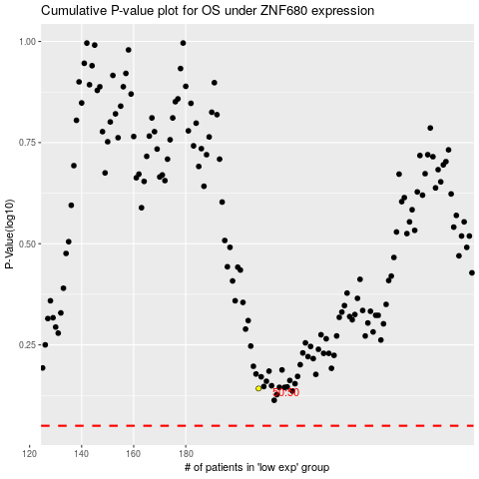

 |  |  |  |  |  | cases_OS | p_OS | rank | exp
 |  |  |  |  |  |  | cases_RFS | p_RFS | rank | exp

