ZNF687 _multivariate
Reported by Tex Li-Hsing Chi. tex@gate.sinica.edu.tw 2019-08-14

Table 2. The clinicopathological features of HNSCC cohort and ZNF687 expression. (Chi square test)
Cutoff at -0.275 (49.8%)
 |  | ZNF687 expression |  | ZNF687 expression |  | (Optimised)
 | Features | Low | (%) | High | (%) | Case no | P-value | Remark | Matthews
Gender | Female | 150 | 36.1 | 156 | 37.6 | 415 | 0.6344 | 0 | 0
2 | Male | 57 | 13.7 | 52 | 12.5
Age at diagnosis | <=65y | 135 | 32.5 | 139 | 33.5 | 415 | 0.8084 | 0 | 0
4 | >65y | 72 | 17.3 | 69 | 16.6
Clinical T Status | T1+T2 | 76 | 18.3 | 73 | 17.6 | 415 | 0.8092 | 0 | 0
6 | T3+T4 | 131 | 31.6 | 135 | 32.5
Clinical N Status | N0 | 108 | 26 | 108 | 26 | 415 | 1 | 0 | 0
8 | N1-3 | 99 | 23.9 | 100 | 24.1
Clinical M Status | M0 | 205 | 49.4 | 207 | 49.9 | 415 | 0.6232 | 0 | 0
10 | M1 | 2 | 0.5 | 1 | 0.2
Clinical Stage | Stage I+II | 54 | 13 | 48 | 11.6 | 415 | 0.5498 | 0 | 0
12 | Stage III+IV | 153 | 36.9 | 160 | 38.6
Surgical Margin status | Negative | 158 | 38.1 | 160 | 38.6 | 415 | 0.9081 | 0 | 0
14 | Positive | 49 | 11.8 | 48 | 11.6
Tobacco Exposure | Low | 83 | 20 | 78 | 18.8 | 415 | 0.6152 | 0 | 0
16 | High | 124 | 29.9 | 130 | 31.3

Table 3. Univariate/Multivariate Cox's proportional hazards regression analyses on OS time of ZNF687 gene expression in HNSCC

 |  | Univariate |  |  |  | Multivariate
 | Features | HR | CI95%(L) | CI95%(H) | P-value | HR | CI95%(L) | CI95%(H) | P-value
1 | Female | 1 |  |  |  | 1
Gender | Male | 1.157 | 0.843 | 1.587 | 0.367 | 1.183 | 0.845 | 1.656 | 0.327
11 | <=65y | 1 |  |  |  | 1
Age at diagnosis | >65y | 1.329 | 0.99 | 1.784 | 0.058 | 1.387 | 1.021 | 1.885 | 0.037
12 | T1+T2 | 1 |  |  |  | 1
Clinical T Status | T3+T4 | 1.409 | 1.028 | 1.931 | 0.033 | 2.183 | 1.155 | 4.127 | 0.016
13 | N0 | 1 |  |  |  | 1
Clinical N Status | N1-3 | 1.185 | 0.89 | 1.577 | 0.246 | 1.24 | 0.869 | 1.77 | 0.235
14 | M0 | 1 |  |  |  | 1
Clinical M Status | M1 | 4.097 | 1.009 | 16.644 | 0.049 | 8.815 | 1.915 | 40.581 | 0.005
15 | Stage I+II | 1 |  |  |  | 1
Clinical Stage | Stage III+IV | 1.245 | 0.882 | 1.759 | 0.213 | 0.517 | 0.24 | 1.11 | 0.091
16 | Negative | 1 |  |  |  | 1
Surgical Margin status | Positive | 1.591 | 1.155 | 2.191 | 0.004 | 1.657 | 1.199 | 2.29 | 0.002
17 | Low | 1 |  |  |  | 1
Tobacco Exposure | High | 1.364 | 1.008 | 1.844 | 0.044 | 1.444 | 1.048 | 1.989 | 0.025
18 | Low | 1 |  |  |  | 1
RNAseq(z-score) | High | 0.818 | 0.614 | 1.09 | 0.171 | 0.855 | 0.639 | 1.144 | 0.292

Table 4. Univariate/Multivariate Cox's proportional hazards regression analyses on RFS time of ZNF687 gene expression in HNSCC

 |  | Univariate |  |  |  | Multivariate
 | Features | HR | CI95%(L) | CI95%(H) | P-value | HR | CI95%(L) | CI95%(H) | P-value
1 | Female | 1 |  |  |  | 1
Gender | Male | 1.157 | 0.843 | 1.587 | 0.367 | 1.183 | 0.845 | 1.656 | 0.327
11 | <=65y | 1 |  |  |  | 1
Age at diagnosis | >65y | 1.329 | 0.99 | 1.784 | 0.058 | 1.387 | 1.021 | 1.885 | 0.037
12 | T1+T2 | 1 |  |  |  | 1
Clinical T Status | T3+T4 | 1.409 | 1.028 | 1.931 | 0.033 | 2.183 | 1.155 | 4.127 | 0.016
13 | N0 | 1 |  |  |  | 1
Clinical N Status | N1-3 | 1.185 | 0.89 | 1.577 | 0.246 | 1.24 | 0.869 | 1.77 | 0.235
14 | M0 | 1 |  |  |  | 1
Clinical M Status | M1 | 4.097 | 1.009 | 16.644 | 0.049 | 8.815 | 1.915 | 40.581 | 0.005
15 | Stage I+II | 1 |  |  |  | 1
Clinical Stage | Stage III+IV | 1.245 | 0.882 | 1.759 | 0.213 | 0.517 | 0.24 | 1.11 | 0.091
16 | Negative | 1 |  |  |  | 1
Surgical Margin status | Positive | 1.591 | 1.155 | 2.191 | 0.004 | 1.657 | 1.199 | 2.29 | 0.002
17 | Low | 1 |  |  |  | 1
Tobacco Exposure | High | 1.364 | 1.008 | 1.844 | 0.044 | 1.444 | 1.048 | 1.989 | 0.025
18 | Low | 1 |  |  |  | 1
RNAseq(z-score) | High | 0.818 | 0.614 | 1.09 | 0.171 | 0.855 | 0.639 | 1.144 | 0.292

Kaplan-Meier survival estimate: Cutoff at -0.275 (49.8%)



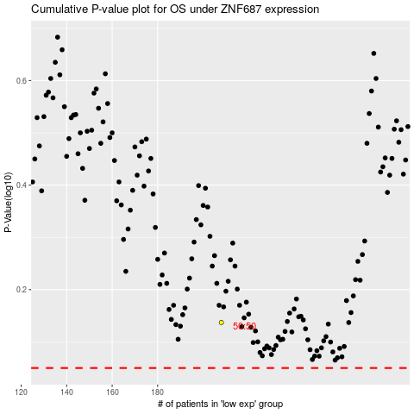

 |  |  |  |  |  | cases_OS | p_OS | rank | exp
 |  |  |  |  |  |  | cases_RFS | p_RFS | rank | exp

