ZNF689 _multivariate
Reported by Tex Li-Hsing Chi. tex@gate.sinica.edu.tw 2019-08-14

Table 2. The clinicopathological features of HNSCC cohort and ZNF689 expression. (Chi square test)
Cutoff at -0.056 (49.8%)
 |  | ZNF689 expression |  | ZNF689 expression |  | (Optimised)
 | Features | Low | (%) | High | (%) | Case no | P-value | Remark | Matthews
Gender | Female | 150 | 36.1 | 156 | 37.6 | 415 | 0.6344 | 0 | 0
2 | Male | 57 | 13.7 | 52 | 12.5
Age at diagnosis | <=65y | 135 | 32.5 | 139 | 33.5 | 415 | 0.8084 | 0 | 0
4 | >65y | 72 | 17.3 | 69 | 16.6
Clinical T Status | T1+T2 | 69 | 16.6 | 80 | 19.3 | 415 | 0.3239 | 0 | 0
6 | T3+T4 | 138 | 33.3 | 128 | 30.8
Clinical N Status | N0 | 104 | 25.1 | 112 | 27 | 415 | 0.5243 | 0 | 0
8 | N1-3 | 103 | 24.8 | 96 | 23.1
Clinical M Status | M0 | 204 | 49.2 | 208 | 50.1 | 415 | 0.1232 | 0 | 0
10 | M1 | 3 | 0.7 | 0 | 0
Clinical Stage | Stage I+II | 45 | 10.8 | 57 | 13.7 | 415 | 0.2202 | 0 | 0
12 | Stage III+IV | 162 | 39 | 151 | 36.4
Surgical Margin status | Negative | 148 | 35.7 | 170 | 41 | 415 | 0.015 | 1 | 0
14 | Positive | 59 | 14.2 | 38 | 9.2
Tobacco Exposure | Low | 88 | 21.2 | 73 | 17.6 | 415 | 0.1314 | 0 | 0
16 | High | 119 | 28.7 | 135 | 32.5

Table 3. Univariate/Multivariate Cox's proportional hazards regression analyses on OS time of ZNF689 gene expression in HNSCC

 |  | Univariate |  |  |  | Multivariate
 | Features | HR | CI95%(L) | CI95%(H) | P-value | HR | CI95%(L) | CI95%(H) | P-value
1 | Female | 1 |  |  |  | 1
Gender | Male | 1.157 | 0.843 | 1.587 | 0.367 | 1.21 | 0.863 | 1.696 | 0.269
11 | <=65y | 1 |  |  |  | 1
Age at diagnosis | >65y | 1.329 | 0.99 | 1.784 | 0.058 | 1.391 | 1.023 | 1.891 | 0.035
12 | T1+T2 | 1 |  |  |  | 1
Clinical T Status | T3+T4 | 1.409 | 1.028 | 1.931 | 0.033 | 2.206 | 1.167 | 4.172 | 0.015
13 | N0 | 1 |  |  |  | 1
Clinical N Status | N1-3 | 1.185 | 0.89 | 1.577 | 0.246 | 1.241 | 0.87 | 1.77 | 0.234
14 | M0 | 1 |  |  |  | 1
Clinical M Status | M1 | 4.097 | 1.009 | 16.644 | 0.049 | 9.641 | 2.082 | 44.651 | 0.004
15 | Stage I+II | 1 |  |  |  | 1
Clinical Stage | Stage III+IV | 1.245 | 0.882 | 1.759 | 0.213 | 0.506 | 0.236 | 1.086 | 0.08
16 | Negative | 1 |  |  |  | 1
Surgical Margin status | Positive | 1.591 | 1.155 | 2.191 | 0.004 | 1.688 | 1.213 | 2.349 | 0.002
17 | Low | 1 |  |  |  | 1
Tobacco Exposure | High | 1.364 | 1.008 | 1.844 | 0.044 | 1.451 | 1.053 | 2 | 0.023
18 | Low | 1 |  |  |  | 1
RNAseq(z-score) | High | 0.921 | 0.692 | 1.228 | 0.577 | 1.043 | 0.773 | 1.407 | 0.784

Table 4. Univariate/Multivariate Cox's proportional hazards regression analyses on RFS time of ZNF689 gene expression in HNSCC

 |  | Univariate |  |  |  | Multivariate
 | Features | HR | CI95%(L) | CI95%(H) | P-value | HR | CI95%(L) | CI95%(H) | P-value
1 | Female | 1 |  |  |  | 1
Gender | Male | 1.157 | 0.843 | 1.587 | 0.367 | 1.21 | 0.863 | 1.696 | 0.269
11 | <=65y | 1 |  |  |  | 1
Age at diagnosis | >65y | 1.329 | 0.99 | 1.784 | 0.058 | 1.391 | 1.023 | 1.891 | 0.035
12 | T1+T2 | 1 |  |  |  | 1
Clinical T Status | T3+T4 | 1.409 | 1.028 | 1.931 | 0.033 | 2.206 | 1.167 | 4.172 | 0.015
13 | N0 | 1 |  |  |  | 1
Clinical N Status | N1-3 | 1.185 | 0.89 | 1.577 | 0.246 | 1.241 | 0.87 | 1.77 | 0.234
14 | M0 | 1 |  |  |  | 1
Clinical M Status | M1 | 4.097 | 1.009 | 16.644 | 0.049 | 9.641 | 2.082 | 44.651 | 0.004
15 | Stage I+II | 1 |  |  |  | 1
Clinical Stage | Stage III+IV | 1.245 | 0.882 | 1.759 | 0.213 | 0.506 | 0.236 | 1.086 | 0.08
16 | Negative | 1 |  |  |  | 1
Surgical Margin status | Positive | 1.591 | 1.155 | 2.191 | 0.004 | 1.688 | 1.213 | 2.349 | 0.002
17 | Low | 1 |  |  |  | 1
Tobacco Exposure | High | 1.364 | 1.008 | 1.844 | 0.044 | 1.451 | 1.053 | 2 | 0.023
18 | Low | 1 |  |  |  | 1
RNAseq(z-score) | High | 0.921 | 0.692 | 1.228 | 0.577 | 1.043 | 0.773 | 1.407 | 0.784

Kaplan-Meier survival estimate: Cutoff at -0.056 (49.8%)



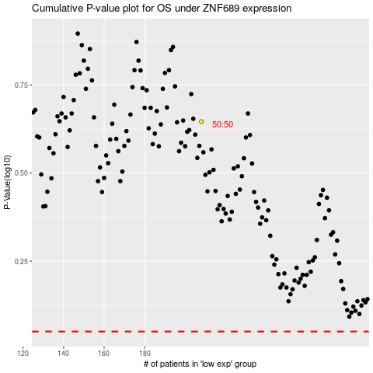

 |  |  |  |  |  | cases_OS | p_OS | rank | exp
 |  |  |  |  |  |  | cases_RFS | p_RFS | rank | exp

