ZNF691 _multivariate
Reported by Tex Li-Hsing Chi. tex@gate.sinica.edu.tw 2019-08-14

Table 2. The clinicopathological features of HNSCC cohort and ZNF691 expression. (Chi square test)
Cutoff at -0.202 (50.7%)
 |  | ZNF691 expression |  | ZNF691 expression |  | (Optimised)
 | Features | Low | (%) | High | (%) | Case no | P-value | Remark | Matthews
Gender | Female | 148 | 35.7 | 158 | 38.1 | 415 | 0.1141 | 0 | 0
2 | Male | 63 | 15.2 | 46 | 11.1
Age at diagnosis | <=65y | 133 | 32 | 141 | 34 | 415 | 0.2283 | 0 | 0
4 | >65y | 78 | 18.8 | 63 | 15.2
Clinical T Status | T1+T2 | 69 | 16.6 | 80 | 19.3 | 415 | 0.2003 | 0 | 0
6 | T3+T4 | 142 | 34.2 | 124 | 29.9
Clinical N Status | N0 | 112 | 27 | 104 | 25.1 | 415 | 0.7415 | 0 | 0
8 | N1-3 | 99 | 23.9 | 100 | 24.1
Clinical M Status | M0 | 211 | 50.8 | 201 | 48.4 | 415 | 0.1179 | 0 | 0
10 | M1 | 0 | 0 | 3 | 0.7
Clinical Stage | Stage I+II | 54 | 13 | 48 | 11.6 | 415 | 0.7084 | 0 | 0
12 | Stage III+IV | 157 | 37.8 | 156 | 37.6
Surgical Margin status | Negative | 165 | 39.8 | 153 | 36.9 | 415 | 0.4869 | 0 | 0
14 | Positive | 46 | 11.1 | 51 | 12.3
Tobacco Exposure | Low | 89 | 21.4 | 72 | 17.3 | 415 | 0.1594 | 0 | 0
16 | High | 122 | 29.4 | 132 | 31.8

Table 3. Univariate/Multivariate Cox's proportional hazards regression analyses on OS time of ZNF691 gene expression in HNSCC

 |  | Univariate |  |  |  | Multivariate
 | Features | HR | CI95%(L) | CI95%(H) | P-value | HR | CI95%(L) | CI95%(H) | P-value
1 | Female | 1 |  |  |  | 1
Gender | Male | 1.157 | 0.843 | 1.587 | 0.367 | 1.18 | 0.843 | 1.652 | 0.335
11 | <=65y | 1 |  |  |  | 1
Age at diagnosis | >65y | 1.329 | 0.99 | 1.784 | 0.058 | 1.363 | 1.001 | 1.856 | 0.049
12 | T1+T2 | 1 |  |  |  | 1
Clinical T Status | T3+T4 | 1.409 | 1.028 | 1.931 | 0.033 | 2.037 | 1.072 | 3.871 | 0.03
13 | N0 | 1 |  |  |  | 1
Clinical N Status | N1-3 | 1.185 | 0.89 | 1.577 | 0.246 | 1.248 | 0.874 | 1.783 | 0.222
14 | M0 | 1 |  |  |  | 1
Clinical M Status | M1 | 4.097 | 1.009 | 16.644 | 0.049 | 10.537 | 2.289 | 48.499 | 0.003
15 | Stage I+II | 1 |  |  |  | 1
Clinical Stage | Stage III+IV | 1.245 | 0.882 | 1.759 | 0.213 | 0.551 | 0.256 | 1.189 | 0.129
16 | Negative | 1 |  |  |  | 1
Surgical Margin status | Positive | 1.591 | 1.155 | 2.191 | 0.004 | 1.748 | 1.26 | 2.423 | 0.001
17 | Low | 1 |  |  |  | 1
Tobacco Exposure | High | 1.364 | 1.008 | 1.844 | 0.044 | 1.507 | 1.09 | 2.084 | 0.013
18 | Low | 1 |  |  |  | 1
RNAseq(z-score) | High | 0.74 | 0.553 | 0.991 | 0.043 | 0.705 | 0.521 | 0.954 | 0.023

Table 4. Univariate/Multivariate Cox's proportional hazards regression analyses on RFS time of ZNF691 gene expression in HNSCC

 |  | Univariate |  |  |  | Multivariate
 | Features | HR | CI95%(L) | CI95%(H) | P-value | HR | CI95%(L) | CI95%(H) | P-value
1 | Female | 1 |  |  |  | 1
Gender | Male | 1.157 | 0.843 | 1.587 | 0.367 | 1.18 | 0.843 | 1.652 | 0.335
11 | <=65y | 1 |  |  |  | 1
Age at diagnosis | >65y | 1.329 | 0.99 | 1.784 | 0.058 | 1.363 | 1.001 | 1.856 | 0.049
12 | T1+T2 | 1 |  |  |  | 1
Clinical T Status | T3+T4 | 1.409 | 1.028 | 1.931 | 0.033 | 2.037 | 1.072 | 3.871 | 0.03
13 | N0 | 1 |  |  |  | 1
Clinical N Status | N1-3 | 1.185 | 0.89 | 1.577 | 0.246 | 1.248 | 0.874 | 1.783 | 0.222
14 | M0 | 1 |  |  |  | 1
Clinical M Status | M1 | 4.097 | 1.009 | 16.644 | 0.049 | 10.537 | 2.289 | 48.499 | 0.003
15 | Stage I+II | 1 |  |  |  | 1
Clinical Stage | Stage III+IV | 1.245 | 0.882 | 1.759 | 0.213 | 0.551 | 0.256 | 1.189 | 0.129
16 | Negative | 1 |  |  |  | 1
Surgical Margin status | Positive | 1.591 | 1.155 | 2.191 | 0.004 | 1.748 | 1.26 | 2.423 | 0.001
17 | Low | 1 |  |  |  | 1
Tobacco Exposure | High | 1.364 | 1.008 | 1.844 | 0.044 | 1.507 | 1.09 | 2.084 | 0.013
18 | Low | 1 |  |  |  | 1
RNAseq(z-score) | High | 0.74 | 0.553 | 0.991 | 0.043 | 0.705 | 0.521 | 0.954 | 0.023

Kaplan-Meier survival estimate: Cutoff at -0.202 (50.7%)



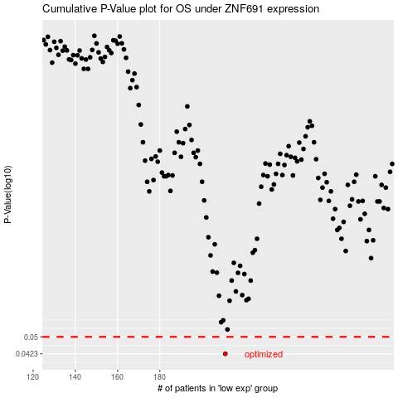

 |  |  |  |  |  | cases_OS | p_OS | rank | exp
 |  |  |  |  |  | 211 | 0.0423 | 109 | -0.20234976629
 |  |  |  |  |  |  | cases_RFS | p_RFS | rank | exp
 |  |  |  |  |  |  | 210 | 0.0423 | 398 | -0.20835104662

