ZNF696 _multivariate
Reported by Tex Li-Hsing Chi. tex@gate.sinica.edu.tw 2019-08-14

Table 2. The clinicopathological features of HNSCC cohort and ZNF696 expression. (Chi square test)
Cutoff at -0.35 (41.5%)
 |  | ZNF696 expression |  | ZNF696 expression |  | (Optimised)
 | Features | Low | (%) | High | (%) | Case no | P-value | Remark | Matthews
Gender | Female | 121 | 29.2 | 185 | 44.6 | 415 | 0.1703 | 0 | 0
2 | Male | 52 | 12.5 | 57 | 13.7
Age at diagnosis | <=65y | 109 | 26.3 | 165 | 39.8 | 415 | 0.3209 | 0 | 0
4 | >65y | 64 | 15.4 | 77 | 18.6
Clinical T Status | T1+T2 | 65 | 15.7 | 84 | 20.2 | 415 | 0.6204 | 0 | 0
6 | T3+T4 | 108 | 26 | 158 | 38.1
Clinical N Status | N0 | 86 | 20.7 | 130 | 31.3 | 415 | 0.4801 | 0 | 0
8 | N1-3 | 87 | 21 | 112 | 27
Clinical M Status | M0 | 173 | 41.7 | 239 | 57.6 | 415 | 0.269 | 0 | 0
10 | M1 | 0 | 0 | 3 | 0.7
Clinical Stage | Stage I+II | 43 | 10.4 | 59 | 14.2 | 415 | 1 | 0 | 0
12 | Stage III+IV | 130 | 31.3 | 183 | 44.1
Surgical Margin status | Negative | 130 | 31.3 | 188 | 45.3 | 415 | 0.5583 | 0 | 0
14 | Positive | 43 | 10.4 | 54 | 13
Tobacco Exposure | Low | 80 | 19.3 | 81 | 19.5 | 415 | 0.0106 | 1 | 0
16 | High | 93 | 22.4 | 161 | 38.8

Table 3. Univariate/Multivariate Cox's proportional hazards regression analyses on OS time of ZNF696 gene expression in HNSCC

 |  | Univariate |  |  |  | Multivariate
 | Features | HR | CI95%(L) | CI95%(H) | P-value | HR | CI95%(L) | CI95%(H) | P-value
1 | Female | 1 |  |  |  | 1
Gender | Male | 1.157 | 0.843 | 1.587 | 0.367 | 1.188 | 0.851 | 1.657 | 0.312
11 | <=65y | 1 |  |  |  | 1
Age at diagnosis | >65y | 1.329 | 0.99 | 1.784 | 0.058 | 1.382 | 1.017 | 1.878 | 0.038
12 | T1+T2 | 1 |  |  |  | 1
Clinical T Status | T3+T4 | 1.409 | 1.028 | 1.931 | 0.033 | 2.327 | 1.228 | 4.409 | 0.01
13 | N0 | 1 |  |  |  | 1
Clinical N Status | N1-3 | 1.185 | 0.89 | 1.577 | 0.246 | 1.262 | 0.885 | 1.799 | 0.2
14 | M0 | 1 |  |  |  | 1
Clinical M Status | M1 | 4.097 | 1.009 | 16.644 | 0.049 | 11.942 | 2.576 | 55.364 | 0.002
15 | Stage I+II | 1 |  |  |  | 1
Clinical Stage | Stage III+IV | 1.245 | 0.882 | 1.759 | 0.213 | 0.472 | 0.219 | 1.015 | 0.055
16 | Negative | 1 |  |  |  | 1
Surgical Margin status | Positive | 1.591 | 1.155 | 2.191 | 0.004 | 1.706 | 1.233 | 2.36 | 0.001
17 | Low | 1 |  |  |  | 1
Tobacco Exposure | High | 1.364 | 1.008 | 1.844 | 0.044 | 1.538 | 1.113 | 2.126 | 0.009
18 | Low | 1 |  |  |  | 1
RNAseq(z-score) | High | 0.729 | 0.546 | 0.973 | 0.032 | 0.658 | 0.489 | 0.884 | 0.005

Table 4. Univariate/Multivariate Cox's proportional hazards regression analyses on RFS time of ZNF696 gene expression in HNSCC

 |  | Univariate |  |  |  | Multivariate
 | Features | HR | CI95%(L) | CI95%(H) | P-value | HR | CI95%(L) | CI95%(H) | P-value
1 | Female | 1 |  |  |  | 1
Gender | Male | 1.157 | 0.843 | 1.587 | 0.367 | 1.188 | 0.851 | 1.657 | 0.312
11 | <=65y | 1 |  |  |  | 1
Age at diagnosis | >65y | 1.329 | 0.99 | 1.784 | 0.058 | 1.382 | 1.017 | 1.878 | 0.038
12 | T1+T2 | 1 |  |  |  | 1
Clinical T Status | T3+T4 | 1.409 | 1.028 | 1.931 | 0.033 | 2.327 | 1.228 | 4.409 | 0.01
13 | N0 | 1 |  |  |  | 1
Clinical N Status | N1-3 | 1.185 | 0.89 | 1.577 | 0.246 | 1.262 | 0.885 | 1.799 | 0.2
14 | M0 | 1 |  |  |  | 1
Clinical M Status | M1 | 4.097 | 1.009 | 16.644 | 0.049 | 11.942 | 2.576 | 55.364 | 0.002
15 | Stage I+II | 1 |  |  |  | 1
Clinical Stage | Stage III+IV | 1.245 | 0.882 | 1.759 | 0.213 | 0.472 | 0.219 | 1.015 | 0.055
16 | Negative | 1 |  |  |  | 1
Surgical Margin status | Positive | 1.591 | 1.155 | 2.191 | 0.004 | 1.706 | 1.233 | 2.36 | 0.001
17 | Low | 1 |  |  |  | 1
Tobacco Exposure | High | 1.364 | 1.008 | 1.844 | 0.044 | 1.538 | 1.113 | 2.126 | 0.009
18 | Low | 1 |  |  |  | 1
RNAseq(z-score) | High | 0.729 | 0.546 | 0.973 | 0.032 | 0.658 | 0.489 | 0.884 | 0.005

Kaplan-Meier survival estimate: Cutoff at -0.35 (41.5%)



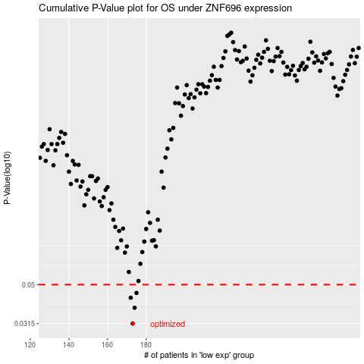

 |  |  |  |  |  | cases_OS | p_OS | rank | exp
 |  |  |  |  |  | 173 | 0.0315 | 17 | -0.35039834337
 |  |  |  |  |  | 174 | 0.038 | 15 | -0.34749968467
 |  |  |  |  |  | 172 | 0.0428 | 204 | -0.3524954952
 |  |  |  |  |  | 175 | 0.0453 | 269 | -0.33179079016
 |  |  |  |  |  |  | cases_RFS | p_RFS | rank | exp
 |  |  |  |  |  |  | 172 | 0.0315 | 204 | -0.3524954952
 |  |  |  |  |  |  | 173 | 0.038 | 17 | -0.35039834337
 |  |  |  |  |  |  | 171 | 0.0428 | 79 | -0.35296188469
 |  |  |  |  |  |  | 174 | 0.0453 | 15 | -0.34749968467

