ZNF703 _multivariate
Reported by Tex Li-Hsing Chi. tex@gate.sinica.edu.tw 2019-08-14

Table 2. The clinicopathological features of HNSCC cohort and ZNF703 expression. (Chi square test)
Cutoff at -0.338 (49.8%)
 |  | ZNF703 expression |  | ZNF703 expression |  | (Optimised)
 | Features | Low | (%) | High | (%) | Case no | P-value | Remark | Matthews
Gender | Female | 149 | 35.9 | 157 | 37.8 | 415 | 0.4848 | 0 | 0
2 | Male | 58 | 14 | 51 | 12.3
Age at diagnosis | <=65y | 134 | 32.3 | 140 | 33.7 | 415 | 0.6529 | 0 | 0
4 | >65y | 73 | 17.6 | 68 | 16.4
Clinical T Status | T1+T2 | 67 | 16.1 | 82 | 19.8 | 415 | 0.1628 | 0 | 0
6 | T3+T4 | 140 | 33.7 | 126 | 30.4
Clinical N Status | N0 | 106 | 25.5 | 110 | 26.5 | 415 | 0.8075 | 0 | 0
8 | N1-3 | 101 | 24.3 | 98 | 23.6
Clinical M Status | M0 | 205 | 49.4 | 207 | 49.9 | 415 | 0.6232 | 0 | 0
10 | M1 | 2 | 0.5 | 1 | 0.2
Clinical Stage | Stage I+II | 50 | 12 | 52 | 12.5 | 415 | 0.9315 | 0 | 0
12 | Stage III+IV | 157 | 37.8 | 156 | 37.6
Surgical Margin status | Negative | 158 | 38.1 | 160 | 38.6 | 415 | 0.9081 | 0 | 0
14 | Positive | 49 | 11.8 | 48 | 11.6
Tobacco Exposure | Low | 89 | 21.4 | 72 | 17.3 | 415 | 0.0872 | 0 | 0
16 | High | 118 | 28.4 | 136 | 32.8

Table 3. Univariate/Multivariate Cox's proportional hazards regression analyses on OS time of ZNF703 gene expression in HNSCC

 |  | Univariate |  |  |  | Multivariate
 | Features | HR | CI95%(L) | CI95%(H) | P-value | HR | CI95%(L) | CI95%(H) | P-value
1 | Female | 1 |  |  |  | 1
Gender | Male | 1.157 | 0.843 | 1.587 | 0.367 | 1.181 | 0.844 | 1.654 | 0.332
11 | <=65y | 1 |  |  |  | 1
Age at diagnosis | >65y | 1.329 | 0.99 | 1.784 | 0.058 | 1.397 | 1.028 | 1.898 | 0.033
12 | T1+T2 | 1 |  |  |  | 1
Clinical T Status | T3+T4 | 1.409 | 1.028 | 1.931 | 0.033 | 2.148 | 1.135 | 4.065 | 0.019
13 | N0 | 1 |  |  |  | 1
Clinical N Status | N1-3 | 1.185 | 0.89 | 1.577 | 0.246 | 1.235 | 0.866 | 1.762 | 0.244
14 | M0 | 1 |  |  |  | 1
Clinical M Status | M1 | 4.097 | 1.009 | 16.644 | 0.049 | 8.992 | 1.959 | 41.276 | 0.005
15 | Stage I+II | 1 |  |  |  | 1
Clinical Stage | Stage III+IV | 1.245 | 0.882 | 1.759 | 0.213 | 0.526 | 0.244 | 1.133 | 0.101
16 | Negative | 1 |  |  |  | 1
Surgical Margin status | Positive | 1.591 | 1.155 | 2.191 | 0.004 | 1.657 | 1.199 | 2.29 | 0.002
17 | Low | 1 |  |  |  | 1
Tobacco Exposure | High | 1.364 | 1.008 | 1.844 | 0.044 | 1.492 | 1.079 | 2.063 | 0.015
18 | Low | 1 |  |  |  | 1
RNAseq(z-score) | High | 0.831 | 0.624 | 1.106 | 0.204 | 0.825 | 0.615 | 1.105 | 0.197

Table 4. Univariate/Multivariate Cox's proportional hazards regression analyses on RFS time of ZNF703 gene expression in HNSCC

 |  | Univariate |  |  |  | Multivariate
 | Features | HR | CI95%(L) | CI95%(H) | P-value | HR | CI95%(L) | CI95%(H) | P-value
1 | Female | 1 |  |  |  | 1
Gender | Male | 1.157 | 0.843 | 1.587 | 0.367 | 1.181 | 0.844 | 1.654 | 0.332
11 | <=65y | 1 |  |  |  | 1
Age at diagnosis | >65y | 1.329 | 0.99 | 1.784 | 0.058 | 1.397 | 1.028 | 1.898 | 0.033
12 | T1+T2 | 1 |  |  |  | 1
Clinical T Status | T3+T4 | 1.409 | 1.028 | 1.931 | 0.033 | 2.148 | 1.135 | 4.065 | 0.019
13 | N0 | 1 |  |  |  | 1
Clinical N Status | N1-3 | 1.185 | 0.89 | 1.577 | 0.246 | 1.235 | 0.866 | 1.762 | 0.244
14 | M0 | 1 |  |  |  | 1
Clinical M Status | M1 | 4.097 | 1.009 | 16.644 | 0.049 | 8.992 | 1.959 | 41.276 | 0.005
15 | Stage I+II | 1 |  |  |  | 1
Clinical Stage | Stage III+IV | 1.245 | 0.882 | 1.759 | 0.213 | 0.526 | 0.244 | 1.133 | 0.101
16 | Negative | 1 |  |  |  | 1
Surgical Margin status | Positive | 1.591 | 1.155 | 2.191 | 0.004 | 1.657 | 1.199 | 2.29 | 0.002
17 | Low | 1 |  |  |  | 1
Tobacco Exposure | High | 1.364 | 1.008 | 1.844 | 0.044 | 1.492 | 1.079 | 2.063 | 0.015
18 | Low | 1 |  |  |  | 1
RNAseq(z-score) | High | 0.831 | 0.624 | 1.106 | 0.204 | 0.825 | 0.615 | 1.105 | 0.197

Kaplan-Meier survival estimate: Cutoff at -0.338 (49.8%)



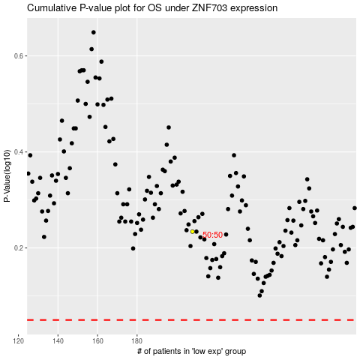

 |  |  |  |  |  | cases_OS | p_OS | rank | exp
 |  |  |  |  |  |  | cases_RFS | p_RFS | rank | exp

