ZNF706 _multivariate
Reported by Tex Li-Hsing Chi. tex@gate.sinica.edu.tw 2019-08-14

Table 2. The clinicopathological features of HNSCC cohort and ZNF706 expression. (Chi square test)
Cutoff at -0.149 (50.0%)
 |  | ZNF706 expression |  | ZNF706 expression |  | (Optimised)
 | Features | Low | (%) | High | (%) | Case no | P-value | Remark | Matthews
Gender | Female | 154 | 37.1 | 152 | 36.6 | 415 | 0.8463 | 0 | 0
2 | Male | 53 | 12.8 | 56 | 13.5
Age at diagnosis | <=65y | 137 | 33 | 137 | 33 | 415 | 1 | 0 | 0
4 | >65y | 70 | 16.9 | 71 | 17.1
Clinical T Status | T1+T2 | 68 | 16.4 | 81 | 19.5 | 415 | 0.2336 | 0 | 0
6 | T3+T4 | 139 | 33.5 | 127 | 30.6
Clinical N Status | N0 | 103 | 24.8 | 113 | 27.2 | 415 | 0.4047 | 0 | 0
8 | N1-3 | 104 | 25.1 | 95 | 22.9
Clinical M Status | M0 | 207 | 49.9 | 205 | 49.4 | 415 | 0.2482 | 0 | 0
10 | M1 | 0 | 0 | 3 | 0.7
Clinical Stage | Stage I+II | 43 | 10.4 | 59 | 14.2 | 415 | 0.0925 | 0 | 0
12 | Stage III+IV | 164 | 39.5 | 149 | 35.9
Surgical Margin status | Negative | 165 | 39.8 | 153 | 36.9 | 415 | 0.1639 | 0 | 0
14 | Positive | 42 | 10.1 | 55 | 13.3
Tobacco Exposure | Low | 79 | 19 | 82 | 19.8 | 415 | 0.8405 | 0 | 0
16 | High | 128 | 30.8 | 126 | 30.4

Table 3. Univariate/Multivariate Cox's proportional hazards regression analyses on OS time of ZNF706 gene expression in HNSCC

 |  | Univariate |  |  |  | Multivariate
 | Features | HR | CI95%(L) | CI95%(H) | P-value | HR | CI95%(L) | CI95%(H) | P-value
1 | Female | 1 |  |  |  | 1
Gender | Male | 1.157 | 0.843 | 1.587 | 0.367 | 1.202 | 0.861 | 1.68 | 0.28
11 | <=65y | 1 |  |  |  | 1
Age at diagnosis | >65y | 1.329 | 0.99 | 1.784 | 0.058 | 1.391 | 1.023 | 1.891 | 0.035
12 | T1+T2 | 1 |  |  |  | 1
Clinical T Status | T3+T4 | 1.409 | 1.028 | 1.931 | 0.033 | 2.206 | 1.166 | 4.175 | 0.015
13 | N0 | 1 |  |  |  | 1
Clinical N Status | N1-3 | 1.185 | 0.89 | 1.577 | 0.246 | 1.24 | 0.869 | 1.77 | 0.235
14 | M0 | 1 |  |  |  | 1
Clinical M Status | M1 | 4.097 | 1.009 | 16.644 | 0.049 | 9.511 | 2.049 | 44.137 | 0.004
15 | Stage I+II | 1 |  |  |  | 1
Clinical Stage | Stage III+IV | 1.245 | 0.882 | 1.759 | 0.213 | 0.503 | 0.234 | 1.082 | 0.079
16 | Negative | 1 |  |  |  | 1
Surgical Margin status | Positive | 1.591 | 1.155 | 2.191 | 0.004 | 1.674 | 1.21 | 2.317 | 0.002
17 | Low | 1 |  |  |  | 1
Tobacco Exposure | High | 1.364 | 1.008 | 1.844 | 0.044 | 1.454 | 1.055 | 2.005 | 0.022
18 | Low | 1 |  |  |  | 1
RNAseq(z-score) | High | 1.025 | 0.768 | 1.368 | 0.867 | 0.983 | 0.733 | 1.32 | 0.911

Table 4. Univariate/Multivariate Cox's proportional hazards regression analyses on RFS time of ZNF706 gene expression in HNSCC

 |  | Univariate |  |  |  | Multivariate
 | Features | HR | CI95%(L) | CI95%(H) | P-value | HR | CI95%(L) | CI95%(H) | P-value
1 | Female | 1 |  |  |  | 1
Gender | Male | 1.157 | 0.843 | 1.587 | 0.367 | 1.202 | 0.861 | 1.68 | 0.28
11 | <=65y | 1 |  |  |  | 1
Age at diagnosis | >65y | 1.329 | 0.99 | 1.784 | 0.058 | 1.391 | 1.023 | 1.891 | 0.035
12 | T1+T2 | 1 |  |  |  | 1
Clinical T Status | T3+T4 | 1.409 | 1.028 | 1.931 | 0.033 | 2.206 | 1.166 | 4.175 | 0.015
13 | N0 | 1 |  |  |  | 1
Clinical N Status | N1-3 | 1.185 | 0.89 | 1.577 | 0.246 | 1.24 | 0.869 | 1.77 | 0.235
14 | M0 | 1 |  |  |  | 1
Clinical M Status | M1 | 4.097 | 1.009 | 16.644 | 0.049 | 9.511 | 2.049 | 44.137 | 0.004
15 | Stage I+II | 1 |  |  |  | 1
Clinical Stage | Stage III+IV | 1.245 | 0.882 | 1.759 | 0.213 | 0.503 | 0.234 | 1.082 | 0.079
16 | Negative | 1 |  |  |  | 1
Surgical Margin status | Positive | 1.591 | 1.155 | 2.191 | 0.004 | 1.674 | 1.21 | 2.317 | 0.002
17 | Low | 1 |  |  |  | 1
Tobacco Exposure | High | 1.364 | 1.008 | 1.844 | 0.044 | 1.454 | 1.055 | 2.005 | 0.022
18 | Low | 1 |  |  |  | 1
RNAseq(z-score) | High | 1.025 | 0.768 | 1.368 | 0.867 | 0.983 | 0.733 | 1.32 | 0.911

Kaplan-Meier survival estimate: Cutoff at -0.149 (50.0%)



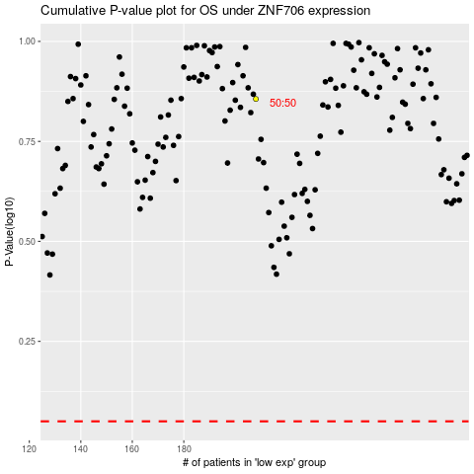

 |  |  |  |  |  | cases_OS | p_OS | rank | exp
 |  |  |  |  |  |  | cases_RFS | p_RFS | rank | exp

