ZNF710 _multivariate
Reported by Tex Li-Hsing Chi. tex@gate.sinica.edu.tw 2019-08-14

Table 2. The clinicopathological features of HNSCC cohort and ZNF710 expression. (Chi square test)
Cutoff at -0.153 (50.0%)
 |  | ZNF710 expression |  | ZNF710 expression |  | (Optimised)
 | Features | Low | (%) | High | (%) | Case no | P-value | Remark | Matthews
Gender | Female | 155 | 37.3 | 151 | 36.4 | 415 | 0.6768 | 0 | 0
2 | Male | 52 | 12.5 | 57 | 13.7
Age at diagnosis | <=65y | 134 | 32.3 | 140 | 33.7 | 415 | 0.6529 | 0 | 0
4 | >65y | 73 | 17.6 | 68 | 16.4
Clinical T Status | T1+T2 | 80 | 19.3 | 69 | 16.6 | 415 | 0.2891 | 0 | 0
6 | T3+T4 | 127 | 30.6 | 139 | 33.5
Clinical N Status | N0 | 103 | 24.8 | 113 | 27.2 | 415 | 0.4047 | 0 | 0
8 | N1-3 | 104 | 25.1 | 95 | 22.9
Clinical M Status | M0 | 205 | 49.4 | 207 | 49.9 | 415 | 0.6232 | 0 | 0
10 | M1 | 2 | 0.5 | 1 | 0.2
Clinical Stage | Stage I+II | 51 | 12.3 | 51 | 12.3 | 415 | 1 | 0 | 0
12 | Stage III+IV | 156 | 37.6 | 157 | 37.8
Surgical Margin status | Negative | 152 | 36.6 | 166 | 40 | 415 | 0.1329 | 0 | 0
14 | Positive | 55 | 13.3 | 42 | 10.1
Tobacco Exposure | Low | 69 | 16.6 | 92 | 22.2 | 415 | 0.0266 | 1 | 0
16 | High | 138 | 33.3 | 116 | 28

Table 3. Univariate/Multivariate Cox's proportional hazards regression analyses on OS time of ZNF710 gene expression in HNSCC

 |  | Univariate |  |  |  | Multivariate
 | Features | HR | CI95%(L) | CI95%(H) | P-value | HR | CI95%(L) | CI95%(H) | P-value
1 | Female | 1 |  |  |  | 1
Gender | Male | 1.157 | 0.843 | 1.587 | 0.367 | 1.188 | 0.849 | 1.662 | 0.315
11 | <=65y | 1 |  |  |  | 1
Age at diagnosis | >65y | 1.329 | 0.99 | 1.784 | 0.058 | 1.383 | 1.017 | 1.88 | 0.038
12 | T1+T2 | 1 |  |  |  | 1
Clinical T Status | T3+T4 | 1.409 | 1.028 | 1.931 | 0.033 | 2.248 | 1.187 | 4.26 | 0.013
13 | N0 | 1 |  |  |  | 1
Clinical N Status | N1-3 | 1.185 | 0.89 | 1.577 | 0.246 | 1.229 | 0.861 | 1.755 | 0.256
14 | M0 | 1 |  |  |  | 1
Clinical M Status | M1 | 4.097 | 1.009 | 16.644 | 0.049 | 9.394 | 2.049 | 43.062 | 0.004
15 | Stage I+II | 1 |  |  |  | 1
Clinical Stage | Stage III+IV | 1.245 | 0.882 | 1.759 | 0.213 | 0.5 | 0.233 | 1.073 | 0.075
16 | Negative | 1 |  |  |  | 1
Surgical Margin status | Positive | 1.591 | 1.155 | 2.191 | 0.004 | 1.662 | 1.202 | 2.297 | 0.002
17 | Low | 1 |  |  |  | 1
Tobacco Exposure | High | 1.364 | 1.008 | 1.844 | 0.044 | 1.41 | 1.015 | 1.959 | 0.04
18 | Low | 1 |  |  |  | 1
RNAseq(z-score) | High | 0.825 | 0.619 | 1.1 | 0.19 | 0.885 | 0.656 | 1.192 | 0.42

Table 4. Univariate/Multivariate Cox's proportional hazards regression analyses on RFS time of ZNF710 gene expression in HNSCC

 |  | Univariate |  |  |  | Multivariate
 | Features | HR | CI95%(L) | CI95%(H) | P-value | HR | CI95%(L) | CI95%(H) | P-value
1 | Female | 1 |  |  |  | 1
Gender | Male | 1.157 | 0.843 | 1.587 | 0.367 | 1.188 | 0.849 | 1.662 | 0.315
11 | <=65y | 1 |  |  |  | 1
Age at diagnosis | >65y | 1.329 | 0.99 | 1.784 | 0.058 | 1.383 | 1.017 | 1.88 | 0.038
12 | T1+T2 | 1 |  |  |  | 1
Clinical T Status | T3+T4 | 1.409 | 1.028 | 1.931 | 0.033 | 2.248 | 1.187 | 4.26 | 0.013
13 | N0 | 1 |  |  |  | 1
Clinical N Status | N1-3 | 1.185 | 0.89 | 1.577 | 0.246 | 1.229 | 0.861 | 1.755 | 0.256
14 | M0 | 1 |  |  |  | 1
Clinical M Status | M1 | 4.097 | 1.009 | 16.644 | 0.049 | 9.394 | 2.049 | 43.062 | 0.004
15 | Stage I+II | 1 |  |  |  | 1
Clinical Stage | Stage III+IV | 1.245 | 0.882 | 1.759 | 0.213 | 0.5 | 0.233 | 1.073 | 0.075
16 | Negative | 1 |  |  |  | 1
Surgical Margin status | Positive | 1.591 | 1.155 | 2.191 | 0.004 | 1.662 | 1.202 | 2.297 | 0.002
17 | Low | 1 |  |  |  | 1
Tobacco Exposure | High | 1.364 | 1.008 | 1.844 | 0.044 | 1.41 | 1.015 | 1.959 | 0.04
18 | Low | 1 |  |  |  | 1
RNAseq(z-score) | High | 0.825 | 0.619 | 1.1 | 0.19 | 0.885 | 0.656 | 1.192 | 0.42

Kaplan-Meier survival estimate: Cutoff at -0.153 (50.0%)



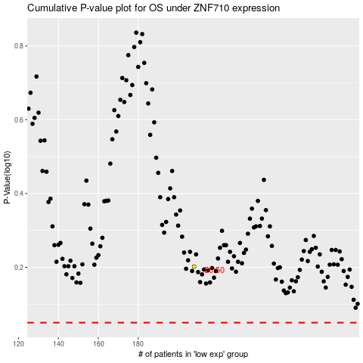

 |  |  |  |  |  | cases_OS | p_OS | rank | exp
 |  |  |  |  |  |  | cases_RFS | p_RFS | rank | exp

