ZNF714 _multivariate
Reported by Tex Li-Hsing Chi. tex@gate.sinica.edu.tw 2019-08-14

Table 2. The clinicopathological features of HNSCC cohort and ZNF714 expression. (Chi square test)
Cutoff at 0.019 (62.8%)
 |  | ZNF714 expression |  | ZNF714 expression |  | (Optimised)
 | Features | Low | (%) | High | (%) | Case no | P-value | Remark | Matthews
Gender | Female | 191 | 46 | 115 | 27.7 | 415 | 0.8267 | 0 | 0
2 | Male | 70 | 16.9 | 39 | 9.4
Age at diagnosis | <=65y | 177 | 42.7 | 97 | 23.4 | 415 | 0.3702 | 0 | 0
4 | >65y | 84 | 20.2 | 57 | 13.7
Clinical T Status | T1+T2 | 86 | 20.7 | 63 | 15.2 | 415 | 0.1268 | 0 | 0
6 | T3+T4 | 175 | 42.2 | 91 | 21.9
Clinical N Status | N0 | 130 | 31.3 | 86 | 20.7 | 415 | 0.2769 | 0 | 0
8 | N1-3 | 131 | 31.6 | 68 | 16.4
Clinical M Status | M0 | 258 | 62.2 | 154 | 37.1 | 415 | 0.2982 | 0 | 0
10 | M1 | 3 | 0.7 | 0 | 0
Clinical Stage | Stage I+II | 57 | 13.7 | 45 | 10.8 | 415 | 0.1166 | 0 | 0
12 | Stage III+IV | 204 | 49.2 | 109 | 26.3
Surgical Margin status | Negative | 208 | 50.1 | 110 | 26.5 | 415 | 0.0713 | 0 | 0
14 | Positive | 53 | 12.8 | 44 | 10.6
Tobacco Exposure | Low | 107 | 25.8 | 54 | 13 | 415 | 0.2521 | 0 | 0
16 | High | 154 | 37.1 | 100 | 24.1

Table 3. Univariate/Multivariate Cox's proportional hazards regression analyses on OS time of ZNF714 gene expression in HNSCC

 |  | Univariate |  |  |  | Multivariate
 | Features | HR | CI95%(L) | CI95%(H) | P-value | HR | CI95%(L) | CI95%(H) | P-value
1 | Female | 1 |  |  |  | 1
Gender | Male | 1.157 | 0.843 | 1.587 | 0.367 | 1.171 | 0.837 | 1.637 | 0.356
11 | <=65y | 1 |  |  |  | 1
Age at diagnosis | >65y | 1.329 | 0.99 | 1.784 | 0.058 | 1.417 | 1.042 | 1.925 | 0.026
12 | T1+T2 | 1 |  |  |  | 1
Clinical T Status | T3+T4 | 1.409 | 1.028 | 1.931 | 0.033 | 2.159 | 1.141 | 4.085 | 0.018
13 | N0 | 1 |  |  |  | 1
Clinical N Status | N1-3 | 1.185 | 0.89 | 1.577 | 0.246 | 1.228 | 0.861 | 1.751 | 0.257
14 | M0 | 1 |  |  |  | 1
Clinical M Status | M1 | 4.097 | 1.009 | 16.644 | 0.049 | 8.274 | 1.799 | 38.059 | 0.007
15 | Stage I+II | 1 |  |  |  | 1
Clinical Stage | Stage III+IV | 1.245 | 0.882 | 1.759 | 0.213 | 0.497 | 0.232 | 1.068 | 0.073
16 | Negative | 1 |  |  |  | 1
Surgical Margin status | Positive | 1.591 | 1.155 | 2.191 | 0.004 | 1.726 | 1.248 | 2.388 | 0.001
17 | Low | 1 |  |  |  | 1
Tobacco Exposure | High | 1.364 | 1.008 | 1.844 | 0.044 | 1.456 | 1.058 | 2.004 | 0.021
18 | Low | 1 |  |  |  | 1
RNAseq(z-score) | High | 0.715 | 0.525 | 0.973 | 0.033 | 0.711 | 0.519 | 0.972 | 0.033

Table 4. Univariate/Multivariate Cox's proportional hazards regression analyses on RFS time of ZNF714 gene expression in HNSCC

 |  | Univariate |  |  |  | Multivariate
 | Features | HR | CI95%(L) | CI95%(H) | P-value | HR | CI95%(L) | CI95%(H) | P-value
1 | Female | 1 |  |  |  | 1
Gender | Male | 1.157 | 0.843 | 1.587 | 0.367 | 1.171 | 0.837 | 1.637 | 0.356
11 | <=65y | 1 |  |  |  | 1
Age at diagnosis | >65y | 1.329 | 0.99 | 1.784 | 0.058 | 1.417 | 1.042 | 1.925 | 0.026
12 | T1+T2 | 1 |  |  |  | 1
Clinical T Status | T3+T4 | 1.409 | 1.028 | 1.931 | 0.033 | 2.159 | 1.141 | 4.085 | 0.018
13 | N0 | 1 |  |  |  | 1
Clinical N Status | N1-3 | 1.185 | 0.89 | 1.577 | 0.246 | 1.228 | 0.861 | 1.751 | 0.257
14 | M0 | 1 |  |  |  | 1
Clinical M Status | M1 | 4.097 | 1.009 | 16.644 | 0.049 | 8.274 | 1.799 | 38.059 | 0.007
15 | Stage I+II | 1 |  |  |  | 1
Clinical Stage | Stage III+IV | 1.245 | 0.882 | 1.759 | 0.213 | 0.497 | 0.232 | 1.068 | 0.073
16 | Negative | 1 |  |  |  | 1
Surgical Margin status | Positive | 1.591 | 1.155 | 2.191 | 0.004 | 1.726 | 1.248 | 2.388 | 0.001
17 | Low | 1 |  |  |  | 1
Tobacco Exposure | High | 1.364 | 1.008 | 1.844 | 0.044 | 1.456 | 1.058 | 2.004 | 0.021
18 | Low | 1 |  |  |  | 1
RNAseq(z-score) | High | 0.715 | 0.525 | 0.973 | 0.033 | 0.711 | 0.519 | 0.972 | 0.033

Kaplan-Meier survival estimate: Cutoff at 0.019 (62.8%)



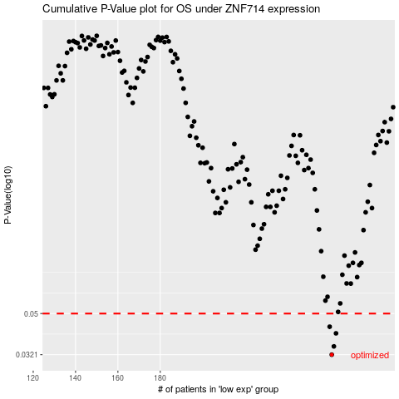

 |  |  |  |  |  | cases_OS | p_OS | rank | exp
 |  |  |  |  |  | 261 | 0.0321 | 22 | 0.019494461539
 |  |  |  |  |  | 262 | 0.0351 | 292 | 0.022204728712
 |  |  |  |  |  | 263 | 0.0404 | 71 | 0.057687127778
 |  |  |  |  |  | 260 | 0.0434 | 68 | 0.0069283601391
 |  |  |  |  |  |  | cases_RFS | p_RFS | rank | exp
 |  |  |  |  |  |  | 260 | 0.0321 | 68 | 0.0069283601391
 |  |  |  |  |  |  | 261 | 0.0351 | 22 | 0.019494461539
 |  |  |  |  |  |  | 262 | 0.0404 | 292 | 0.022204728712
 |  |  |  |  |  |  | 259 | 0.0434 | 287 | -0.0044221922505

