ZNF720 _multivariate
Reported by Tex Li-Hsing Chi. tex@gate.sinica.edu.tw 2019-08-14

Table 2. The clinicopathological features of HNSCC cohort and ZNF720 expression. (Chi square test)
Cutoff at -0.084 (49.8%)
 |  | ZNF720 expression |  | ZNF720 expression |  | (Optimised)
 | Features | Low | (%) | High | (%) | Case no | P-value | Remark | Matthews
Gender | Female | 153 | 36.9 | 153 | 36.9 | 415 | 1 | 0 | 0
2 | Male | 54 | 13 | 55 | 13.3
Age at diagnosis | <=65y | 133 | 32 | 141 | 34 | 415 | 0.5111 | 0 | 0
4 | >65y | 74 | 17.8 | 67 | 16.1
Clinical T Status | T1+T2 | 79 | 19 | 70 | 16.9 | 415 | 0.3924 | 0 | 0
6 | T3+T4 | 128 | 30.8 | 138 | 33.3
Clinical N Status | N0 | 100 | 24.1 | 116 | 28 | 415 | 0.1548 | 0 | 0
8 | N1-3 | 107 | 25.8 | 92 | 22.2
Clinical M Status | M0 | 205 | 49.4 | 207 | 49.9 | 415 | 0.6232 | 0 | 0
10 | M1 | 2 | 0.5 | 1 | 0.2
Clinical Stage | Stage I+II | 51 | 12.3 | 51 | 12.3 | 415 | 1 | 0 | 0
12 | Stage III+IV | 156 | 37.6 | 157 | 37.8
Surgical Margin status | Negative | 165 | 39.8 | 153 | 36.9 | 415 | 0.1639 | 0 | 0
14 | Positive | 42 | 10.1 | 55 | 13.3
Tobacco Exposure | Low | 72 | 17.3 | 89 | 21.4 | 415 | 0.1071 | 0 | 0
16 | High | 135 | 32.5 | 119 | 28.7

Table 3. Univariate/Multivariate Cox's proportional hazards regression analyses on OS time of ZNF720 gene expression in HNSCC

 |  | Univariate |  |  |  | Multivariate
 | Features | HR | CI95%(L) | CI95%(H) | P-value | HR | CI95%(L) | CI95%(H) | P-value
1 | Female | 1 |  |  |  | 1
Gender | Male | 1.157 | 0.843 | 1.587 | 0.367 | 1.203 | 0.861 | 1.681 | 0.278
11 | <=65y | 1 |  |  |  | 1
Age at diagnosis | >65y | 1.329 | 0.99 | 1.784 | 0.058 | 1.384 | 1.017 | 1.882 | 0.039
12 | T1+T2 | 1 |  |  |  | 1
Clinical T Status | T3+T4 | 1.409 | 1.028 | 1.931 | 0.033 | 2.222 | 1.175 | 4.203 | 0.014
13 | N0 | 1 |  |  |  | 1
Clinical N Status | N1-3 | 1.185 | 0.89 | 1.577 | 0.246 | 1.217 | 0.851 | 1.741 | 0.281
14 | M0 | 1 |  |  |  | 1
Clinical M Status | M1 | 4.097 | 1.009 | 16.644 | 0.049 | 9.391 | 2.048 | 43.049 | 0.004
15 | Stage I+II | 1 |  |  |  | 1
Clinical Stage | Stage III+IV | 1.245 | 0.882 | 1.759 | 0.213 | 0.502 | 0.234 | 1.076 | 0.077
16 | Negative | 1 |  |  |  | 1
Surgical Margin status | Positive | 1.591 | 1.155 | 2.191 | 0.004 | 1.715 | 1.236 | 2.379 | 0.001
17 | Low | 1 |  |  |  | 1
Tobacco Exposure | High | 1.364 | 1.008 | 1.844 | 0.044 | 1.428 | 1.034 | 1.972 | 0.031
18 | Low | 1 |  |  |  | 1
RNAseq(z-score) | High | 0.87 | 0.653 | 1.159 | 0.341 | 0.868 | 0.646 | 1.166 | 0.348

Table 4. Univariate/Multivariate Cox's proportional hazards regression analyses on RFS time of ZNF720 gene expression in HNSCC

 |  | Univariate |  |  |  | Multivariate
 | Features | HR | CI95%(L) | CI95%(H) | P-value | HR | CI95%(L) | CI95%(H) | P-value
1 | Female | 1 |  |  |  | 1
Gender | Male | 1.157 | 0.843 | 1.587 | 0.367 | 1.203 | 0.861 | 1.681 | 0.278
11 | <=65y | 1 |  |  |  | 1
Age at diagnosis | >65y | 1.329 | 0.99 | 1.784 | 0.058 | 1.384 | 1.017 | 1.882 | 0.039
12 | T1+T2 | 1 |  |  |  | 1
Clinical T Status | T3+T4 | 1.409 | 1.028 | 1.931 | 0.033 | 2.222 | 1.175 | 4.203 | 0.014
13 | N0 | 1 |  |  |  | 1
Clinical N Status | N1-3 | 1.185 | 0.89 | 1.577 | 0.246 | 1.217 | 0.851 | 1.741 | 0.281
14 | M0 | 1 |  |  |  | 1
Clinical M Status | M1 | 4.097 | 1.009 | 16.644 | 0.049 | 9.391 | 2.048 | 43.049 | 0.004
15 | Stage I+II | 1 |  |  |  | 1
Clinical Stage | Stage III+IV | 1.245 | 0.882 | 1.759 | 0.213 | 0.502 | 0.234 | 1.076 | 0.077
16 | Negative | 1 |  |  |  | 1
Surgical Margin status | Positive | 1.591 | 1.155 | 2.191 | 0.004 | 1.715 | 1.236 | 2.379 | 0.001
17 | Low | 1 |  |  |  | 1
Tobacco Exposure | High | 1.364 | 1.008 | 1.844 | 0.044 | 1.428 | 1.034 | 1.972 | 0.031
18 | Low | 1 |  |  |  | 1
RNAseq(z-score) | High | 0.87 | 0.653 | 1.159 | 0.341 | 0.868 | 0.646 | 1.166 | 0.348

Kaplan-Meier survival estimate: Cutoff at -0.084 (49.8%)



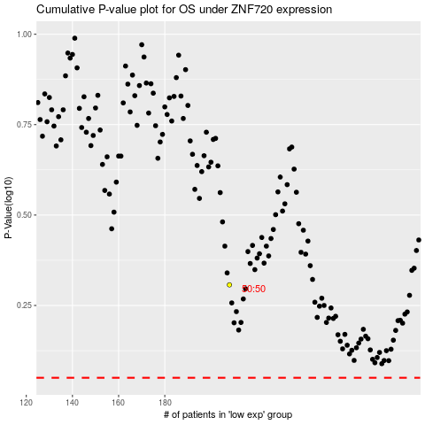

 |  |  |  |  |  | cases_OS | p_OS | rank | exp
 |  |  |  |  |  |  | cases_RFS | p_RFS | rank | exp

