ZNF74 _multivariate
Reported by Tex Li-Hsing Chi. tex@gate.sinica.edu.tw 2019-08-14

Table 2. The clinicopathological features of HNSCC cohort and ZNF74 expression. (Chi square test)
Cutoff at -0.141 (49.8%)
 |  | ZNF74 expression |  | ZNF74 expression |  | (Optimised)
 | Features | Low | (%) | High | (%) | Case no | P-value | Remark | Matthews
Gender | Female | 137 | 33 | 169 | 40.7 | 415 | 7e-04 | 1 | 0
2 | Male | 70 | 16.9 | 39 | 9.4
Age at diagnosis | <=65y | 134 | 32.3 | 140 | 33.7 | 415 | 0.6529 | 0 | 0
4 | >65y | 73 | 17.6 | 68 | 16.4
Clinical T Status | T1+T2 | 87 | 21 | 62 | 14.9 | 415 | 0.0127 | 1 | 0
6 | T3+T4 | 120 | 28.9 | 146 | 35.2
Clinical N Status | N0 | 109 | 26.3 | 107 | 25.8 | 415 | 0.8812 | 0 | 0
8 | N1-3 | 98 | 23.6 | 101 | 24.3
Clinical M Status | M0 | 206 | 49.6 | 206 | 49.6 | 415 | 1 | 0 | 0
10 | M1 | 1 | 0.2 | 2 | 0.5
Clinical Stage | Stage I+II | 59 | 14.2 | 43 | 10.4 | 415 | 0.0822 | 0 | 0
12 | Stage III+IV | 148 | 35.7 | 165 | 39.8
Surgical Margin status | Negative | 151 | 36.4 | 167 | 40.2 | 415 | 0.0828 | 0 | 0
14 | Positive | 56 | 13.5 | 41 | 9.9
Tobacco Exposure | Low | 99 | 23.9 | 62 | 14.9 | 415 | 2e-04 | 1 | 0
16 | High | 108 | 26 | 146 | 35.2

Table 3. Univariate/Multivariate Cox's proportional hazards regression analyses on OS time of ZNF74 gene expression in HNSCC

 |  | Univariate |  |  |  | Multivariate
 | Features | HR | CI95%(L) | CI95%(H) | P-value | HR | CI95%(L) | CI95%(H) | P-value
1 | Female | 1 |  |  |  | 1
Gender | Male | 1.157 | 0.843 | 1.587 | 0.367 | 1.178 | 0.84 | 1.652 | 0.343
11 | <=65y | 1 |  |  |  | 1
Age at diagnosis | >65y | 1.329 | 0.99 | 1.784 | 0.058 | 1.391 | 1.023 | 1.891 | 0.035
12 | T1+T2 | 1 |  |  |  | 1
Clinical T Status | T3+T4 | 1.409 | 1.028 | 1.931 | 0.033 | 2.225 | 1.176 | 4.21 | 0.014
13 | N0 | 1 |  |  |  | 1
Clinical N Status | N1-3 | 1.185 | 0.89 | 1.577 | 0.246 | 1.233 | 0.864 | 1.759 | 0.248
14 | M0 | 1 |  |  |  | 1
Clinical M Status | M1 | 4.097 | 1.009 | 16.644 | 0.049 | 9.559 | 2.084 | 43.837 | 0.004
15 | Stage I+II | 1 |  |  |  | 1
Clinical Stage | Stage III+IV | 1.245 | 0.882 | 1.759 | 0.213 | 0.508 | 0.237 | 1.091 | 0.083
16 | Negative | 1 |  |  |  | 1
Surgical Margin status | Positive | 1.591 | 1.155 | 2.191 | 0.004 | 1.657 | 1.198 | 2.291 | 0.002
17 | Low | 1 |  |  |  | 1
Tobacco Exposure | High | 1.364 | 1.008 | 1.844 | 0.044 | 1.472 | 1.066 | 2.032 | 0.019
18 | Low | 1 |  |  |  | 1
RNAseq(z-score) | High | 0.922 | 0.69 | 1.231 | 0.582 | 0.89 | 0.659 | 1.202 | 0.449

Table 4. Univariate/Multivariate Cox's proportional hazards regression analyses on RFS time of ZNF74 gene expression in HNSCC

 |  | Univariate |  |  |  | Multivariate
 | Features | HR | CI95%(L) | CI95%(H) | P-value | HR | CI95%(L) | CI95%(H) | P-value
1 | Female | 1 |  |  |  | 1
Gender | Male | 1.157 | 0.843 | 1.587 | 0.367 | 1.178 | 0.84 | 1.652 | 0.343
11 | <=65y | 1 |  |  |  | 1
Age at diagnosis | >65y | 1.329 | 0.99 | 1.784 | 0.058 | 1.391 | 1.023 | 1.891 | 0.035
12 | T1+T2 | 1 |  |  |  | 1
Clinical T Status | T3+T4 | 1.409 | 1.028 | 1.931 | 0.033 | 2.225 | 1.176 | 4.21 | 0.014
13 | N0 | 1 |  |  |  | 1
Clinical N Status | N1-3 | 1.185 | 0.89 | 1.577 | 0.246 | 1.233 | 0.864 | 1.759 | 0.248
14 | M0 | 1 |  |  |  | 1
Clinical M Status | M1 | 4.097 | 1.009 | 16.644 | 0.049 | 9.559 | 2.084 | 43.837 | 0.004
15 | Stage I+II | 1 |  |  |  | 1
Clinical Stage | Stage III+IV | 1.245 | 0.882 | 1.759 | 0.213 | 0.508 | 0.237 | 1.091 | 0.083
16 | Negative | 1 |  |  |  | 1
Surgical Margin status | Positive | 1.591 | 1.155 | 2.191 | 0.004 | 1.657 | 1.198 | 2.291 | 0.002
17 | Low | 1 |  |  |  | 1
Tobacco Exposure | High | 1.364 | 1.008 | 1.844 | 0.044 | 1.472 | 1.066 | 2.032 | 0.019
18 | Low | 1 |  |  |  | 1
RNAseq(z-score) | High | 0.922 | 0.69 | 1.231 | 0.582 | 0.89 | 0.659 | 1.202 | 0.449

Kaplan-Meier survival estimate: Cutoff at -0.141 (49.8%)



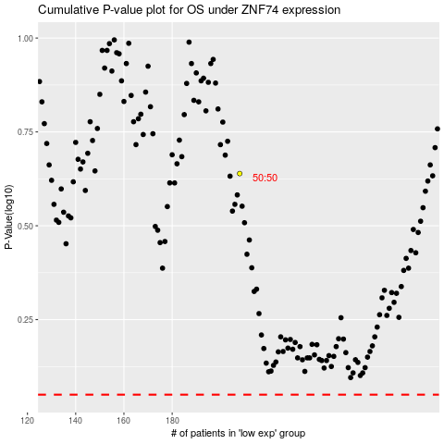

 |  |  |  |  |  | cases_OS | p_OS | rank | exp
 |  |  |  |  |  |  | cases_RFS | p_RFS | rank | exp

