ZNF740 _multivariate
Reported by Tex Li-Hsing Chi. tex@gate.sinica.edu.tw 2019-08-14

Table 2. The clinicopathological features of HNSCC cohort and ZNF740 expression. (Chi square test)
Cutoff at -0.192 (47.8%)
 |  | ZNF740 expression |  | ZNF740 expression |  | (Optimised)
 | Features | Low | (%) | High | (%) | Case no | P-value | Remark | Matthews
Gender | Female | 130 | 31.3 | 176 | 42.4 | 415 | 3e-04 | 1 | 0
2 | Male | 69 | 16.6 | 40 | 9.6
Age at diagnosis | <=65y | 126 | 30.4 | 148 | 35.7 | 415 | 0.3106 | 0 | 0
4 | >65y | 73 | 17.6 | 68 | 16.4
Clinical T Status | T1+T2 | 68 | 16.4 | 81 | 19.5 | 415 | 0.5459 | 0 | 0
6 | T3+T4 | 131 | 31.6 | 135 | 32.5
Clinical N Status | N0 | 98 | 23.6 | 118 | 28.4 | 415 | 0.3181 | 0 | 0
8 | N1-3 | 101 | 24.3 | 98 | 23.6
Clinical M Status | M0 | 198 | 47.7 | 214 | 51.6 | 415 | 1 | 0 | 0
10 | M1 | 1 | 0.2 | 2 | 0.5
Clinical Stage | Stage I+II | 46 | 11.1 | 56 | 13.5 | 415 | 0.5822 | 0 | 0
12 | Stage III+IV | 153 | 36.9 | 160 | 38.6
Surgical Margin status | Negative | 156 | 37.6 | 162 | 39 | 415 | 0.4196 | 0 | 0
14 | Positive | 43 | 10.4 | 54 | 13
Tobacco Exposure | Low | 89 | 21.4 | 72 | 17.3 | 415 | 0.0204 | 1 | 0
16 | High | 110 | 26.5 | 144 | 34.7

Table 3. Univariate/Multivariate Cox's proportional hazards regression analyses on OS time of ZNF740 gene expression in HNSCC

 |  | Univariate |  |  |  | Multivariate
 | Features | HR | CI95%(L) | CI95%(H) | P-value | HR | CI95%(L) | CI95%(H) | P-value
1 | Female | 1 |  |  |  | 1
Gender | Male | 1.157 | 0.843 | 1.587 | 0.367 | 1.109 | 0.787 | 1.563 | 0.553
11 | <=65y | 1 |  |  |  | 1
Age at diagnosis | >65y | 1.329 | 0.99 | 1.784 | 0.058 | 1.398 | 1.029 | 1.898 | 0.032
12 | T1+T2 | 1 |  |  |  | 1
Clinical T Status | T3+T4 | 1.409 | 1.028 | 1.931 | 0.033 | 2.121 | 1.122 | 4.011 | 0.021
13 | N0 | 1 |  |  |  | 1
Clinical N Status | N1-3 | 1.185 | 0.89 | 1.577 | 0.246 | 1.204 | 0.843 | 1.72 | 0.307
14 | M0 | 1 |  |  |  | 1
Clinical M Status | M1 | 4.097 | 1.009 | 16.644 | 0.049 | 9.256 | 2.021 | 42.397 | 0.004
15 | Stage I+II | 1 |  |  |  | 1
Clinical Stage | Stage III+IV | 1.245 | 0.882 | 1.759 | 0.213 | 0.53 | 0.247 | 1.139 | 0.104
16 | Negative | 1 |  |  |  | 1
Surgical Margin status | Positive | 1.591 | 1.155 | 2.191 | 0.004 | 1.661 | 1.203 | 2.294 | 0.002
17 | Low | 1 |  |  |  | 1
Tobacco Exposure | High | 1.364 | 1.008 | 1.844 | 0.044 | 1.491 | 1.082 | 2.055 | 0.015
18 | Low | 1 |  |  |  | 1
RNAseq(z-score) | High | 0.75 | 0.563 | 0.999 | 0.049 | 0.748 | 0.554 | 1.011 | 0.059

Table 4. Univariate/Multivariate Cox's proportional hazards regression analyses on RFS time of ZNF740 gene expression in HNSCC

 |  | Univariate |  |  |  | Multivariate
 | Features | HR | CI95%(L) | CI95%(H) | P-value | HR | CI95%(L) | CI95%(H) | P-value
1 | Female | 1 |  |  |  | 1
Gender | Male | 1.157 | 0.843 | 1.587 | 0.367 | 1.109 | 0.787 | 1.563 | 0.553
11 | <=65y | 1 |  |  |  | 1
Age at diagnosis | >65y | 1.329 | 0.99 | 1.784 | 0.058 | 1.398 | 1.029 | 1.898 | 0.032
12 | T1+T2 | 1 |  |  |  | 1
Clinical T Status | T3+T4 | 1.409 | 1.028 | 1.931 | 0.033 | 2.121 | 1.122 | 4.011 | 0.021
13 | N0 | 1 |  |  |  | 1
Clinical N Status | N1-3 | 1.185 | 0.89 | 1.577 | 0.246 | 1.204 | 0.843 | 1.72 | 0.307
14 | M0 | 1 |  |  |  | 1
Clinical M Status | M1 | 4.097 | 1.009 | 16.644 | 0.049 | 9.256 | 2.021 | 42.397 | 0.004
15 | Stage I+II | 1 |  |  |  | 1
Clinical Stage | Stage III+IV | 1.245 | 0.882 | 1.759 | 0.213 | 0.53 | 0.247 | 1.139 | 0.104
16 | Negative | 1 |  |  |  | 1
Surgical Margin status | Positive | 1.591 | 1.155 | 2.191 | 0.004 | 1.661 | 1.203 | 2.294 | 0.002
17 | Low | 1 |  |  |  | 1
Tobacco Exposure | High | 1.364 | 1.008 | 1.844 | 0.044 | 1.491 | 1.082 | 2.055 | 0.015
18 | Low | 1 |  |  |  | 1
RNAseq(z-score) | High | 0.75 | 0.563 | 0.999 | 0.049 | 0.748 | 0.554 | 1.011 | 0.059

Kaplan-Meier survival estimate: Cutoff at -0.192 (47.8%)



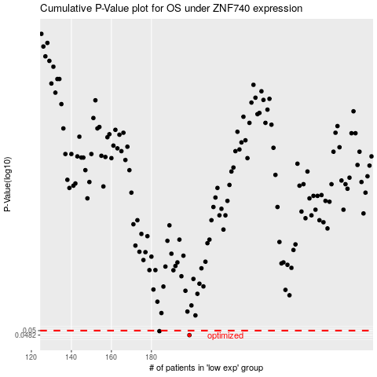

 |  |  |  |  |  | cases_OS | p_OS | rank | exp
 |  |  |  |  |  | 199 | 0.0482 | 109 | -0.1921686957
 |  |  |  |  |  | 184 | 0.0498 | 33 | -0.29020413077
 |  |  |  |  |  |  | cases_RFS | p_RFS | rank | exp
 |  |  |  |  |  |  | 198 | 0.0482 | 248 | -0.20180127988
 |  |  |  |  |  |  | 183 | 0.0498 | 361 | -0.29637198514

