ZNF750 _multivariate
Reported by Tex Li-Hsing Chi. tex@gate.sinica.edu.tw 2019-08-14

Table 2. The clinicopathological features of HNSCC cohort and ZNF750 expression. (Chi square test)
Cutoff at -0.37 (50.0%)
 |  | ZNF750 expression |  | ZNF750 expression |  | (Optimised)
 | Features | Low | (%) | High | (%) | Case no | P-value | Remark | Matthews
Gender | Female | 151 | 36.4 | 155 | 37.3 | 415 | 0.8007 | 0 | 0
2 | Male | 56 | 13.5 | 53 | 12.8
Age at diagnosis | <=65y | 136 | 32.8 | 138 | 33.3 | 415 | 0.9719 | 0 | 0
4 | >65y | 71 | 17.1 | 70 | 16.9
Clinical T Status | T1+T2 | 83 | 20 | 66 | 15.9 | 415 | 0.0941 | 0 | 0
6 | T3+T4 | 124 | 29.9 | 142 | 34.2
Clinical N Status | N0 | 102 | 24.6 | 114 | 27.5 | 415 | 0.3031 | 0 | 0
8 | N1-3 | 105 | 25.3 | 94 | 22.7
Clinical M Status | M0 | 205 | 49.4 | 207 | 49.9 | 415 | 0.6232 | 0 | 0
10 | M1 | 2 | 0.5 | 1 | 0.2
Clinical Stage | Stage I+II | 57 | 13.7 | 45 | 10.8 | 415 | 0.1998 | 0 | 0
12 | Stage III+IV | 150 | 36.1 | 163 | 39.3
Surgical Margin status | Negative | 156 | 37.6 | 162 | 39 | 415 | 0.5636 | 0 | 0
14 | Positive | 51 | 12.3 | 46 | 11.1
Tobacco Exposure | Low | 78 | 18.8 | 83 | 20 | 415 | 0.6873 | 0 | 0
16 | High | 129 | 31.1 | 125 | 30.1

Table 3. Univariate/Multivariate Cox's proportional hazards regression analyses on OS time of ZNF750 gene expression in HNSCC

 |  | Univariate |  |  |  | Multivariate
 | Features | HR | CI95%(L) | CI95%(H) | P-value | HR | CI95%(L) | CI95%(H) | P-value
1 | Female | 1 |  |  |  | 1
Gender | Male | 1.157 | 0.843 | 1.587 | 0.367 | 1.205 | 0.863 | 1.684 | 0.274
11 | <=65y | 1 |  |  |  | 1
Age at diagnosis | >65y | 1.329 | 0.99 | 1.784 | 0.058 | 1.378 | 1.013 | 1.874 | 0.041
12 | T1+T2 | 1 |  |  |  | 1
Clinical T Status | T3+T4 | 1.409 | 1.028 | 1.931 | 0.033 | 2.215 | 1.172 | 4.189 | 0.014
13 | N0 | 1 |  |  |  | 1
Clinical N Status | N1-3 | 1.185 | 0.89 | 1.577 | 0.246 | 1.216 | 0.851 | 1.738 | 0.283
14 | M0 | 1 |  |  |  | 1
Clinical M Status | M1 | 4.097 | 1.009 | 16.644 | 0.049 | 9.323 | 2.034 | 42.733 | 0.004
15 | Stage I+II | 1 |  |  |  | 1
Clinical Stage | Stage III+IV | 1.245 | 0.882 | 1.759 | 0.213 | 0.513 | 0.239 | 1.102 | 0.087
16 | Negative | 1 |  |  |  | 1
Surgical Margin status | Positive | 1.591 | 1.155 | 2.191 | 0.004 | 1.673 | 1.211 | 2.311 | 0.002
17 | Low | 1 |  |  |  | 1
Tobacco Exposure | High | 1.364 | 1.008 | 1.844 | 0.044 | 1.446 | 1.049 | 1.992 | 0.024
18 | Low | 1 |  |  |  | 1
RNAseq(z-score) | High | 0.861 | 0.646 | 1.147 | 0.307 | 0.856 | 0.64 | 1.144 | 0.293

Table 4. Univariate/Multivariate Cox's proportional hazards regression analyses on RFS time of ZNF750 gene expression in HNSCC

 |  | Univariate |  |  |  | Multivariate
 | Features | HR | CI95%(L) | CI95%(H) | P-value | HR | CI95%(L) | CI95%(H) | P-value
1 | Female | 1 |  |  |  | 1
Gender | Male | 1.157 | 0.843 | 1.587 | 0.367 | 1.205 | 0.863 | 1.684 | 0.274
11 | <=65y | 1 |  |  |  | 1
Age at diagnosis | >65y | 1.329 | 0.99 | 1.784 | 0.058 | 1.378 | 1.013 | 1.874 | 0.041
12 | T1+T2 | 1 |  |  |  | 1
Clinical T Status | T3+T4 | 1.409 | 1.028 | 1.931 | 0.033 | 2.215 | 1.172 | 4.189 | 0.014
13 | N0 | 1 |  |  |  | 1
Clinical N Status | N1-3 | 1.185 | 0.89 | 1.577 | 0.246 | 1.216 | 0.851 | 1.738 | 0.283
14 | M0 | 1 |  |  |  | 1
Clinical M Status | M1 | 4.097 | 1.009 | 16.644 | 0.049 | 9.323 | 2.034 | 42.733 | 0.004
15 | Stage I+II | 1 |  |  |  | 1
Clinical Stage | Stage III+IV | 1.245 | 0.882 | 1.759 | 0.213 | 0.513 | 0.239 | 1.102 | 0.087
16 | Negative | 1 |  |  |  | 1
Surgical Margin status | Positive | 1.591 | 1.155 | 2.191 | 0.004 | 1.673 | 1.211 | 2.311 | 0.002
17 | Low | 1 |  |  |  | 1
Tobacco Exposure | High | 1.364 | 1.008 | 1.844 | 0.044 | 1.446 | 1.049 | 1.992 | 0.024
18 | Low | 1 |  |  |  | 1
RNAseq(z-score) | High | 0.861 | 0.646 | 1.147 | 0.307 | 0.856 | 0.64 | 1.144 | 0.293

Kaplan-Meier survival estimate: Cutoff at -0.37 (50.0%)



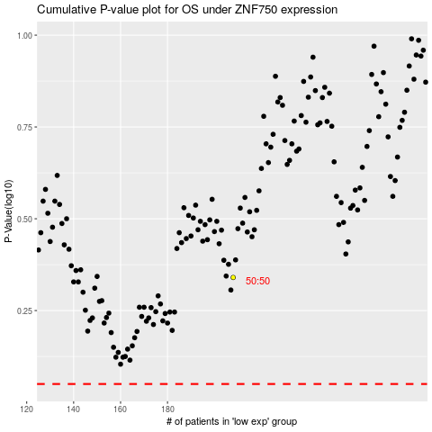

 |  |  |  |  |  | cases_OS | p_OS | rank | exp
 |  |  |  |  |  |  | cases_RFS | p_RFS | rank | exp

