ZNF75D _multivariate
Reported by Tex Li-Hsing Chi. tex@gate.sinica.edu.tw 2019-08-14

Table 2. The clinicopathological features of HNSCC cohort and ZNF75D expression. (Chi square test)
Cutoff at -0.183 (49.8%)
 |  | ZNF75D expression |  | ZNF75D expression |  | (Optimised)
 | Features | Low | (%) | High | (%) | Case no | P-value | Remark | Matthews
Gender | Female | 154 | 37.1 | 152 | 36.6 | 415 | 0.8463 | 0 | 0
2 | Male | 53 | 12.8 | 56 | 13.5
Age at diagnosis | <=65y | 128 | 30.8 | 146 | 35.2 | 415 | 0.0904 | 0 | 0
4 | >65y | 79 | 19 | 62 | 14.9
Clinical T Status | T1+T2 | 64 | 15.4 | 85 | 20.5 | 415 | 0.0445 | 1 | 0
6 | T3+T4 | 143 | 34.5 | 123 | 29.6
Clinical N Status | N0 | 102 | 24.6 | 114 | 27.5 | 415 | 0.3031 | 0 | 0
8 | N1-3 | 105 | 25.3 | 94 | 22.7
Clinical M Status | M0 | 205 | 49.4 | 207 | 49.9 | 415 | 0.6232 | 0 | 0
10 | M1 | 2 | 0.5 | 1 | 0.2
Clinical Stage | Stage I+II | 46 | 11.1 | 56 | 13.5 | 415 | 0.3182 | 0 | 0
12 | Stage III+IV | 161 | 38.8 | 152 | 36.6
Surgical Margin status | Negative | 160 | 38.6 | 158 | 38.1 | 415 | 0.8167 | 0 | 0
14 | Positive | 47 | 11.3 | 50 | 12
Tobacco Exposure | Low | 79 | 19 | 82 | 19.8 | 415 | 0.8405 | 0 | 0
16 | High | 128 | 30.8 | 126 | 30.4

Table 3. Univariate/Multivariate Cox's proportional hazards regression analyses on OS time of ZNF75D gene expression in HNSCC

 |  | Univariate |  |  |  | Multivariate
 | Features | HR | CI95%(L) | CI95%(H) | P-value | HR | CI95%(L) | CI95%(H) | P-value
1 | Female | 1 |  |  |  | 1
Gender | Male | 1.157 | 0.843 | 1.587 | 0.367 | 1.206 | 0.863 | 1.685 | 0.273
11 | <=65y | 1 |  |  |  | 1
Age at diagnosis | >65y | 1.329 | 0.99 | 1.784 | 0.058 | 1.386 | 1.019 | 1.884 | 0.038
12 | T1+T2 | 1 |  |  |  | 1
Clinical T Status | T3+T4 | 1.409 | 1.028 | 1.931 | 0.033 | 2.15 | 1.131 | 4.088 | 0.02
13 | N0 | 1 |  |  |  | 1
Clinical N Status | N1-3 | 1.185 | 0.89 | 1.577 | 0.246 | 1.228 | 0.859 | 1.756 | 0.259
14 | M0 | 1 |  |  |  | 1
Clinical M Status | M1 | 4.097 | 1.009 | 16.644 | 0.049 | 9.203 | 2.004 | 42.266 | 0.004
15 | Stage I+II | 1 |  |  |  | 1
Clinical Stage | Stage III+IV | 1.245 | 0.882 | 1.759 | 0.213 | 0.517 | 0.24 | 1.115 | 0.093
16 | Negative | 1 |  |  |  | 1
Surgical Margin status | Positive | 1.591 | 1.155 | 2.191 | 0.004 | 1.68 | 1.216 | 2.323 | 0.002
17 | Low | 1 |  |  |  | 1
Tobacco Exposure | High | 1.364 | 1.008 | 1.844 | 0.044 | 1.456 | 1.056 | 2.007 | 0.022
18 | Low | 1 |  |  |  | 1
RNAseq(z-score) | High | 0.881 | 0.66 | 1.176 | 0.39 | 0.921 | 0.687 | 1.235 | 0.582

Table 4. Univariate/Multivariate Cox's proportional hazards regression analyses on RFS time of ZNF75D gene expression in HNSCC

 |  | Univariate |  |  |  | Multivariate
 | Features | HR | CI95%(L) | CI95%(H) | P-value | HR | CI95%(L) | CI95%(H) | P-value
1 | Female | 1 |  |  |  | 1
Gender | Male | 1.157 | 0.843 | 1.587 | 0.367 | 1.206 | 0.863 | 1.685 | 0.273
11 | <=65y | 1 |  |  |  | 1
Age at diagnosis | >65y | 1.329 | 0.99 | 1.784 | 0.058 | 1.386 | 1.019 | 1.884 | 0.038
12 | T1+T2 | 1 |  |  |  | 1
Clinical T Status | T3+T4 | 1.409 | 1.028 | 1.931 | 0.033 | 2.15 | 1.131 | 4.088 | 0.02
13 | N0 | 1 |  |  |  | 1
Clinical N Status | N1-3 | 1.185 | 0.89 | 1.577 | 0.246 | 1.228 | 0.859 | 1.756 | 0.259
14 | M0 | 1 |  |  |  | 1
Clinical M Status | M1 | 4.097 | 1.009 | 16.644 | 0.049 | 9.203 | 2.004 | 42.266 | 0.004
15 | Stage I+II | 1 |  |  |  | 1
Clinical Stage | Stage III+IV | 1.245 | 0.882 | 1.759 | 0.213 | 0.517 | 0.24 | 1.115 | 0.093
16 | Negative | 1 |  |  |  | 1
Surgical Margin status | Positive | 1.591 | 1.155 | 2.191 | 0.004 | 1.68 | 1.216 | 2.323 | 0.002
17 | Low | 1 |  |  |  | 1
Tobacco Exposure | High | 1.364 | 1.008 | 1.844 | 0.044 | 1.456 | 1.056 | 2.007 | 0.022
18 | Low | 1 |  |  |  | 1
RNAseq(z-score) | High | 0.881 | 0.66 | 1.176 | 0.39 | 0.921 | 0.687 | 1.235 | 0.582

Kaplan-Meier survival estimate: Cutoff at -0.183 (49.8%)



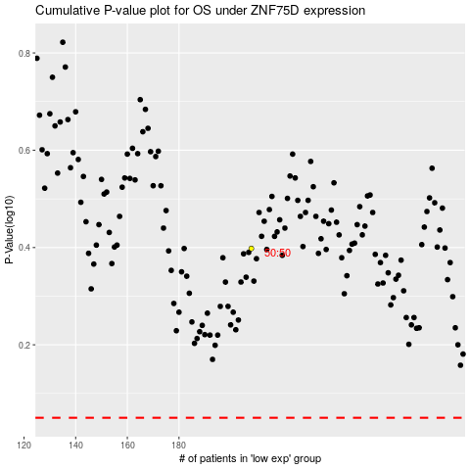

 |  |  |  |  |  | cases_OS | p_OS | rank | exp
 |  |  |  |  |  |  | cases_RFS | p_RFS | rank | exp

