ZNF761 _multivariate
Reported by Tex Li-Hsing Chi. tex@gate.sinica.edu.tw 2019-08-14

Table 2. The clinicopathological features of HNSCC cohort and ZNF761 expression. (Chi square test)
Cutoff at -0.14 (49.8%)
 |  | ZNF761 expression |  | ZNF761 expression |  | (Optimised)
 | Features | Low | (%) | High | (%) | Case no | P-value | Remark | Matthews
Gender | Female | 140 | 33.7 | 166 | 40 | 415 | 0.0068 | 1 | 0
2 | Male | 67 | 16.1 | 42 | 10.1
Age at diagnosis | <=65y | 134 | 32.3 | 140 | 33.7 | 415 | 0.6529 | 0 | 0
4 | >65y | 73 | 17.6 | 68 | 16.4
Clinical T Status | T1+T2 | 69 | 16.6 | 80 | 19.3 | 415 | 0.3239 | 0 | 0
6 | T3+T4 | 138 | 33.3 | 128 | 30.8
Clinical N Status | N0 | 106 | 25.5 | 110 | 26.5 | 415 | 0.8075 | 0 | 0
8 | N1-3 | 101 | 24.3 | 98 | 23.6
Clinical M Status | M0 | 206 | 49.6 | 206 | 49.6 | 415 | 1 | 0 | 0
10 | M1 | 1 | 0.2 | 2 | 0.5
Clinical Stage | Stage I+II | 43 | 10.4 | 59 | 14.2 | 415 | 0.0925 | 0 | 0
12 | Stage III+IV | 164 | 39.5 | 149 | 35.9
Surgical Margin status | Negative | 162 | 39 | 156 | 37.6 | 415 | 0.4867 | 0 | 0
14 | Positive | 45 | 10.8 | 52 | 12.5
Tobacco Exposure | Low | 90 | 21.7 | 71 | 17.1 | 415 | 0.0559 | 0 | 0
16 | High | 117 | 28.2 | 137 | 33

Table 3. Univariate/Multivariate Cox's proportional hazards regression analyses on OS time of ZNF761 gene expression in HNSCC

 |  | Univariate |  |  |  | Multivariate
 | Features | HR | CI95%(L) | CI95%(H) | P-value | HR | CI95%(L) | CI95%(H) | P-value
1 | Female | 1 |  |  |  | 1
Gender | Male | 1.157 | 0.843 | 1.587 | 0.367 | 1.207 | 0.863 | 1.689 | 0.271
11 | <=65y | 1 |  |  |  | 1
Age at diagnosis | >65y | 1.329 | 0.99 | 1.784 | 0.058 | 1.394 | 1.025 | 1.896 | 0.034
12 | T1+T2 | 1 |  |  |  | 1
Clinical T Status | T3+T4 | 1.409 | 1.028 | 1.931 | 0.033 | 2.202 | 1.165 | 4.164 | 0.015
13 | N0 | 1 |  |  |  | 1
Clinical N Status | N1-3 | 1.185 | 0.89 | 1.577 | 0.246 | 1.24 | 0.869 | 1.77 | 0.235
14 | M0 | 1 |  |  |  | 1
Clinical M Status | M1 | 4.097 | 1.009 | 16.644 | 0.049 | 9.365 | 2.043 | 42.937 | 0.004
15 | Stage I+II | 1 |  |  |  | 1
Clinical Stage | Stage III+IV | 1.245 | 0.882 | 1.759 | 0.213 | 0.509 | 0.237 | 1.094 | 0.084
16 | Negative | 1 |  |  |  | 1
Surgical Margin status | Positive | 1.591 | 1.155 | 2.191 | 0.004 | 1.663 | 1.201 | 2.301 | 0.002
17 | Low | 1 |  |  |  | 1
Tobacco Exposure | High | 1.364 | 1.008 | 1.844 | 0.044 | 1.443 | 1.045 | 1.994 | 0.026
18 | Low | 1 |  |  |  | 1
RNAseq(z-score) | High | 1.057 | 0.794 | 1.408 | 0.704 | 1.048 | 0.78 | 1.408 | 0.757

Table 4. Univariate/Multivariate Cox's proportional hazards regression analyses on RFS time of ZNF761 gene expression in HNSCC

 |  | Univariate |  |  |  | Multivariate
 | Features | HR | CI95%(L) | CI95%(H) | P-value | HR | CI95%(L) | CI95%(H) | P-value
1 | Female | 1 |  |  |  | 1
Gender | Male | 1.157 | 0.843 | 1.587 | 0.367 | 1.207 | 0.863 | 1.689 | 0.271
11 | <=65y | 1 |  |  |  | 1
Age at diagnosis | >65y | 1.329 | 0.99 | 1.784 | 0.058 | 1.394 | 1.025 | 1.896 | 0.034
12 | T1+T2 | 1 |  |  |  | 1
Clinical T Status | T3+T4 | 1.409 | 1.028 | 1.931 | 0.033 | 2.202 | 1.165 | 4.164 | 0.015
13 | N0 | 1 |  |  |  | 1
Clinical N Status | N1-3 | 1.185 | 0.89 | 1.577 | 0.246 | 1.24 | 0.869 | 1.77 | 0.235
14 | M0 | 1 |  |  |  | 1
Clinical M Status | M1 | 4.097 | 1.009 | 16.644 | 0.049 | 9.365 | 2.043 | 42.937 | 0.004
15 | Stage I+II | 1 |  |  |  | 1
Clinical Stage | Stage III+IV | 1.245 | 0.882 | 1.759 | 0.213 | 0.509 | 0.237 | 1.094 | 0.084
16 | Negative | 1 |  |  |  | 1
Surgical Margin status | Positive | 1.591 | 1.155 | 2.191 | 0.004 | 1.663 | 1.201 | 2.301 | 0.002
17 | Low | 1 |  |  |  | 1
Tobacco Exposure | High | 1.364 | 1.008 | 1.844 | 0.044 | 1.443 | 1.045 | 1.994 | 0.026
18 | Low | 1 |  |  |  | 1
RNAseq(z-score) | High | 1.057 | 0.794 | 1.408 | 0.704 | 1.048 | 0.78 | 1.408 | 0.757

Kaplan-Meier survival estimate: Cutoff at -0.14 (49.8%)



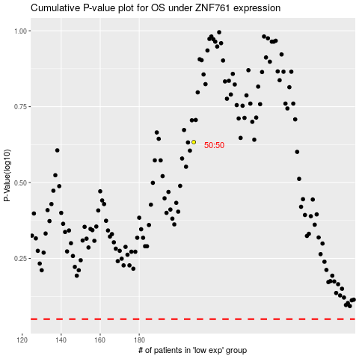

 |  |  |  |  |  | cases_OS | p_OS | rank | exp
 |  |  |  |  |  |  | cases_RFS | p_RFS | rank | exp

