ZNF766 _multivariate
Reported by Tex Li-Hsing Chi. tex@gate.sinica.edu.tw 2019-08-14

Table 2. The clinicopathological features of HNSCC cohort and ZNF766 expression. (Chi square test)
Cutoff at 0.247 (69.1%)
 |  | ZNF766 expression |  | ZNF766 expression |  | (Optimised)
 | Features | Low | (%) | High | (%) | Case no | P-value | Remark | Matthews
Gender | Female | 208 | 50.1 | 98 | 23.6 | 415 | 0.4512 | 0 | 0
2 | Male | 79 | 19 | 30 | 7.2
Age at diagnosis | <=65y | 186 | 44.8 | 88 | 21.2 | 415 | 0.5024 | 0 | 0
4 | >65y | 101 | 24.3 | 40 | 9.6
Clinical T Status | T1+T2 | 92 | 22.2 | 57 | 13.7 | 415 | 0.0195 | 1 | 0
6 | T3+T4 | 195 | 47 | 71 | 17.1
Clinical N Status | N0 | 145 | 34.9 | 71 | 17.1 | 415 | 0.4093 | 0 | 0
8 | N1-3 | 142 | 34.2 | 57 | 13.7
Clinical M Status | M0 | 284 | 68.4 | 128 | 30.8 | 415 | 0.5558 | 0 | 0
10 | M1 | 3 | 0.7 | 0 | 0
Clinical Stage | Stage I+II | 67 | 16.1 | 35 | 8.4 | 415 | 0.453 | 0 | 0
12 | Stage III+IV | 220 | 53 | 93 | 22.4
Surgical Margin status | Negative | 223 | 53.7 | 95 | 22.9 | 415 | 0.4528 | 0 | 0
14 | Positive | 64 | 15.4 | 33 | 8
Tobacco Exposure | Low | 115 | 27.7 | 46 | 11.1 | 415 | 0.4468 | 0 | 0
16 | High | 172 | 41.4 | 82 | 19.8

Table 3. Univariate/Multivariate Cox's proportional hazards regression analyses on OS time of ZNF766 gene expression in HNSCC

 |  | Univariate |  |  |  | Multivariate
 | Features | HR | CI95%(L) | CI95%(H) | P-value | HR | CI95%(L) | CI95%(H) | P-value
1 | Female | 1 |  |  |  | 1
Gender | Male | 1.157 | 0.843 | 1.587 | 0.367 | 1.186 | 0.848 | 1.657 | 0.32
11 | <=65y | 1 |  |  |  | 1
Age at diagnosis | >65y | 1.329 | 0.99 | 1.784 | 0.058 | 1.342 | 0.986 | 1.827 | 0.061
12 | T1+T2 | 1 |  |  |  | 1
Clinical T Status | T3+T4 | 1.409 | 1.028 | 1.931 | 0.033 | 1.972 | 1.037 | 3.748 | 0.038
13 | N0 | 1 |  |  |  | 1
Clinical N Status | N1-3 | 1.185 | 0.89 | 1.577 | 0.246 | 1.195 | 0.836 | 1.707 | 0.328
14 | M0 | 1 |  |  |  | 1
Clinical M Status | M1 | 4.097 | 1.009 | 16.644 | 0.049 | 7.723 | 1.674 | 35.625 | 0.009
15 | Stage I+II | 1 |  |  |  | 1
Clinical Stage | Stage III+IV | 1.245 | 0.882 | 1.759 | 0.213 | 0.551 | 0.256 | 1.187 | 0.128
16 | Negative | 1 |  |  |  | 1
Surgical Margin status | Positive | 1.591 | 1.155 | 2.191 | 0.004 | 1.734 | 1.253 | 2.4 | 0.001
17 | Low | 1 |  |  |  | 1
Tobacco Exposure | High | 1.364 | 1.008 | 1.844 | 0.044 | 1.506 | 1.09 | 2.081 | 0.013
18 | Low | 1 |  |  |  | 1
RNAseq(z-score) | High | 0.639 | 0.459 | 0.889 | 0.008 | 0.66 | 0.47 | 0.928 | 0.017

Table 4. Univariate/Multivariate Cox's proportional hazards regression analyses on RFS time of ZNF766 gene expression in HNSCC

 |  | Univariate |  |  |  | Multivariate
 | Features | HR | CI95%(L) | CI95%(H) | P-value | HR | CI95%(L) | CI95%(H) | P-value
1 | Female | 1 |  |  |  | 1
Gender | Male | 1.157 | 0.843 | 1.587 | 0.367 | 1.186 | 0.848 | 1.657 | 0.32
11 | <=65y | 1 |  |  |  | 1
Age at diagnosis | >65y | 1.329 | 0.99 | 1.784 | 0.058 | 1.342 | 0.986 | 1.827 | 0.061
12 | T1+T2 | 1 |  |  |  | 1
Clinical T Status | T3+T4 | 1.409 | 1.028 | 1.931 | 0.033 | 1.972 | 1.037 | 3.748 | 0.038
13 | N0 | 1 |  |  |  | 1
Clinical N Status | N1-3 | 1.185 | 0.89 | 1.577 | 0.246 | 1.195 | 0.836 | 1.707 | 0.328
14 | M0 | 1 |  |  |  | 1
Clinical M Status | M1 | 4.097 | 1.009 | 16.644 | 0.049 | 7.723 | 1.674 | 35.625 | 0.009
15 | Stage I+II | 1 |  |  |  | 1
Clinical Stage | Stage III+IV | 1.245 | 0.882 | 1.759 | 0.213 | 0.551 | 0.256 | 1.187 | 0.128
16 | Negative | 1 |  |  |  | 1
Surgical Margin status | Positive | 1.591 | 1.155 | 2.191 | 0.004 | 1.734 | 1.253 | 2.4 | 0.001
17 | Low | 1 |  |  |  | 1
Tobacco Exposure | High | 1.364 | 1.008 | 1.844 | 0.044 | 1.506 | 1.09 | 2.081 | 0.013
18 | Low | 1 |  |  |  | 1
RNAseq(z-score) | High | 0.639 | 0.459 | 0.889 | 0.008 | 0.66 | 0.47 | 0.928 | 0.017

Kaplan-Meier survival estimate: Cutoff at 0.247 (69.1%)

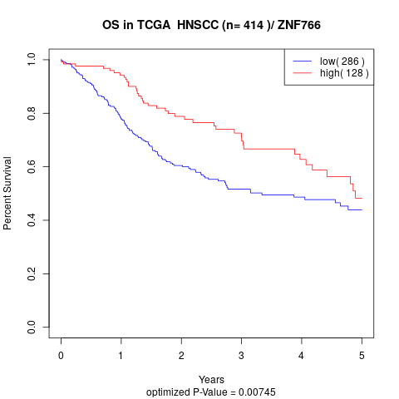

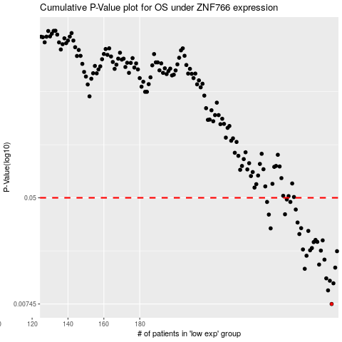

 |  |  |  |  |  | cases_OS | p_OS | rank | exp
 |  |  |  |  |  | 287 | 0.00745 | 272 | 0.24674355775
 |  |  |  |  |  | 285 | 0.00951 | 316 | 0.24465559634
 |  |  |  |  |  | 288 | 0.0108 | 73 | 0.25072117341
 |  |  |  |  |  | 286 | 0.0113 | 264 | 0.24631006812
 |  |  |  |  |  | 284 | 0.0118 | 48 | 0.23900957825
 |  |  |  |  |  | 272 | 0.014 | 365 | 0.16457309842
 |  |  |  |  |  | 289 | 0.0143 | 282 | 0.2527189952
 |  |  |  |  |  | 280 | 0.0151 | 151 | 0.19722166926
 |  |  |  |  |  | 283 | 0.0165 | 409 | 0.21499802203
 |  |  |  |  |  | 273 | 0.0177 | 184 | 0.16666433763
 |  |  |  |  |  | 290 | 0.0192 | 25 | 0.25628360749
 |  |  |  |  |  | 281 | 0.0194 | 334 | 0.20086740721
 |  |  |  |  |  | 275 | 0.0195 | 94 | 0.17930682925
 |  |  |  |  |  | 271 | 0.0198 | 133 | 0.16090277693
 |  |  |  |  |  | 276 | 0.0203 | 346 | 0.17956003964
 |  |  |  |  |  | 277 | 0.0226 | 315 | 0.18813723433
 |  |  |  |  |  | 279 | 0.0227 | 297 | 0.19300067663
 |  |  |  |  |  | 282 | 0.0233 | 80 | 0.21209142897
 |  |  |  |  |  | 278 | 0.0235 | 228 | 0.19185836179
 |  |  |  |  |  | 269 | 0.0261 | 359 | 0.15413738862
 |  |  |  |  |  | 274 | 0.0276 | 223 | 0.17835298816
 |  |  |  |  |  | 253 | 0.0289 | 245 | 0.070714808
 |  |  |  |  |  | 270 | 0.029 | 99 | 0.15891970526
 |  |  |  |  |  | 268 | 0.0321 | 371 | 0.15411116619
 |  |  |  |  |  | 252 | 0.037 | 325 | 0.069216851384
 |  |  |  |  |  | 261 | 0.0372 | 51 | 0.11671961237
 |  |  |  |  |  | 267 | 0.0405 | 410 | 0.15247554179
 |  |  |  |  |  | 251 | 0.0464 | 206 | 0.067498462421
 |  |  |  |  |  | 264 | 0.0464 | 231 | 0.13362734697
 |  |  |  |  |  | 262 | 0.0485 | 144 | 0.11747596573
 |  |  |  |  |  |  | cases_RFS | p_RFS | rank | exp
 |  |  |  |  |  |  | 286 | 0.00745 | 264 | 0.24631006812
 |  |  |  |  |  |  | 284 | 0.00951 | 48 | 0.23900957825
 |  |  |  |  |  |  | 287 | 0.0108 | 272 | 0.24674355775
 |  |  |  |  |  |  | 285 | 0.0113 | 316 | 0.24465559634
 |  |  |  |  |  |  | 283 | 0.0118 | 409 | 0.21499802203
 |  |  |  |  |  |  | 271 | 0.014 | 133 | 0.16090277693
 |  |  |  |  |  |  | 288 | 0.0143 | 73 | 0.25072117341
 |  |  |  |  |  |  | 279 | 0.0151 | 297 | 0.19300067663
 |  |  |  |  |  |  | 282 | 0.0165 | 80 | 0.21209142897
 |  |  |  |  |  |  | 272 | 0.0177 | 365 | 0.16457309842
 |  |  |  |  |  |  | 289 | 0.0192 | 282 | 0.2527189952
 |  |  |  |  |  |  | 280 | 0.0194 | 151 | 0.19722166926
 |  |  |  |  |  |  | 274 | 0.0195 | 223 | 0.17835298816
 |  |  |  |  |  |  | 270 | 0.0198 | 99 | 0.15891970526
 |  |  |  |  |  |  | 275 | 0.0203 | 94 | 0.17930682925
 |  |  |  |  |  |  | 276 | 0.0226 | 346 | 0.17956003964
 |  |  |  |  |  |  | 278 | 0.0227 | 228 | 0.19185836179
 |  |  |  |  |  |  | 281 | 0.0233 | 334 | 0.20086740721
 |  |  |  |  |  |  | 277 | 0.0235 | 315 | 0.18813723433
 |  |  |  |  |  |  | 268 | 0.0261 | 371 | 0.15411116619
 |  |  |  |  |  |  | 273 | 0.0276 | 184 | 0.16666433763
 |  |  |  |  |  |  | 252 | 0.0289 | 325 | 0.069216851384
 |  |  |  |  |  |  | 269 | 0.029 | 359 | 0.15413738862
 |  |  |  |  |  |  | 267 | 0.0321 | 410 | 0.15247554179
 |  |  |  |  |  |  | 251 | 0.037 | 206 | 0.067498462421
 |  |  |  |  |  |  | 260 | 0.0372 | 285 | 0.11419078626
 |  |  |  |  |  |  | 266 | 0.0405 | 414 | 0.15069569399
 |  |  |  |  |  |  | 250 | 0.0464 | 67 | 0.064105115405
 |  |  |  |  |  |  | 263 | 0.0464 | 256 | 0.12325883216
 |  |  |  |  |  |  | 261 | 0.0485 | 51 | 0.11671961237

