ZNF768 _multivariate
Reported by Tex Li-Hsing Chi. tex@gate.sinica.edu.tw 2019-08-14

Table 2. The clinicopathological features of HNSCC cohort and ZNF768 expression. (Chi square test)
Cutoff at -0.264 (49.8%)
 |  | ZNF768 expression |  | ZNF768 expression |  | (Optimised)
 | Features | Low | (%) | High | (%) | Case no | P-value | Remark | Matthews
Gender | Female | 143 | 34.5 | 163 | 39.3 | 415 | 0.0416 | 1 | 0
2 | Male | 64 | 15.4 | 45 | 10.8
Age at diagnosis | <=65y | 134 | 32.3 | 140 | 33.7 | 415 | 0.6529 | 0 | 0
4 | >65y | 73 | 17.6 | 68 | 16.4
Clinical T Status | T1+T2 | 70 | 16.9 | 79 | 19 | 415 | 0.4343 | 0 | 0
6 | T3+T4 | 137 | 33 | 129 | 31.1
Clinical N Status | N0 | 111 | 26.7 | 105 | 25.3 | 415 | 0.5875 | 0 | 0
8 | N1-3 | 96 | 23.1 | 103 | 24.8
Clinical M Status | M0 | 207 | 49.9 | 205 | 49.4 | 415 | 0.2482 | 0 | 0
10 | M1 | 0 | 0 | 3 | 0.7
Clinical Stage | Stage I+II | 53 | 12.8 | 49 | 11.8 | 415 | 0.7113 | 0 | 0
12 | Stage III+IV | 154 | 37.1 | 159 | 38.3
Surgical Margin status | Negative | 160 | 38.6 | 158 | 38.1 | 415 | 0.8167 | 0 | 0
14 | Positive | 47 | 11.3 | 50 | 12
Tobacco Exposure | Low | 86 | 20.7 | 75 | 18.1 | 415 | 0.2687 | 0 | 0
16 | High | 121 | 29.2 | 133 | 32

Table 3. Univariate/Multivariate Cox's proportional hazards regression analyses on OS time of ZNF768 gene expression in HNSCC

 |  | Univariate |  |  |  | Multivariate
 | Features | HR | CI95%(L) | CI95%(H) | P-value | HR | CI95%(L) | CI95%(H) | P-value
1 | Female | 1 |  |  |  | 1
Gender | Male | 1.157 | 0.843 | 1.587 | 0.367 | 1.209 | 0.861 | 1.697 | 0.273
11 | <=65y | 1 |  |  |  | 1
Age at diagnosis | >65y | 1.329 | 0.99 | 1.784 | 0.058 | 1.391 | 1.023 | 1.891 | 0.035
12 | T1+T2 | 1 |  |  |  | 1
Clinical T Status | T3+T4 | 1.409 | 1.028 | 1.931 | 0.033 | 2.21 | 1.168 | 4.181 | 0.015
13 | N0 | 1 |  |  |  | 1
Clinical N Status | N1-3 | 1.185 | 0.89 | 1.577 | 0.246 | 1.24 | 0.869 | 1.77 | 0.235
14 | M0 | 1 |  |  |  | 1
Clinical M Status | M1 | 4.097 | 1.009 | 16.644 | 0.049 | 9.303 | 2.022 | 42.792 | 0.004
15 | Stage I+II | 1 |  |  |  | 1
Clinical Stage | Stage III+IV | 1.245 | 0.882 | 1.759 | 0.213 | 0.503 | 0.234 | 1.08 | 0.078
16 | Negative | 1 |  |  |  | 1
Surgical Margin status | Positive | 1.591 | 1.155 | 2.191 | 0.004 | 1.67 | 1.209 | 2.308 | 0.002
17 | Low | 1 |  |  |  | 1
Tobacco Exposure | High | 1.364 | 1.008 | 1.844 | 0.044 | 1.451 | 1.053 | 2 | 0.023
18 | Low | 1 |  |  |  | 1
RNAseq(z-score) | High | 1.038 | 0.777 | 1.386 | 0.801 | 1.032 | 0.767 | 1.389 | 0.834

Table 4. Univariate/Multivariate Cox's proportional hazards regression analyses on RFS time of ZNF768 gene expression in HNSCC

 |  | Univariate |  |  |  | Multivariate
 | Features | HR | CI95%(L) | CI95%(H) | P-value | HR | CI95%(L) | CI95%(H) | P-value
1 | Female | 1 |  |  |  | 1
Gender | Male | 1.157 | 0.843 | 1.587 | 0.367 | 1.209 | 0.861 | 1.697 | 0.273
11 | <=65y | 1 |  |  |  | 1
Age at diagnosis | >65y | 1.329 | 0.99 | 1.784 | 0.058 | 1.391 | 1.023 | 1.891 | 0.035
12 | T1+T2 | 1 |  |  |  | 1
Clinical T Status | T3+T4 | 1.409 | 1.028 | 1.931 | 0.033 | 2.21 | 1.168 | 4.181 | 0.015
13 | N0 | 1 |  |  |  | 1
Clinical N Status | N1-3 | 1.185 | 0.89 | 1.577 | 0.246 | 1.24 | 0.869 | 1.77 | 0.235
14 | M0 | 1 |  |  |  | 1
Clinical M Status | M1 | 4.097 | 1.009 | 16.644 | 0.049 | 9.303 | 2.022 | 42.792 | 0.004
15 | Stage I+II | 1 |  |  |  | 1
Clinical Stage | Stage III+IV | 1.245 | 0.882 | 1.759 | 0.213 | 0.503 | 0.234 | 1.08 | 0.078
16 | Negative | 1 |  |  |  | 1
Surgical Margin status | Positive | 1.591 | 1.155 | 2.191 | 0.004 | 1.67 | 1.209 | 2.308 | 0.002
17 | Low | 1 |  |  |  | 1
Tobacco Exposure | High | 1.364 | 1.008 | 1.844 | 0.044 | 1.451 | 1.053 | 2 | 0.023
18 | Low | 1 |  |  |  | 1
RNAseq(z-score) | High | 1.038 | 0.777 | 1.386 | 0.801 | 1.032 | 0.767 | 1.389 | 0.834

Kaplan-Meier survival estimate: Cutoff at -0.264 (49.8%)



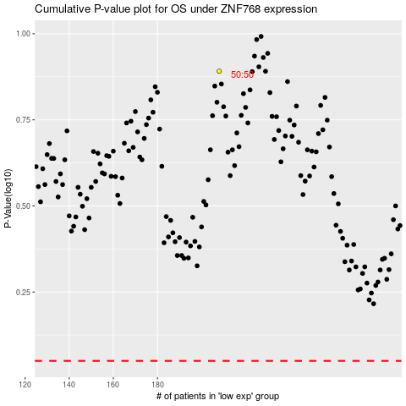

 |  |  |  |  |  | cases_OS | p_OS | rank | exp
 |  |  |  |  |  |  | cases_RFS | p_RFS | rank | exp

