ZNF771 _multivariate
Reported by Tex Li-Hsing Chi. tex@gate.sinica.edu.tw 2019-08-14

Table 2. The clinicopathological features of HNSCC cohort and ZNF771 expression. (Chi square test)
Cutoff at -0.247 (49.8%)
 |  | ZNF771 expression |  | ZNF771 expression |  | (Optimised)
 | Features | Low | (%) | High | (%) | Case no | P-value | Remark | Matthews
Gender | Female | 138 | 33.3 | 168 | 40.5 | 415 | 0.0016 | 1 | 0
2 | Male | 69 | 16.6 | 40 | 9.6
Age at diagnosis | <=65y | 131 | 31.6 | 143 | 34.5 | 415 | 0.2839 | 0 | 0
4 | >65y | 76 | 18.3 | 65 | 15.7
Clinical T Status | T1+T2 | 87 | 21 | 62 | 14.9 | 415 | 0.0127 | 1 | 0
6 | T3+T4 | 120 | 28.9 | 146 | 35.2
Clinical N Status | N0 | 107 | 25.8 | 109 | 26.3 | 415 | 0.9624 | 0 | 0
8 | N1-3 | 100 | 24.1 | 99 | 23.9
Clinical M Status | M0 | 205 | 49.4 | 207 | 49.9 | 415 | 0.6232 | 0 | 0
10 | M1 | 2 | 0.5 | 1 | 0.2
Clinical Stage | Stage I+II | 64 | 15.4 | 38 | 9.2 | 415 | 0.004 | 1 | 0
12 | Stage III+IV | 143 | 34.5 | 170 | 41
Surgical Margin status | Negative | 164 | 39.5 | 154 | 37.1 | 415 | 0.2462 | 0 | 0
14 | Positive | 43 | 10.4 | 54 | 13
Tobacco Exposure | Low | 98 | 23.6 | 63 | 15.2 | 415 | 4e-04 | 1 | 0
16 | High | 109 | 26.3 | 145 | 34.9

Table 3. Univariate/Multivariate Cox's proportional hazards regression analyses on OS time of ZNF771 gene expression in HNSCC

 |  | Univariate |  |  |  | Multivariate
 | Features | HR | CI95%(L) | CI95%(H) | P-value | HR | CI95%(L) | CI95%(H) | P-value
1 | Female | 1 |  |  |  | 1
Gender | Male | 1.157 | 0.843 | 1.587 | 0.367 | 1.183 | 0.847 | 1.652 | 0.324
11 | <=65y | 1 |  |  |  | 1
Age at diagnosis | >65y | 1.329 | 0.99 | 1.784 | 0.058 | 1.411 | 1.037 | 1.919 | 0.028
12 | T1+T2 | 1 |  |  |  | 1
Clinical T Status | T3+T4 | 1.409 | 1.028 | 1.931 | 0.033 | 2.219 | 1.173 | 4.198 | 0.014
13 | N0 | 1 |  |  |  | 1
Clinical N Status | N1-3 | 1.185 | 0.89 | 1.577 | 0.246 | 1.224 | 0.858 | 1.746 | 0.264
14 | M0 | 1 |  |  |  | 1
Clinical M Status | M1 | 4.097 | 1.009 | 16.644 | 0.049 | 9.179 | 2.002 | 42.093 | 0.004
15 | Stage I+II | 1 |  |  |  | 1
Clinical Stage | Stage III+IV | 1.245 | 0.882 | 1.759 | 0.213 | 0.533 | 0.247 | 1.147 | 0.108
16 | Negative | 1 |  |  |  | 1
Surgical Margin status | Positive | 1.591 | 1.155 | 2.191 | 0.004 | 1.692 | 1.224 | 2.338 | 0.001
17 | Low | 1 |  |  |  | 1
Tobacco Exposure | High | 1.364 | 1.008 | 1.844 | 0.044 | 1.511 | 1.093 | 2.089 | 0.013
18 | Low | 1 |  |  |  | 1
RNAseq(z-score) | High | 0.887 | 0.665 | 1.182 | 0.412 | 0.79 | 0.585 | 1.066 | 0.123

Table 4. Univariate/Multivariate Cox's proportional hazards regression analyses on RFS time of ZNF771 gene expression in HNSCC

 |  | Univariate |  |  |  | Multivariate
 | Features | HR | CI95%(L) | CI95%(H) | P-value | HR | CI95%(L) | CI95%(H) | P-value
1 | Female | 1 |  |  |  | 1
Gender | Male | 1.157 | 0.843 | 1.587 | 0.367 | 1.183 | 0.847 | 1.652 | 0.324
11 | <=65y | 1 |  |  |  | 1
Age at diagnosis | >65y | 1.329 | 0.99 | 1.784 | 0.058 | 1.411 | 1.037 | 1.919 | 0.028
12 | T1+T2 | 1 |  |  |  | 1
Clinical T Status | T3+T4 | 1.409 | 1.028 | 1.931 | 0.033 | 2.219 | 1.173 | 4.198 | 0.014
13 | N0 | 1 |  |  |  | 1
Clinical N Status | N1-3 | 1.185 | 0.89 | 1.577 | 0.246 | 1.224 | 0.858 | 1.746 | 0.264
14 | M0 | 1 |  |  |  | 1
Clinical M Status | M1 | 4.097 | 1.009 | 16.644 | 0.049 | 9.179 | 2.002 | 42.093 | 0.004
15 | Stage I+II | 1 |  |  |  | 1
Clinical Stage | Stage III+IV | 1.245 | 0.882 | 1.759 | 0.213 | 0.533 | 0.247 | 1.147 | 0.108
16 | Negative | 1 |  |  |  | 1
Surgical Margin status | Positive | 1.591 | 1.155 | 2.191 | 0.004 | 1.692 | 1.224 | 2.338 | 0.001
17 | Low | 1 |  |  |  | 1
Tobacco Exposure | High | 1.364 | 1.008 | 1.844 | 0.044 | 1.511 | 1.093 | 2.089 | 0.013
18 | Low | 1 |  |  |  | 1
RNAseq(z-score) | High | 0.887 | 0.665 | 1.182 | 0.412 | 0.79 | 0.585 | 1.066 | 0.123

Kaplan-Meier survival estimate: Cutoff at -0.247 (49.8%)



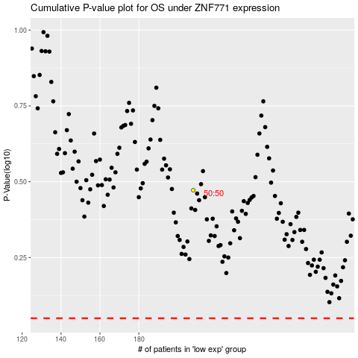

 |  |  |  |  |  | cases_OS | p_OS | rank | exp
 |  |  |  |  |  |  | cases_RFS | p_RFS | rank | exp

