ZNF772 _multivariate
Reported by Tex Li-Hsing Chi. tex@gate.sinica.edu.tw 2019-08-14

Table 2. The clinicopathological features of HNSCC cohort and ZNF772 expression. (Chi square test)
Cutoff at -0.3 (47.1%)
 |  | ZNF772 expression |  | ZNF772 expression |  | (Optimised)
 | Features | Low | (%) | High | (%) | Case no | P-value | Remark | Matthews
Gender | Female | 144 | 34.7 | 162 | 39 | 415 | 0.9963 | 0 | 0
2 | Male | 52 | 12.5 | 57 | 13.7
Age at diagnosis | <=65y | 123 | 29.6 | 151 | 36.4 | 415 | 0.2201 | 0 | 0
4 | >65y | 73 | 17.6 | 68 | 16.4
Clinical T Status | T1+T2 | 69 | 16.6 | 80 | 19.3 | 415 | 0.8583 | 0 | 0
6 | T3+T4 | 127 | 30.6 | 139 | 33.5
Clinical N Status | N0 | 100 | 24.1 | 116 | 28 | 415 | 0.7656 | 0 | 0
8 | N1-3 | 96 | 23.1 | 103 | 24.8
Clinical M Status | M0 | 194 | 46.7 | 218 | 52.5 | 415 | 0.6044 | 0 | 0
10 | M1 | 2 | 0.5 | 1 | 0.2
Clinical Stage | Stage I+II | 46 | 11.1 | 56 | 13.5 | 415 | 0.7023 | 0 | 0
12 | Stage III+IV | 150 | 36.1 | 163 | 39.3
Surgical Margin status | Negative | 143 | 34.5 | 175 | 42.2 | 415 | 0.1045 | 0 | 0
14 | Positive | 53 | 12.8 | 44 | 10.6
Tobacco Exposure | Low | 84 | 20.2 | 77 | 18.6 | 415 | 0.1301 | 0 | 0
16 | High | 112 | 27 | 142 | 34.2

Table 3. Univariate/Multivariate Cox's proportional hazards regression analyses on OS time of ZNF772 gene expression in HNSCC

 |  | Univariate |  |  |  | Multivariate
 | Features | HR | CI95%(L) | CI95%(H) | P-value | HR | CI95%(L) | CI95%(H) | P-value
1 | Female | 1 |  |  |  | 1
Gender | Male | 1.157 | 0.843 | 1.587 | 0.367 | 1.183 | 0.846 | 1.653 | 0.326
11 | <=65y | 1 |  |  |  | 1
Age at diagnosis | >65y | 1.329 | 0.99 | 1.784 | 0.058 | 1.44 | 1.058 | 1.959 | 0.02
12 | T1+T2 | 1 |  |  |  | 1
Clinical T Status | T3+T4 | 1.409 | 1.028 | 1.931 | 0.033 | 2.238 | 1.183 | 4.236 | 0.013
13 | N0 | 1 |  |  |  | 1
Clinical N Status | N1-3 | 1.185 | 0.89 | 1.577 | 0.246 | 1.257 | 0.88 | 1.795 | 0.208
14 | M0 | 1 |  |  |  | 1
Clinical M Status | M1 | 4.097 | 1.009 | 16.644 | 0.049 | 10.081 | 2.196 | 46.279 | 0.003
15 | Stage I+II | 1 |  |  |  | 1
Clinical Stage | Stage III+IV | 1.245 | 0.882 | 1.759 | 0.213 | 0.489 | 0.228 | 1.05 | 0.066
16 | Negative | 1 |  |  |  | 1
Surgical Margin status | Positive | 1.591 | 1.155 | 2.191 | 0.004 | 1.734 | 1.252 | 2.4 | 0.001
17 | Low | 1 |  |  |  | 1
Tobacco Exposure | High | 1.364 | 1.008 | 1.844 | 0.044 | 1.403 | 1.018 | 1.934 | 0.039
18 | Low | 1 |  |  |  | 1
RNAseq(z-score) | High | 1.351 | 1.007 | 1.811 | 0.044 | 1.426 | 1.058 | 1.921 | 0.02

Table 4. Univariate/Multivariate Cox's proportional hazards regression analyses on RFS time of ZNF772 gene expression in HNSCC

 |  | Univariate |  |  |  | Multivariate
 | Features | HR | CI95%(L) | CI95%(H) | P-value | HR | CI95%(L) | CI95%(H) | P-value
1 | Female | 1 |  |  |  | 1
Gender | Male | 1.157 | 0.843 | 1.587 | 0.367 | 1.183 | 0.846 | 1.653 | 0.326
11 | <=65y | 1 |  |  |  | 1
Age at diagnosis | >65y | 1.329 | 0.99 | 1.784 | 0.058 | 1.44 | 1.058 | 1.959 | 0.02
12 | T1+T2 | 1 |  |  |  | 1
Clinical T Status | T3+T4 | 1.409 | 1.028 | 1.931 | 0.033 | 2.238 | 1.183 | 4.236 | 0.013
13 | N0 | 1 |  |  |  | 1
Clinical N Status | N1-3 | 1.185 | 0.89 | 1.577 | 0.246 | 1.257 | 0.88 | 1.795 | 0.208
14 | M0 | 1 |  |  |  | 1
Clinical M Status | M1 | 4.097 | 1.009 | 16.644 | 0.049 | 10.081 | 2.196 | 46.279 | 0.003
15 | Stage I+II | 1 |  |  |  | 1
Clinical Stage | Stage III+IV | 1.245 | 0.882 | 1.759 | 0.213 | 0.489 | 0.228 | 1.05 | 0.066
16 | Negative | 1 |  |  |  | 1
Surgical Margin status | Positive | 1.591 | 1.155 | 2.191 | 0.004 | 1.734 | 1.252 | 2.4 | 0.001
17 | Low | 1 |  |  |  | 1
Tobacco Exposure | High | 1.364 | 1.008 | 1.844 | 0.044 | 1.403 | 1.018 | 1.934 | 0.039
18 | Low | 1 |  |  |  | 1
RNAseq(z-score) | High | 1.351 | 1.007 | 1.811 | 0.044 | 1.426 | 1.058 | 1.921 | 0.02

Kaplan-Meier survival estimate: Cutoff at -0.3 (47.1%)



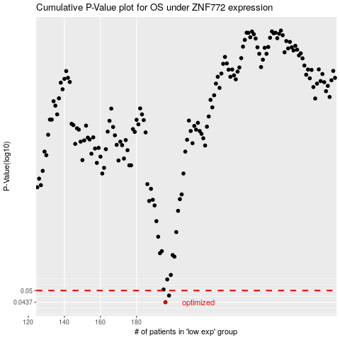

 |  |  |  |  |  | cases_OS | p_OS | rank | exp
 |  |  |  |  |  | 196 | 0.0437 | 326 | -0.30042708031
 |  |  |  |  |  | 198 | 0.0472 | 176 | -0.2908246005
 |  |  |  |  |  |  | cases_RFS | p_RFS | rank | exp
 |  |  |  |  |  |  | 195 | 0.0437 | 178 | -0.30657483133
 |  |  |  |  |  |  | 197 | 0.0472 | 324 | -0.29896642141

