ZNF773 _multivariate
Reported by Tex Li-Hsing Chi. tex@gate.sinica.edu.tw 2019-08-14

Table 2. The clinicopathological features of HNSCC cohort and ZNF773 expression. (Chi square test)
Cutoff at -0.104 (49.8%)
 |  | ZNF773 expression |  | ZNF773 expression |  | (Optimised)
 | Features | Low | (%) | High | (%) | Case no | P-value | Remark | Matthews
Gender | Female | 156 | 37.6 | 150 | 36.1 | 415 | 0.5222 | 0 | 0
2 | Male | 51 | 12.3 | 58 | 14
Age at diagnosis | <=65y | 133 | 32 | 141 | 34 | 415 | 0.5111 | 0 | 0
4 | >65y | 74 | 17.8 | 67 | 16.1
Clinical T Status | T1+T2 | 76 | 18.3 | 73 | 17.6 | 415 | 0.8092 | 0 | 0
6 | T3+T4 | 131 | 31.6 | 135 | 32.5
Clinical N Status | N0 | 95 | 22.9 | 121 | 29.2 | 415 | 0.0162 | 1 | 0
8 | N1-3 | 112 | 27 | 87 | 21
Clinical M Status | M0 | 207 | 49.9 | 205 | 49.4 | 415 | 0.2482 | 0 | 0
10 | M1 | 0 | 0 | 3 | 0.7
Clinical Stage | Stage I+II | 47 | 11.3 | 55 | 13.3 | 415 | 0.4413 | 0 | 0
12 | Stage III+IV | 160 | 38.6 | 153 | 36.9
Surgical Margin status | Negative | 154 | 37.1 | 164 | 39.5 | 415 | 0.2984 | 0 | 0
14 | Positive | 53 | 12.8 | 44 | 10.6
Tobacco Exposure | Low | 82 | 19.8 | 79 | 19 | 415 | 0.763 | 0 | 0
16 | High | 125 | 30.1 | 129 | 31.1

Table 3. Univariate/Multivariate Cox's proportional hazards regression analyses on OS time of ZNF773 gene expression in HNSCC

 |  | Univariate |  |  |  | Multivariate
 | Features | HR | CI95%(L) | CI95%(H) | P-value | HR | CI95%(L) | CI95%(H) | P-value
1 | Female | 1 |  |  |  | 1
Gender | Male | 1.157 | 0.843 | 1.587 | 0.367 | 1.2 | 0.859 | 1.676 | 0.285
11 | <=65y | 1 |  |  |  | 1
Age at diagnosis | >65y | 1.329 | 0.99 | 1.784 | 0.058 | 1.371 | 1.007 | 1.866 | 0.045
12 | T1+T2 | 1 |  |  |  | 1
Clinical T Status | T3+T4 | 1.409 | 1.028 | 1.931 | 0.033 | 2.239 | 1.183 | 4.235 | 0.013
13 | N0 | 1 |  |  |  | 1
Clinical N Status | N1-3 | 1.185 | 0.89 | 1.577 | 0.246 | 1.216 | 0.851 | 1.738 | 0.284
14 | M0 | 1 |  |  |  | 1
Clinical M Status | M1 | 4.097 | 1.009 | 16.644 | 0.049 | 10.466 | 2.253 | 48.619 | 0.003
15 | Stage I+II | 1 |  |  |  | 1
Clinical Stage | Stage III+IV | 1.245 | 0.882 | 1.759 | 0.213 | 0.498 | 0.232 | 1.069 | 0.074
16 | Negative | 1 |  |  |  | 1
Surgical Margin status | Positive | 1.591 | 1.155 | 2.191 | 0.004 | 1.66 | 1.201 | 2.295 | 0.002
17 | Low | 1 |  |  |  | 1
Tobacco Exposure | High | 1.364 | 1.008 | 1.844 | 0.044 | 1.463 | 1.061 | 2.016 | 0.02
18 | Low | 1 |  |  |  | 1
RNAseq(z-score) | High | 0.848 | 0.636 | 1.131 | 0.262 | 0.852 | 0.635 | 1.143 | 0.286

Table 4. Univariate/Multivariate Cox's proportional hazards regression analyses on RFS time of ZNF773 gene expression in HNSCC

 |  | Univariate |  |  |  | Multivariate
 | Features | HR | CI95%(L) | CI95%(H) | P-value | HR | CI95%(L) | CI95%(H) | P-value
1 | Female | 1 |  |  |  | 1
Gender | Male | 1.157 | 0.843 | 1.587 | 0.367 | 1.2 | 0.859 | 1.676 | 0.285
11 | <=65y | 1 |  |  |  | 1
Age at diagnosis | >65y | 1.329 | 0.99 | 1.784 | 0.058 | 1.371 | 1.007 | 1.866 | 0.045
12 | T1+T2 | 1 |  |  |  | 1
Clinical T Status | T3+T4 | 1.409 | 1.028 | 1.931 | 0.033 | 2.239 | 1.183 | 4.235 | 0.013
13 | N0 | 1 |  |  |  | 1
Clinical N Status | N1-3 | 1.185 | 0.89 | 1.577 | 0.246 | 1.216 | 0.851 | 1.738 | 0.284
14 | M0 | 1 |  |  |  | 1
Clinical M Status | M1 | 4.097 | 1.009 | 16.644 | 0.049 | 10.466 | 2.253 | 48.619 | 0.003
15 | Stage I+II | 1 |  |  |  | 1
Clinical Stage | Stage III+IV | 1.245 | 0.882 | 1.759 | 0.213 | 0.498 | 0.232 | 1.069 | 0.074
16 | Negative | 1 |  |  |  | 1
Surgical Margin status | Positive | 1.591 | 1.155 | 2.191 | 0.004 | 1.66 | 1.201 | 2.295 | 0.002
17 | Low | 1 |  |  |  | 1
Tobacco Exposure | High | 1.364 | 1.008 | 1.844 | 0.044 | 1.463 | 1.061 | 2.016 | 0.02
18 | Low | 1 |  |  |  | 1
RNAseq(z-score) | High | 0.848 | 0.636 | 1.131 | 0.262 | 0.852 | 0.635 | 1.143 | 0.286

Kaplan-Meier survival estimate: Cutoff at -0.104 (49.8%)



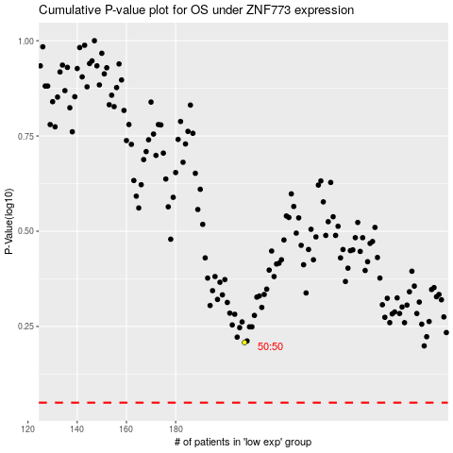

 |  |  |  |  |  | cases_OS | p_OS | rank | exp
 |  |  |  |  |  |  | cases_RFS | p_RFS | rank | exp

