ZNF777 _multivariate
Reported by Tex Li-Hsing Chi. tex@gate.sinica.edu.tw 2019-08-14

Table 2. The clinicopathological features of HNSCC cohort and ZNF777 expression. (Chi square test)
Cutoff at -0.154 (49.8%)
 |  | ZNF777 expression |  | ZNF777 expression |  | (Optimised)
 | Features | Low | (%) | High | (%) | Case no | P-value | Remark | Matthews
Gender | Female | 156 | 37.6 | 150 | 36.1 | 415 | 0.5222 | 0 | 0
2 | Male | 51 | 12.3 | 58 | 14
Age at diagnosis | <=65y | 141 | 34 | 133 | 32 | 415 | 0.4272 | 0 | 0
4 | >65y | 66 | 15.9 | 75 | 18.1
Clinical T Status | T1+T2 | 80 | 19.3 | 69 | 16.6 | 415 | 0.2891 | 0 | 0
6 | T3+T4 | 127 | 30.6 | 139 | 33.5
Clinical N Status | N0 | 97 | 23.4 | 119 | 28.7 | 415 | 0.0442 | 1 | 0
8 | N1-3 | 110 | 26.5 | 89 | 21.4
Clinical M Status | M0 | 206 | 49.6 | 206 | 49.6 | 415 | 1 | 0 | 0
10 | M1 | 1 | 0.2 | 2 | 0.5
Clinical Stage | Stage I+II | 49 | 11.8 | 53 | 12.8 | 415 | 0.7535 | 0 | 0
12 | Stage III+IV | 158 | 38.1 | 155 | 37.3
Surgical Margin status | Negative | 158 | 38.1 | 160 | 38.6 | 415 | 0.9081 | 0 | 0
14 | Positive | 49 | 11.8 | 48 | 11.6
Tobacco Exposure | Low | 82 | 19.8 | 79 | 19 | 415 | 0.763 | 0 | 0
16 | High | 125 | 30.1 | 129 | 31.1

Table 3. Univariate/Multivariate Cox's proportional hazards regression analyses on OS time of ZNF777 gene expression in HNSCC

 |  | Univariate |  |  |  | Multivariate
 | Features | HR | CI95%(L) | CI95%(H) | P-value | HR | CI95%(L) | CI95%(H) | P-value
1 | Female | 1 |  |  |  | 1
Gender | Male | 1.157 | 0.843 | 1.587 | 0.367 | 1.202 | 0.861 | 1.678 | 0.281
11 | <=65y | 1 |  |  |  | 1
Age at diagnosis | >65y | 1.329 | 0.99 | 1.784 | 0.058 | 1.395 | 1.026 | 1.896 | 0.034
12 | T1+T2 | 1 |  |  |  | 1
Clinical T Status | T3+T4 | 1.409 | 1.028 | 1.931 | 0.033 | 2.224 | 1.174 | 4.215 | 0.014
13 | N0 | 1 |  |  |  | 1
Clinical N Status | N1-3 | 1.185 | 0.89 | 1.577 | 0.246 | 1.233 | 0.863 | 1.762 | 0.25
14 | M0 | 1 |  |  |  | 1
Clinical M Status | M1 | 4.097 | 1.009 | 16.644 | 0.049 | 9.682 | 2.097 | 44.693 | 0.004
15 | Stage I+II | 1 |  |  |  | 1
Clinical Stage | Stage III+IV | 1.245 | 0.882 | 1.759 | 0.213 | 0.5 | 0.233 | 1.075 | 0.076
16 | Negative | 1 |  |  |  | 1
Surgical Margin status | Positive | 1.591 | 1.155 | 2.191 | 0.004 | 1.68 | 1.214 | 2.324 | 0.002
17 | Low | 1 |  |  |  | 1
Tobacco Exposure | High | 1.364 | 1.008 | 1.844 | 0.044 | 1.454 | 1.055 | 2.002 | 0.022
18 | Low | 1 |  |  |  | 1
RNAseq(z-score) | High | 1.028 | 0.771 | 1.372 | 0.849 | 0.944 | 0.705 | 1.265 | 0.7

Table 4. Univariate/Multivariate Cox's proportional hazards regression analyses on RFS time of ZNF777 gene expression in HNSCC

 |  | Univariate |  |  |  | Multivariate
 | Features | HR | CI95%(L) | CI95%(H) | P-value | HR | CI95%(L) | CI95%(H) | P-value
1 | Female | 1 |  |  |  | 1
Gender | Male | 1.157 | 0.843 | 1.587 | 0.367 | 1.202 | 0.861 | 1.678 | 0.281
11 | <=65y | 1 |  |  |  | 1
Age at diagnosis | >65y | 1.329 | 0.99 | 1.784 | 0.058 | 1.395 | 1.026 | 1.896 | 0.034
12 | T1+T2 | 1 |  |  |  | 1
Clinical T Status | T3+T4 | 1.409 | 1.028 | 1.931 | 0.033 | 2.224 | 1.174 | 4.215 | 0.014
13 | N0 | 1 |  |  |  | 1
Clinical N Status | N1-3 | 1.185 | 0.89 | 1.577 | 0.246 | 1.233 | 0.863 | 1.762 | 0.25
14 | M0 | 1 |  |  |  | 1
Clinical M Status | M1 | 4.097 | 1.009 | 16.644 | 0.049 | 9.682 | 2.097 | 44.693 | 0.004
15 | Stage I+II | 1 |  |  |  | 1
Clinical Stage | Stage III+IV | 1.245 | 0.882 | 1.759 | 0.213 | 0.5 | 0.233 | 1.075 | 0.076
16 | Negative | 1 |  |  |  | 1
Surgical Margin status | Positive | 1.591 | 1.155 | 2.191 | 0.004 | 1.68 | 1.214 | 2.324 | 0.002
17 | Low | 1 |  |  |  | 1
Tobacco Exposure | High | 1.364 | 1.008 | 1.844 | 0.044 | 1.454 | 1.055 | 2.002 | 0.022
18 | Low | 1 |  |  |  | 1
RNAseq(z-score) | High | 1.028 | 0.771 | 1.372 | 0.849 | 0.944 | 0.705 | 1.265 | 0.7

Kaplan-Meier survival estimate: Cutoff at -0.154 (49.8%)



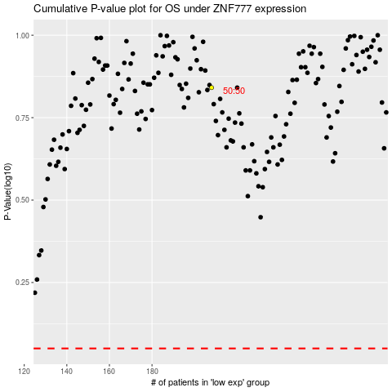

 |  |  |  |  |  | cases_OS | p_OS | rank | exp
 |  |  |  |  |  |  | cases_RFS | p_RFS | rank | exp

