ZNF780A _multivariate
Reported by Tex Li-Hsing Chi. tex@gate.sinica.edu.tw 2019-08-14

Table 2. The clinicopathological features of HNSCC cohort and ZNF780A expression. (Chi square test)
Cutoff at -0.285 (49.8%)
 |  | ZNF780A expression |  | ZNF780A expression |  | (Optimised)
 | Features | Low | (%) | High | (%) | Case no | P-value | Remark | Matthews
Gender | Female | 149 | 35.9 | 157 | 37.8 | 415 | 0.4848 | 0 | 0
2 | Male | 58 | 14 | 51 | 12.3
Age at diagnosis | <=65y | 140 | 33.7 | 134 | 32.3 | 415 | 0.5574 | 0 | 0
4 | >65y | 67 | 16.1 | 74 | 17.8
Clinical T Status | T1+T2 | 60 | 14.5 | 89 | 21.4 | 415 | 0.0047 | 1 | 0
6 | T3+T4 | 147 | 35.4 | 119 | 28.7
Clinical N Status | N0 | 104 | 25.1 | 112 | 27 | 415 | 0.5243 | 0 | 0
8 | N1-3 | 103 | 24.8 | 96 | 23.1
Clinical M Status | M0 | 205 | 49.4 | 207 | 49.9 | 415 | 0.6232 | 0 | 0
10 | M1 | 2 | 0.5 | 1 | 0.2
Clinical Stage | Stage I+II | 38 | 9.2 | 64 | 15.4 | 415 | 0.0048 | 1 | 0
12 | Stage III+IV | 169 | 40.7 | 144 | 34.7
Surgical Margin status | Negative | 164 | 39.5 | 154 | 37.1 | 415 | 0.2462 | 0 | 0
14 | Positive | 43 | 10.4 | 54 | 13
Tobacco Exposure | Low | 71 | 17.1 | 90 | 21.7 | 415 | 0.0698 | 0 | 0
16 | High | 136 | 32.8 | 118 | 28.4

Table 3. Univariate/Multivariate Cox's proportional hazards regression analyses on OS time of ZNF780A gene expression in HNSCC

 |  | Univariate |  |  |  | Multivariate
 | Features | HR | CI95%(L) | CI95%(H) | P-value | HR | CI95%(L) | CI95%(H) | P-value
1 | Female | 1 |  |  |  | 1
Gender | Male | 1.157 | 0.843 | 1.587 | 0.367 | 1.204 | 0.862 | 1.683 | 0.276
11 | <=65y | 1 |  |  |  | 1
Age at diagnosis | >65y | 1.329 | 0.99 | 1.784 | 0.058 | 1.391 | 1.023 | 1.891 | 0.035
12 | T1+T2 | 1 |  |  |  | 1
Clinical T Status | T3+T4 | 1.409 | 1.028 | 1.931 | 0.033 | 2.227 | 1.177 | 4.216 | 0.014
13 | N0 | 1 |  |  |  | 1
Clinical N Status | N1-3 | 1.185 | 0.89 | 1.577 | 0.246 | 1.234 | 0.864 | 1.761 | 0.247
14 | M0 | 1 |  |  |  | 1
Clinical M Status | M1 | 4.097 | 1.009 | 16.644 | 0.049 | 9.776 | 2.124 | 44.993 | 0.003
15 | Stage I+II | 1 |  |  |  | 1
Clinical Stage | Stage III+IV | 1.245 | 0.882 | 1.759 | 0.213 | 0.511 | 0.238 | 1.097 | 0.085
16 | Negative | 1 |  |  |  | 1
Surgical Margin status | Positive | 1.591 | 1.155 | 2.191 | 0.004 | 1.656 | 1.197 | 2.291 | 0.002
17 | Low | 1 |  |  |  | 1
Tobacco Exposure | High | 1.364 | 1.008 | 1.844 | 0.044 | 1.462 | 1.061 | 2.014 | 0.02
18 | Low | 1 |  |  |  | 1
RNAseq(z-score) | High | 1.059 | 0.795 | 1.41 | 0.696 | 1.11 | 0.828 | 1.489 | 0.484

Table 4. Univariate/Multivariate Cox's proportional hazards regression analyses on RFS time of ZNF780A gene expression in HNSCC

 |  | Univariate |  |  |  | Multivariate
 | Features | HR | CI95%(L) | CI95%(H) | P-value | HR | CI95%(L) | CI95%(H) | P-value
1 | Female | 1 |  |  |  | 1
Gender | Male | 1.157 | 0.843 | 1.587 | 0.367 | 1.204 | 0.862 | 1.683 | 0.276
11 | <=65y | 1 |  |  |  | 1
Age at diagnosis | >65y | 1.329 | 0.99 | 1.784 | 0.058 | 1.391 | 1.023 | 1.891 | 0.035
12 | T1+T2 | 1 |  |  |  | 1
Clinical T Status | T3+T4 | 1.409 | 1.028 | 1.931 | 0.033 | 2.227 | 1.177 | 4.216 | 0.014
13 | N0 | 1 |  |  |  | 1
Clinical N Status | N1-3 | 1.185 | 0.89 | 1.577 | 0.246 | 1.234 | 0.864 | 1.761 | 0.247
14 | M0 | 1 |  |  |  | 1
Clinical M Status | M1 | 4.097 | 1.009 | 16.644 | 0.049 | 9.776 | 2.124 | 44.993 | 0.003
15 | Stage I+II | 1 |  |  |  | 1
Clinical Stage | Stage III+IV | 1.245 | 0.882 | 1.759 | 0.213 | 0.511 | 0.238 | 1.097 | 0.085
16 | Negative | 1 |  |  |  | 1
Surgical Margin status | Positive | 1.591 | 1.155 | 2.191 | 0.004 | 1.656 | 1.197 | 2.291 | 0.002
17 | Low | 1 |  |  |  | 1
Tobacco Exposure | High | 1.364 | 1.008 | 1.844 | 0.044 | 1.462 | 1.061 | 2.014 | 0.02
18 | Low | 1 |  |  |  | 1
RNAseq(z-score) | High | 1.059 | 0.795 | 1.41 | 0.696 | 1.11 | 0.828 | 1.489 | 0.484

Kaplan-Meier survival estimate: Cutoff at -0.285 (49.8%)



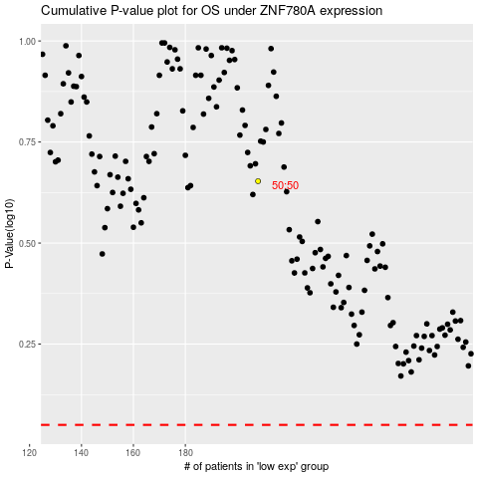

 |  |  |  |  |  | cases_OS | p_OS | rank | exp
 |  |  |  |  |  |  | cases_RFS | p_RFS | rank | exp

