ZNF786 _multivariate
Reported by Tex Li-Hsing Chi. tex@gate.sinica.edu.tw 2019-08-14

Table 2. The clinicopathological features of HNSCC cohort and ZNF786 expression. (Chi square test)
Cutoff at -0.194 (49.8%)
 |  | ZNF786 expression |  | ZNF786 expression |  | (Optimised)
 | Features | Low | (%) | High | (%) | Case no | P-value | Remark | Matthews
Gender | Female | 154 | 37.1 | 152 | 36.6 | 415 | 0.8463 | 0 | 0
2 | Male | 53 | 12.8 | 56 | 13.5
Age at diagnosis | <=65y | 131 | 31.6 | 143 | 34.5 | 415 | 0.2839 | 0 | 0
4 | >65y | 76 | 18.3 | 65 | 15.7
Clinical T Status | T1+T2 | 76 | 18.3 | 73 | 17.6 | 415 | 0.8092 | 0 | 0
6 | T3+T4 | 131 | 31.6 | 135 | 32.5
Clinical N Status | N0 | 97 | 23.4 | 119 | 28.7 | 415 | 0.0442 | 1 | 0
8 | N1-3 | 110 | 26.5 | 89 | 21.4
Clinical M Status | M0 | 206 | 49.6 | 206 | 49.6 | 415 | 1 | 0 | 0
10 | M1 | 1 | 0.2 | 2 | 0.5
Clinical Stage | Stage I+II | 49 | 11.8 | 53 | 12.8 | 415 | 0.7535 | 0 | 0
12 | Stage III+IV | 158 | 38.1 | 155 | 37.3
Surgical Margin status | Negative | 161 | 38.8 | 157 | 37.8 | 415 | 0.6429 | 0 | 0
14 | Positive | 46 | 11.1 | 51 | 12.3
Tobacco Exposure | Low | 91 | 21.9 | 70 | 16.9 | 415 | 0.0346 | 1 | 0
16 | High | 116 | 28 | 138 | 33.3

Table 3. Univariate/Multivariate Cox's proportional hazards regression analyses on OS time of ZNF786 gene expression in HNSCC

 |  | Univariate |  |  |  | Multivariate
 | Features | HR | CI95%(L) | CI95%(H) | P-value | HR | CI95%(L) | CI95%(H) | P-value
1 | Female | 1 |  |  |  | 1
Gender | Male | 1.157 | 0.843 | 1.587 | 0.367 | 1.198 | 0.858 | 1.672 | 0.289
11 | <=65y | 1 |  |  |  | 1
Age at diagnosis | >65y | 1.329 | 0.99 | 1.784 | 0.058 | 1.366 | 1.004 | 1.859 | 0.047
12 | T1+T2 | 1 |  |  |  | 1
Clinical T Status | T3+T4 | 1.409 | 1.028 | 1.931 | 0.033 | 2.232 | 1.18 | 4.22 | 0.014
13 | N0 | 1 |  |  |  | 1
Clinical N Status | N1-3 | 1.185 | 0.89 | 1.577 | 0.246 | 1.204 | 0.842 | 1.724 | 0.309
14 | M0 | 1 |  |  |  | 1
Clinical M Status | M1 | 4.097 | 1.009 | 16.644 | 0.049 | 9.742 | 2.122 | 44.72 | 0.003
15 | Stage I+II | 1 |  |  |  | 1
Clinical Stage | Stage III+IV | 1.245 | 0.882 | 1.759 | 0.213 | 0.504 | 0.235 | 1.08 | 0.078
16 | Negative | 1 |  |  |  | 1
Surgical Margin status | Positive | 1.591 | 1.155 | 2.191 | 0.004 | 1.701 | 1.229 | 2.355 | 0.001
17 | Low | 1 |  |  |  | 1
Tobacco Exposure | High | 1.364 | 1.008 | 1.844 | 0.044 | 1.48 | 1.072 | 2.043 | 0.017
18 | Low | 1 |  |  |  | 1
RNAseq(z-score) | High | 0.878 | 0.659 | 1.169 | 0.374 | 0.834 | 0.622 | 1.119 | 0.227

Table 4. Univariate/Multivariate Cox's proportional hazards regression analyses on RFS time of ZNF786 gene expression in HNSCC

 |  | Univariate |  |  |  | Multivariate
 | Features | HR | CI95%(L) | CI95%(H) | P-value | HR | CI95%(L) | CI95%(H) | P-value
1 | Female | 1 |  |  |  | 1
Gender | Male | 1.157 | 0.843 | 1.587 | 0.367 | 1.198 | 0.858 | 1.672 | 0.289
11 | <=65y | 1 |  |  |  | 1
Age at diagnosis | >65y | 1.329 | 0.99 | 1.784 | 0.058 | 1.366 | 1.004 | 1.859 | 0.047
12 | T1+T2 | 1 |  |  |  | 1
Clinical T Status | T3+T4 | 1.409 | 1.028 | 1.931 | 0.033 | 2.232 | 1.18 | 4.22 | 0.014
13 | N0 | 1 |  |  |  | 1
Clinical N Status | N1-3 | 1.185 | 0.89 | 1.577 | 0.246 | 1.204 | 0.842 | 1.724 | 0.309
14 | M0 | 1 |  |  |  | 1
Clinical M Status | M1 | 4.097 | 1.009 | 16.644 | 0.049 | 9.742 | 2.122 | 44.72 | 0.003
15 | Stage I+II | 1 |  |  |  | 1
Clinical Stage | Stage III+IV | 1.245 | 0.882 | 1.759 | 0.213 | 0.504 | 0.235 | 1.08 | 0.078
16 | Negative | 1 |  |  |  | 1
Surgical Margin status | Positive | 1.591 | 1.155 | 2.191 | 0.004 | 1.701 | 1.229 | 2.355 | 0.001
17 | Low | 1 |  |  |  | 1
Tobacco Exposure | High | 1.364 | 1.008 | 1.844 | 0.044 | 1.48 | 1.072 | 2.043 | 0.017
18 | Low | 1 |  |  |  | 1
RNAseq(z-score) | High | 0.878 | 0.659 | 1.169 | 0.374 | 0.834 | 0.622 | 1.119 | 0.227

Kaplan-Meier survival estimate: Cutoff at -0.194 (49.8%)



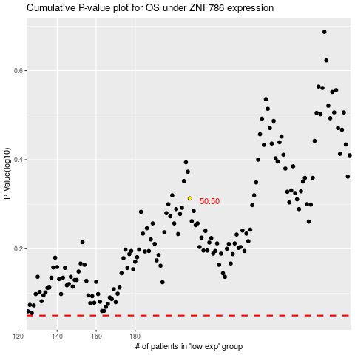

 |  |  |  |  |  | cases_OS | p_OS | rank | exp
 |  |  |  |  |  |  | cases_RFS | p_RFS | rank | exp

