ZNF787 _multivariate
Reported by Tex Li-Hsing Chi. tex@gate.sinica.edu.tw 2019-08-14

Table 2. The clinicopathological features of HNSCC cohort and ZNF787 expression. (Chi square test)
Cutoff at -0.164 (49.8%)
 |  | ZNF787 expression |  | ZNF787 expression |  | (Optimised)
 | Features | Low | (%) | High | (%) | Case no | P-value | Remark | Matthews
Gender | Female | 149 | 35.9 | 157 | 37.8 | 415 | 0.4848 | 0 | 0
2 | Male | 58 | 14 | 51 | 12.3
Age at diagnosis | <=65y | 141 | 34 | 133 | 32 | 415 | 0.4272 | 0 | 0
4 | >65y | 66 | 15.9 | 75 | 18.1
Clinical T Status | T1+T2 | 74 | 17.8 | 75 | 18.1 | 415 | 1 | 0 | 0
6 | T3+T4 | 133 | 32 | 133 | 32
Clinical N Status | N0 | 111 | 26.7 | 105 | 25.3 | 415 | 0.5875 | 0 | 0
8 | N1-3 | 96 | 23.1 | 103 | 24.8
Clinical M Status | M0 | 207 | 49.9 | 205 | 49.4 | 415 | 0.2482 | 0 | 0
10 | M1 | 0 | 0 | 3 | 0.7
Clinical Stage | Stage I+II | 51 | 12.3 | 51 | 12.3 | 415 | 1 | 0 | 0
12 | Stage III+IV | 156 | 37.6 | 157 | 37.8
Surgical Margin status | Negative | 159 | 38.3 | 159 | 38.3 | 415 | 1 | 0 | 0
14 | Positive | 48 | 11.6 | 49 | 11.8
Tobacco Exposure | Low | 78 | 18.8 | 83 | 20 | 415 | 0.6873 | 0 | 0
16 | High | 129 | 31.1 | 125 | 30.1

Table 3. Univariate/Multivariate Cox's proportional hazards regression analyses on OS time of ZNF787 gene expression in HNSCC

 |  | Univariate |  |  |  | Multivariate
 | Features | HR | CI95%(L) | CI95%(H) | P-value | HR | CI95%(L) | CI95%(H) | P-value
1 | Female | 1 |  |  |  | 1
Gender | Male | 1.157 | 0.843 | 1.587 | 0.367 | 1.213 | 0.868 | 1.697 | 0.258
11 | <=65y | 1 |  |  |  | 1
Age at diagnosis | >65y | 1.329 | 0.99 | 1.784 | 0.058 | 1.389 | 1.022 | 1.889 | 0.036
12 | T1+T2 | 1 |  |  |  | 1
Clinical T Status | T3+T4 | 1.409 | 1.028 | 1.931 | 0.033 | 2.205 | 1.167 | 4.167 | 0.015
13 | N0 | 1 |  |  |  | 1
Clinical N Status | N1-3 | 1.185 | 0.89 | 1.577 | 0.246 | 1.214 | 0.85 | 1.735 | 0.287
14 | M0 | 1 |  |  |  | 1
Clinical M Status | M1 | 4.097 | 1.009 | 16.644 | 0.049 | 8.685 | 1.886 | 40.003 | 0.006
15 | Stage I+II | 1 |  |  |  | 1
Clinical Stage | Stage III+IV | 1.245 | 0.882 | 1.759 | 0.213 | 0.506 | 0.236 | 1.084 | 0.08
16 | Negative | 1 |  |  |  | 1
Surgical Margin status | Positive | 1.591 | 1.155 | 2.191 | 0.004 | 1.66 | 1.201 | 2.293 | 0.002
17 | Low | 1 |  |  |  | 1
Tobacco Exposure | High | 1.364 | 1.008 | 1.844 | 0.044 | 1.462 | 1.061 | 2.016 | 0.02
18 | Low | 1 |  |  |  | 1
RNAseq(z-score) | High | 1.261 | 0.943 | 1.686 | 0.118 | 1.211 | 0.902 | 1.626 | 0.203

Table 4. Univariate/Multivariate Cox's proportional hazards regression analyses on RFS time of ZNF787 gene expression in HNSCC

 |  | Univariate |  |  |  | Multivariate
 | Features | HR | CI95%(L) | CI95%(H) | P-value | HR | CI95%(L) | CI95%(H) | P-value
1 | Female | 1 |  |  |  | 1
Gender | Male | 1.157 | 0.843 | 1.587 | 0.367 | 1.213 | 0.868 | 1.697 | 0.258
11 | <=65y | 1 |  |  |  | 1
Age at diagnosis | >65y | 1.329 | 0.99 | 1.784 | 0.058 | 1.389 | 1.022 | 1.889 | 0.036
12 | T1+T2 | 1 |  |  |  | 1
Clinical T Status | T3+T4 | 1.409 | 1.028 | 1.931 | 0.033 | 2.205 | 1.167 | 4.167 | 0.015
13 | N0 | 1 |  |  |  | 1
Clinical N Status | N1-3 | 1.185 | 0.89 | 1.577 | 0.246 | 1.214 | 0.85 | 1.735 | 0.287
14 | M0 | 1 |  |  |  | 1
Clinical M Status | M1 | 4.097 | 1.009 | 16.644 | 0.049 | 8.685 | 1.886 | 40.003 | 0.006
15 | Stage I+II | 1 |  |  |  | 1
Clinical Stage | Stage III+IV | 1.245 | 0.882 | 1.759 | 0.213 | 0.506 | 0.236 | 1.084 | 0.08
16 | Negative | 1 |  |  |  | 1
Surgical Margin status | Positive | 1.591 | 1.155 | 2.191 | 0.004 | 1.66 | 1.201 | 2.293 | 0.002
17 | Low | 1 |  |  |  | 1
Tobacco Exposure | High | 1.364 | 1.008 | 1.844 | 0.044 | 1.462 | 1.061 | 2.016 | 0.02
18 | Low | 1 |  |  |  | 1
RNAseq(z-score) | High | 1.261 | 0.943 | 1.686 | 0.118 | 1.211 | 0.902 | 1.626 | 0.203

Kaplan-Meier survival estimate: Cutoff at -0.164 (49.8%)



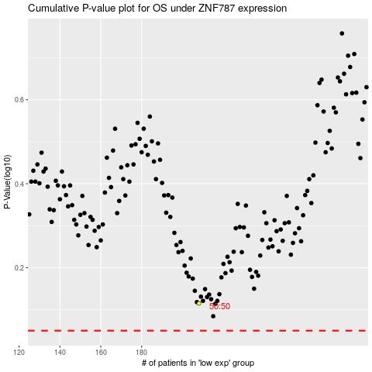

 |  |  |  |  |  | cases_OS | p_OS | rank | exp
 |  |  |  |  |  |  | cases_RFS | p_RFS | rank | exp

