ZNF789 _multivariate
Reported by Tex Li-Hsing Chi. tex@gate.sinica.edu.tw 2019-08-14

Table 2. The clinicopathological features of HNSCC cohort and ZNF789 expression. (Chi square test)
Cutoff at -0.348 (49.8%)
 |  | ZNF789 expression |  | ZNF789 expression |  | (Optimised)
 | Features | Low | (%) | High | (%) | Case no | P-value | Remark | Matthews
Gender | Female | 144 | 34.7 | 162 | 39 | 415 | 0.0697 | 0 | 0
2 | Male | 63 | 15.2 | 46 | 11.1
Age at diagnosis | <=65y | 134 | 32.3 | 140 | 33.7 | 415 | 0.6529 | 0 | 0
4 | >65y | 73 | 17.6 | 68 | 16.4
Clinical T Status | T1+T2 | 69 | 16.6 | 80 | 19.3 | 415 | 0.3239 | 0 | 0
6 | T3+T4 | 138 | 33.3 | 128 | 30.8
Clinical N Status | N0 | 104 | 25.1 | 112 | 27 | 415 | 0.5243 | 0 | 0
8 | N1-3 | 103 | 24.8 | 96 | 23.1
Clinical M Status | M0 | 207 | 49.9 | 205 | 49.4 | 415 | 0.2482 | 0 | 0
10 | M1 | 0 | 0 | 3 | 0.7
Clinical Stage | Stage I+II | 53 | 12.8 | 49 | 11.8 | 415 | 0.7113 | 0 | 0
12 | Stage III+IV | 154 | 37.1 | 159 | 38.3
Surgical Margin status | Negative | 165 | 39.8 | 153 | 36.9 | 415 | 0.1639 | 0 | 0
14 | Positive | 42 | 10.1 | 55 | 13.3
Tobacco Exposure | Low | 85 | 20.5 | 76 | 18.3 | 415 | 0.3655 | 0 | 0
16 | High | 122 | 29.4 | 132 | 31.8

Table 3. Univariate/Multivariate Cox's proportional hazards regression analyses on OS time of ZNF789 gene expression in HNSCC

 |  | Univariate |  |  |  | Multivariate
 | Features | HR | CI95%(L) | CI95%(H) | P-value | HR | CI95%(L) | CI95%(H) | P-value
1 | Female | 1 |  |  |  | 1
Gender | Male | 1.157 | 0.843 | 1.587 | 0.367 | 1.2 | 0.859 | 1.676 | 0.286
11 | <=65y | 1 |  |  |  | 1
Age at diagnosis | >65y | 1.329 | 0.99 | 1.784 | 0.058 | 1.405 | 1.032 | 1.912 | 0.031
12 | T1+T2 | 1 |  |  |  | 1
Clinical T Status | T3+T4 | 1.409 | 1.028 | 1.931 | 0.033 | 2.141 | 1.129 | 4.059 | 0.02
13 | N0 | 1 |  |  |  | 1
Clinical N Status | N1-3 | 1.185 | 0.89 | 1.577 | 0.246 | 1.223 | 0.856 | 1.748 | 0.269
14 | M0 | 1 |  |  |  | 1
Clinical M Status | M1 | 4.097 | 1.009 | 16.644 | 0.049 | 9.875 | 2.145 | 45.455 | 0.003
15 | Stage I+II | 1 |  |  |  | 1
Clinical Stage | Stage III+IV | 1.245 | 0.882 | 1.759 | 0.213 | 0.522 | 0.242 | 1.125 | 0.097
16 | Negative | 1 |  |  |  | 1
Surgical Margin status | Positive | 1.591 | 1.155 | 2.191 | 0.004 | 1.696 | 1.226 | 2.348 | 0.001
17 | Low | 1 |  |  |  | 1
Tobacco Exposure | High | 1.364 | 1.008 | 1.844 | 0.044 | 1.472 | 1.066 | 2.032 | 0.019
18 | Low | 1 |  |  |  | 1
RNAseq(z-score) | High | 0.917 | 0.688 | 1.222 | 0.553 | 0.88 | 0.656 | 1.182 | 0.396

Table 4. Univariate/Multivariate Cox's proportional hazards regression analyses on RFS time of ZNF789 gene expression in HNSCC

 |  | Univariate |  |  |  | Multivariate
 | Features | HR | CI95%(L) | CI95%(H) | P-value | HR | CI95%(L) | CI95%(H) | P-value
1 | Female | 1 |  |  |  | 1
Gender | Male | 1.157 | 0.843 | 1.587 | 0.367 | 1.2 | 0.859 | 1.676 | 0.286
11 | <=65y | 1 |  |  |  | 1
Age at diagnosis | >65y | 1.329 | 0.99 | 1.784 | 0.058 | 1.405 | 1.032 | 1.912 | 0.031
12 | T1+T2 | 1 |  |  |  | 1
Clinical T Status | T3+T4 | 1.409 | 1.028 | 1.931 | 0.033 | 2.141 | 1.129 | 4.059 | 0.02
13 | N0 | 1 |  |  |  | 1
Clinical N Status | N1-3 | 1.185 | 0.89 | 1.577 | 0.246 | 1.223 | 0.856 | 1.748 | 0.269
14 | M0 | 1 |  |  |  | 1
Clinical M Status | M1 | 4.097 | 1.009 | 16.644 | 0.049 | 9.875 | 2.145 | 45.455 | 0.003
15 | Stage I+II | 1 |  |  |  | 1
Clinical Stage | Stage III+IV | 1.245 | 0.882 | 1.759 | 0.213 | 0.522 | 0.242 | 1.125 | 0.097
16 | Negative | 1 |  |  |  | 1
Surgical Margin status | Positive | 1.591 | 1.155 | 2.191 | 0.004 | 1.696 | 1.226 | 2.348 | 0.001
17 | Low | 1 |  |  |  | 1
Tobacco Exposure | High | 1.364 | 1.008 | 1.844 | 0.044 | 1.472 | 1.066 | 2.032 | 0.019
18 | Low | 1 |  |  |  | 1
RNAseq(z-score) | High | 0.917 | 0.688 | 1.222 | 0.553 | 0.88 | 0.656 | 1.182 | 0.396

Kaplan-Meier survival estimate: Cutoff at -0.348 (49.8%)



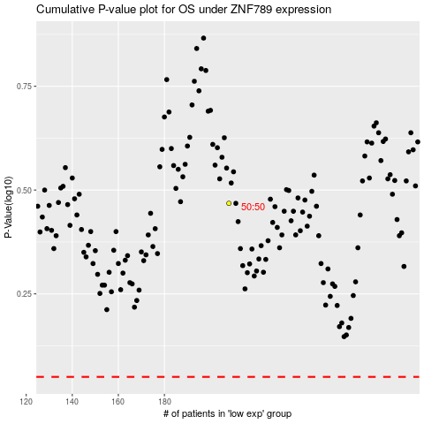

 |  |  |  |  |  | cases_OS | p_OS | rank | exp
 |  |  |  |  |  |  | cases_RFS | p_RFS | rank | exp

