ZNF79 _multivariate
Reported by Tex Li-Hsing Chi. tex@gate.sinica.edu.tw 2019-08-14

Table 2. The clinicopathological features of HNSCC cohort and ZNF79 expression. (Chi square test)
Cutoff at -0.134 (49.8%)
 |  | ZNF79 expression |  | ZNF79 expression |  | (Optimised)
 | Features | Low | (%) | High | (%) | Case no | P-value | Remark | Matthews
Gender | Female | 150 | 36.1 | 156 | 37.6 | 415 | 0.6344 | 0 | 0
2 | Male | 57 | 13.7 | 52 | 12.5
Age at diagnosis | <=65y | 129 | 31.1 | 145 | 34.9 | 415 | 0.1372 | 0 | 0
4 | >65y | 78 | 18.8 | 63 | 15.2
Clinical T Status | T1+T2 | 61 | 14.7 | 88 | 21.2 | 415 | 0.0087 | 1 | 0
6 | T3+T4 | 146 | 35.2 | 120 | 28.9
Clinical N Status | N0 | 101 | 24.3 | 115 | 27.7 | 415 | 0.2201 | 0 | 0
8 | N1-3 | 106 | 25.5 | 93 | 22.4
Clinical M Status | M0 | 206 | 49.6 | 206 | 49.6 | 415 | 1 | 0 | 0
10 | M1 | 1 | 0.2 | 2 | 0.5
Clinical Stage | Stage I+II | 44 | 10.6 | 58 | 14 | 415 | 0.1459 | 0 | 0
12 | Stage III+IV | 163 | 39.3 | 150 | 36.1
Surgical Margin status | Negative | 159 | 38.3 | 159 | 38.3 | 415 | 1 | 0 | 0
14 | Positive | 48 | 11.6 | 49 | 11.8
Tobacco Exposure | Low | 79 | 19 | 82 | 19.8 | 415 | 0.8405 | 0 | 0
16 | High | 128 | 30.8 | 126 | 30.4

Table 3. Univariate/Multivariate Cox's proportional hazards regression analyses on OS time of ZNF79 gene expression in HNSCC

 |  | Univariate |  |  |  | Multivariate
 | Features | HR | CI95%(L) | CI95%(H) | P-value | HR | CI95%(L) | CI95%(H) | P-value
1 | Female | 1 |  |  |  | 1
Gender | Male | 1.157 | 0.843 | 1.587 | 0.367 | 1.203 | 0.861 | 1.681 | 0.279
11 | <=65y | 1 |  |  |  | 1
Age at diagnosis | >65y | 1.329 | 0.99 | 1.784 | 0.058 | 1.393 | 1.024 | 1.894 | 0.035
12 | T1+T2 | 1 |  |  |  | 1
Clinical T Status | T3+T4 | 1.409 | 1.028 | 1.931 | 0.033 | 2.223 | 1.169 | 4.229 | 0.015
13 | N0 | 1 |  |  |  | 1
Clinical N Status | N1-3 | 1.185 | 0.89 | 1.577 | 0.246 | 1.244 | 0.871 | 1.777 | 0.23
14 | M0 | 1 |  |  |  | 1
Clinical M Status | M1 | 4.097 | 1.009 | 16.644 | 0.049 | 9.392 | 2.049 | 43.06 | 0.004
15 | Stage I+II | 1 |  |  |  | 1
Clinical Stage | Stage III+IV | 1.245 | 0.882 | 1.759 | 0.213 | 0.5 | 0.232 | 1.078 | 0.077
16 | Negative | 1 |  |  |  | 1
Surgical Margin status | Positive | 1.591 | 1.155 | 2.191 | 0.004 | 1.674 | 1.211 | 2.314 | 0.002
17 | Low | 1 |  |  |  | 1
Tobacco Exposure | High | 1.364 | 1.008 | 1.844 | 0.044 | 1.454 | 1.055 | 2.004 | 0.022
18 | Low | 1 |  |  |  | 1
RNAseq(z-score) | High | 0.943 | 0.707 | 1.259 | 0.691 | 1.032 | 0.77 | 1.383 | 0.835

Table 4. Univariate/Multivariate Cox's proportional hazards regression analyses on RFS time of ZNF79 gene expression in HNSCC

 |  | Univariate |  |  |  | Multivariate
 | Features | HR | CI95%(L) | CI95%(H) | P-value | HR | CI95%(L) | CI95%(H) | P-value
1 | Female | 1 |  |  |  | 1
Gender | Male | 1.157 | 0.843 | 1.587 | 0.367 | 1.203 | 0.861 | 1.681 | 0.279
11 | <=65y | 1 |  |  |  | 1
Age at diagnosis | >65y | 1.329 | 0.99 | 1.784 | 0.058 | 1.393 | 1.024 | 1.894 | 0.035
12 | T1+T2 | 1 |  |  |  | 1
Clinical T Status | T3+T4 | 1.409 | 1.028 | 1.931 | 0.033 | 2.223 | 1.169 | 4.229 | 0.015
13 | N0 | 1 |  |  |  | 1
Clinical N Status | N1-3 | 1.185 | 0.89 | 1.577 | 0.246 | 1.244 | 0.871 | 1.777 | 0.23
14 | M0 | 1 |  |  |  | 1
Clinical M Status | M1 | 4.097 | 1.009 | 16.644 | 0.049 | 9.392 | 2.049 | 43.06 | 0.004
15 | Stage I+II | 1 |  |  |  | 1
Clinical Stage | Stage III+IV | 1.245 | 0.882 | 1.759 | 0.213 | 0.5 | 0.232 | 1.078 | 0.077
16 | Negative | 1 |  |  |  | 1
Surgical Margin status | Positive | 1.591 | 1.155 | 2.191 | 0.004 | 1.674 | 1.211 | 2.314 | 0.002
17 | Low | 1 |  |  |  | 1
Tobacco Exposure | High | 1.364 | 1.008 | 1.844 | 0.044 | 1.454 | 1.055 | 2.004 | 0.022
18 | Low | 1 |  |  |  | 1
RNAseq(z-score) | High | 0.943 | 0.707 | 1.259 | 0.691 | 1.032 | 0.77 | 1.383 | 0.835

Kaplan-Meier survival estimate: Cutoff at -0.134 (49.8%)



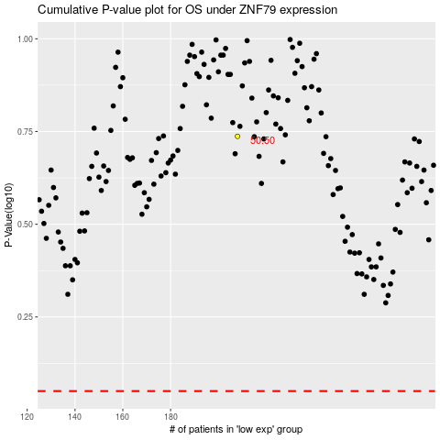

 |  |  |  |  |  | cases_OS | p_OS | rank | exp
 |  |  |  |  |  |  | cases_RFS | p_RFS | rank | exp

