ZNF805 _multivariate
Reported by Tex Li-Hsing Chi. tex@gate.sinica.edu.tw 2019-08-14

Table 2. The clinicopathological features of HNSCC cohort and ZNF805 expression. (Chi square test)
Cutoff at -0.094 (49.8%)
 |  | ZNF805 expression |  | ZNF805 expression |  | (Optimised)
 | Features | Low | (%) | High | (%) | Case no | P-value | Remark | Matthews
Gender | Female | 150 | 36.1 | 156 | 37.6 | 415 | 0.6344 | 0 | 0
2 | Male | 57 | 13.7 | 52 | 12.5
Age at diagnosis | <=65y | 132 | 31.8 | 142 | 34.2 | 415 | 0.3874 | 0 | 0
4 | >65y | 75 | 18.1 | 66 | 15.9
Clinical T Status | T1+T2 | 74 | 17.8 | 75 | 18.1 | 415 | 1 | 0 | 0
6 | T3+T4 | 133 | 32 | 133 | 32
Clinical N Status | N0 | 110 | 26.5 | 106 | 25.5 | 415 | 0.7294 | 0 | 0
8 | N1-3 | 97 | 23.4 | 102 | 24.6
Clinical M Status | M0 | 205 | 49.4 | 207 | 49.9 | 415 | 0.6232 | 0 | 0
10 | M1 | 2 | 0.5 | 1 | 0.2
Clinical Stage | Stage I+II | 50 | 12 | 52 | 12.5 | 415 | 0.9315 | 0 | 0
12 | Stage III+IV | 157 | 37.8 | 156 | 37.6
Surgical Margin status | Negative | 162 | 39 | 156 | 37.6 | 415 | 0.4867 | 0 | 0
14 | Positive | 45 | 10.8 | 52 | 12.5
Tobacco Exposure | Low | 90 | 21.7 | 71 | 17.1 | 415 | 0.0559 | 0 | 0
16 | High | 117 | 28.2 | 137 | 33

Table 3. Univariate/Multivariate Cox's proportional hazards regression analyses on OS time of ZNF805 gene expression in HNSCC

 |  | Univariate |  |  |  | Multivariate
 | Features | HR | CI95%(L) | CI95%(H) | P-value | HR | CI95%(L) | CI95%(H) | P-value
1 | Female | 1 |  |  |  | 1
Gender | Male | 1.157 | 0.843 | 1.587 | 0.367 | 1.201 | 0.859 | 1.678 | 0.283
11 | <=65y | 1 |  |  |  | 1
Age at diagnosis | >65y | 1.329 | 0.99 | 1.784 | 0.058 | 1.366 | 1.006 | 1.855 | 0.046
12 | T1+T2 | 1 |  |  |  | 1
Clinical T Status | T3+T4 | 1.409 | 1.028 | 1.931 | 0.033 | 2.167 | 1.147 | 4.094 | 0.017
13 | N0 | 1 |  |  |  | 1
Clinical N Status | N1-3 | 1.185 | 0.89 | 1.577 | 0.246 | 1.253 | 0.878 | 1.787 | 0.214
14 | M0 | 1 |  |  |  | 1
Clinical M Status | M1 | 4.097 | 1.009 | 16.644 | 0.049 | 8.928 | 1.947 | 40.949 | 0.005
15 | Stage I+II | 1 |  |  |  | 1
Clinical Stage | Stage III+IV | 1.245 | 0.882 | 1.759 | 0.213 | 0.505 | 0.236 | 1.084 | 0.08
16 | Negative | 1 |  |  |  | 1
Surgical Margin status | Positive | 1.591 | 1.155 | 2.191 | 0.004 | 1.698 | 1.228 | 2.347 | 0.001
17 | Low | 1 |  |  |  | 1
Tobacco Exposure | High | 1.364 | 1.008 | 1.844 | 0.044 | 1.519 | 1.098 | 2.1 | 0.012
18 | Low | 1 |  |  |  | 1
RNAseq(z-score) | High | 0.786 | 0.589 | 1.047 | 0.1 | 0.744 | 0.556 | 0.997 | 0.048

Table 4. Univariate/Multivariate Cox's proportional hazards regression analyses on RFS time of ZNF805 gene expression in HNSCC

 |  | Univariate |  |  |  | Multivariate
 | Features | HR | CI95%(L) | CI95%(H) | P-value | HR | CI95%(L) | CI95%(H) | P-value
1 | Female | 1 |  |  |  | 1
Gender | Male | 1.157 | 0.843 | 1.587 | 0.367 | 1.201 | 0.859 | 1.678 | 0.283
11 | <=65y | 1 |  |  |  | 1
Age at diagnosis | >65y | 1.329 | 0.99 | 1.784 | 0.058 | 1.366 | 1.006 | 1.855 | 0.046
12 | T1+T2 | 1 |  |  |  | 1
Clinical T Status | T3+T4 | 1.409 | 1.028 | 1.931 | 0.033 | 2.167 | 1.147 | 4.094 | 0.017
13 | N0 | 1 |  |  |  | 1
Clinical N Status | N1-3 | 1.185 | 0.89 | 1.577 | 0.246 | 1.253 | 0.878 | 1.787 | 0.214
14 | M0 | 1 |  |  |  | 1
Clinical M Status | M1 | 4.097 | 1.009 | 16.644 | 0.049 | 8.928 | 1.947 | 40.949 | 0.005
15 | Stage I+II | 1 |  |  |  | 1
Clinical Stage | Stage III+IV | 1.245 | 0.882 | 1.759 | 0.213 | 0.505 | 0.236 | 1.084 | 0.08
16 | Negative | 1 |  |  |  | 1
Surgical Margin status | Positive | 1.591 | 1.155 | 2.191 | 0.004 | 1.698 | 1.228 | 2.347 | 0.001
17 | Low | 1 |  |  |  | 1
Tobacco Exposure | High | 1.364 | 1.008 | 1.844 | 0.044 | 1.519 | 1.098 | 2.1 | 0.012
18 | Low | 1 |  |  |  | 1
RNAseq(z-score) | High | 0.786 | 0.589 | 1.047 | 0.1 | 0.744 | 0.556 | 0.997 | 0.048

Kaplan-Meier survival estimate: Cutoff at -0.094 (49.8%)



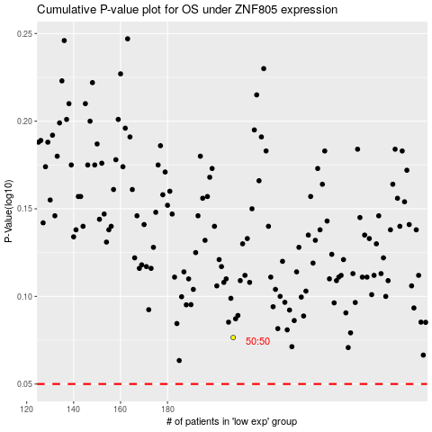

 |  |  |  |  |  | cases_OS | p_OS | rank | exp
 |  |  |  |  |  |  | cases_RFS | p_RFS | rank | exp

