ZNF827 _multivariate
Reported by Tex Li-Hsing Chi. tex@gate.sinica.edu.tw 2019-08-14

Table 2. The clinicopathological features of HNSCC cohort and ZNF827 expression. (Chi square test)
Cutoff at -0.41 (36.5%)
 |  | ZNF827 expression |  | ZNF827 expression |  | (Optimised)
 | Features | Low | (%) | High | (%) | Case no | P-value | Remark | Matthews
Gender | Female | 114 | 27.5 | 192 | 46.3 | 415 | 0.7418 | 0 | 0
2 | Male | 38 | 9.2 | 71 | 17.1
Age at diagnosis | <=65y | 95 | 22.9 | 179 | 43.1 | 415 | 0.2961 | 0 | 0
4 | >65y | 57 | 13.7 | 84 | 20.2
Clinical T Status | T1+T2 | 49 | 11.8 | 100 | 24.1 | 415 | 0.2812 | 0 | 0
6 | T3+T4 | 103 | 24.8 | 163 | 39.3
Clinical N Status | N0 | 84 | 20.2 | 132 | 31.8 | 415 | 0.371 | 0 | 0
8 | N1-3 | 68 | 16.4 | 131 | 31.6
Clinical M Status | M0 | 149 | 35.9 | 263 | 63.4 | 415 | 0.0485 | 1 | 0
10 | M1 | 3 | 0.7 | 0 | 0
Clinical Stage | Stage I+II | 33 | 8 | 69 | 16.6 | 415 | 0.3611 | 0 | 0
12 | Stage III+IV | 119 | 28.7 | 194 | 46.7
Surgical Margin status | Negative | 110 | 26.5 | 208 | 50.1 | 415 | 0.1483 | 0 | 0
14 | Positive | 42 | 10.1 | 55 | 13.3
Tobacco Exposure | Low | 62 | 14.9 | 99 | 23.9 | 415 | 0.5323 | 0 | 0
16 | High | 90 | 21.7 | 164 | 39.5

Table 3. Univariate/Multivariate Cox's proportional hazards regression analyses on OS time of ZNF827 gene expression in HNSCC

 |  | Univariate |  |  |  | Multivariate
 | Features | HR | CI95%(L) | CI95%(H) | P-value | HR | CI95%(L) | CI95%(H) | P-value
1 | Female | 1 |  |  |  | 1
Gender | Male | 1.157 | 0.843 | 1.587 | 0.367 | 1.191 | 0.852 | 1.665 | 0.307
11 | <=65y | 1 |  |  |  | 1
Age at diagnosis | >65y | 1.329 | 0.99 | 1.784 | 0.058 | 1.386 | 1.02 | 1.884 | 0.037
12 | T1+T2 | 1 |  |  |  | 1
Clinical T Status | T3+T4 | 1.409 | 1.028 | 1.931 | 0.033 | 2.17 | 1.147 | 4.106 | 0.017
13 | N0 | 1 |  |  |  | 1
Clinical N Status | N1-3 | 1.185 | 0.89 | 1.577 | 0.246 | 1.264 | 0.885 | 1.806 | 0.198
14 | M0 | 1 |  |  |  | 1
Clinical M Status | M1 | 4.097 | 1.009 | 16.644 | 0.049 | 8.19 | 1.758 | 38.16 | 0.007
15 | Stage I+II | 1 |  |  |  | 1
Clinical Stage | Stage III+IV | 1.245 | 0.882 | 1.759 | 0.213 | 0.5 | 0.233 | 1.074 | 0.075
16 | Negative | 1 |  |  |  | 1
Surgical Margin status | Positive | 1.591 | 1.155 | 2.191 | 0.004 | 1.614 | 1.162 | 2.241 | 0.004
17 | Low | 1 |  |  |  | 1
Tobacco Exposure | High | 1.364 | 1.008 | 1.844 | 0.044 | 1.448 | 1.05 | 1.996 | 0.024
18 | Low | 1 |  |  |  | 1
RNAseq(z-score) | High | 0.744 | 0.553 | 0.999 | 0.049 | 0.832 | 0.612 | 1.13 | 0.238

Table 4. Univariate/Multivariate Cox's proportional hazards regression analyses on RFS time of ZNF827 gene expression in HNSCC

 |  | Univariate |  |  |  | Multivariate
 | Features | HR | CI95%(L) | CI95%(H) | P-value | HR | CI95%(L) | CI95%(H) | P-value
1 | Female | 1 |  |  |  | 1
Gender | Male | 1.157 | 0.843 | 1.587 | 0.367 | 1.191 | 0.852 | 1.665 | 0.307
11 | <=65y | 1 |  |  |  | 1
Age at diagnosis | >65y | 1.329 | 0.99 | 1.784 | 0.058 | 1.386 | 1.02 | 1.884 | 0.037
12 | T1+T2 | 1 |  |  |  | 1
Clinical T Status | T3+T4 | 1.409 | 1.028 | 1.931 | 0.033 | 2.17 | 1.147 | 4.106 | 0.017
13 | N0 | 1 |  |  |  | 1
Clinical N Status | N1-3 | 1.185 | 0.89 | 1.577 | 0.246 | 1.264 | 0.885 | 1.806 | 0.198
14 | M0 | 1 |  |  |  | 1
Clinical M Status | M1 | 4.097 | 1.009 | 16.644 | 0.049 | 8.19 | 1.758 | 38.16 | 0.007
15 | Stage I+II | 1 |  |  |  | 1
Clinical Stage | Stage III+IV | 1.245 | 0.882 | 1.759 | 0.213 | 0.5 | 0.233 | 1.074 | 0.075
16 | Negative | 1 |  |  |  | 1
Surgical Margin status | Positive | 1.591 | 1.155 | 2.191 | 0.004 | 1.614 | 1.162 | 2.241 | 0.004
17 | Low | 1 |  |  |  | 1
Tobacco Exposure | High | 1.364 | 1.008 | 1.844 | 0.044 | 1.448 | 1.05 | 1.996 | 0.024
18 | Low | 1 |  |  |  | 1
RNAseq(z-score) | High | 0.744 | 0.553 | 0.999 | 0.049 | 0.832 | 0.612 | 1.13 | 0.238

Kaplan-Meier survival estimate: Cutoff at -0.41 (36.5%)



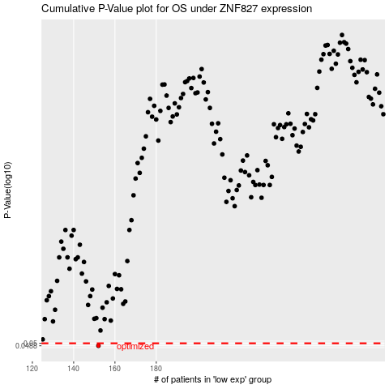

 |  |  |  |  |  | cases_OS | p_OS | rank | exp
 |  |  |  |  |  | 152 | 0.0488 | 103 | -0.41020224717
 |  |  |  |  |  |  | cases_RFS | p_RFS | rank | exp
 |  |  |  |  |  |  | 151 | 0.0488 | 326 | -0.41808938805

