ZNF829 _multivariate
Reported by Tex Li-Hsing Chi. tex@gate.sinica.edu.tw 2019-08-14

Table 2. The clinicopathological features of HNSCC cohort and ZNF829 expression. (Chi square test)
Cutoff at -0.179 (66.7%)
 |  | ZNF829 expression |  | ZNF829 expression |  | (Optimised)
 | Features | Low | (%) | High | (%) | Case no | P-value | Remark | Matthews
Gender | Female | 202 | 48.7 | 104 | 25.1 | 415 | 0.6794 | 0 | 0
2 | Male | 75 | 18.1 | 34 | 8.2
Age at diagnosis | <=65y | 183 | 44.1 | 91 | 21.9 | 415 | 1 | 0 | 0
4 | >65y | 94 | 22.7 | 47 | 11.3
Clinical T Status | T1+T2 | 95 | 22.9 | 54 | 13 | 415 | 0.3906 | 0 | 0
6 | T3+T4 | 182 | 43.9 | 84 | 20.2
Clinical N Status | N0 | 147 | 35.4 | 69 | 16.6 | 415 | 0.6275 | 0 | 0
8 | N1-3 | 130 | 31.3 | 69 | 16.6
Clinical M Status | M0 | 274 | 66 | 138 | 33.3 | 415 | 0.5539 | 0 | 0
10 | M1 | 3 | 0.7 | 0 | 0
Clinical Stage | Stage I+II | 66 | 15.9 | 36 | 8.7 | 415 | 0.7018 | 0 | 0
12 | Stage III+IV | 211 | 50.8 | 102 | 24.6
Surgical Margin status | Negative | 204 | 49.2 | 114 | 27.5 | 415 | 0.0487 | 1 | 0
14 | Positive | 73 | 17.6 | 24 | 5.8
Tobacco Exposure | Low | 107 | 25.8 | 54 | 13 | 415 | 1 | 0 | 0
16 | High | 170 | 41 | 84 | 20.2

Table 3. Univariate/Multivariate Cox's proportional hazards regression analyses on OS time of ZNF829 gene expression in HNSCC

 |  | Univariate |  |  |  | Multivariate
 | Features | HR | CI95%(L) | CI95%(H) | P-value | HR | CI95%(L) | CI95%(H) | P-value
1 | Female | 1 |  |  |  | 1
Gender | Male | 1.157 | 0.843 | 1.587 | 0.367 | 1.174 | 0.838 | 1.644 | 0.351
11 | <=65y | 1 |  |  |  | 1
Age at diagnosis | >65y | 1.329 | 0.99 | 1.784 | 0.058 | 1.415 | 1.04 | 1.924 | 0.027
12 | T1+T2 | 1 |  |  |  | 1
Clinical T Status | T3+T4 | 1.409 | 1.028 | 1.931 | 0.033 | 2.175 | 1.15 | 4.113 | 0.017
13 | N0 | 1 |  |  |  | 1
Clinical N Status | N1-3 | 1.185 | 0.89 | 1.577 | 0.246 | 1.256 | 0.88 | 1.792 | 0.209
14 | M0 | 1 |  |  |  | 1
Clinical M Status | M1 | 4.097 | 1.009 | 16.644 | 0.049 | 8.568 | 1.861 | 39.453 | 0.006
15 | Stage I+II | 1 |  |  |  | 1
Clinical Stage | Stage III+IV | 1.245 | 0.882 | 1.759 | 0.213 | 0.5 | 0.233 | 1.073 | 0.075
16 | Negative | 1 |  |  |  | 1
Surgical Margin status | Positive | 1.591 | 1.155 | 2.191 | 0.004 | 1.626 | 1.175 | 2.252 | 0.003
17 | Low | 1 |  |  |  | 1
Tobacco Exposure | High | 1.364 | 1.008 | 1.844 | 0.044 | 1.442 | 1.045 | 1.99 | 0.026
18 | Low | 1 |  |  |  | 1
RNAseq(z-score) | High | 0.727 | 0.529 | 1 | 0.05 | 0.786 | 0.569 | 1.087 | 0.145

Table 4. Univariate/Multivariate Cox's proportional hazards regression analyses on RFS time of ZNF829 gene expression in HNSCC

 |  | Univariate |  |  |  | Multivariate
 | Features | HR | CI95%(L) | CI95%(H) | P-value | HR | CI95%(L) | CI95%(H) | P-value
1 | Female | 1 |  |  |  | 1
Gender | Male | 1.157 | 0.843 | 1.587 | 0.367 | 1.174 | 0.838 | 1.644 | 0.351
11 | <=65y | 1 |  |  |  | 1
Age at diagnosis | >65y | 1.329 | 0.99 | 1.784 | 0.058 | 1.415 | 1.04 | 1.924 | 0.027
12 | T1+T2 | 1 |  |  |  | 1
Clinical T Status | T3+T4 | 1.409 | 1.028 | 1.931 | 0.033 | 2.175 | 1.15 | 4.113 | 0.017
13 | N0 | 1 |  |  |  | 1
Clinical N Status | N1-3 | 1.185 | 0.89 | 1.577 | 0.246 | 1.256 | 0.88 | 1.792 | 0.209
14 | M0 | 1 |  |  |  | 1
Clinical M Status | M1 | 4.097 | 1.009 | 16.644 | 0.049 | 8.568 | 1.861 | 39.453 | 0.006
15 | Stage I+II | 1 |  |  |  | 1
Clinical Stage | Stage III+IV | 1.245 | 0.882 | 1.759 | 0.213 | 0.5 | 0.233 | 1.073 | 0.075
16 | Negative | 1 |  |  |  | 1
Surgical Margin status | Positive | 1.591 | 1.155 | 2.191 | 0.004 | 1.626 | 1.175 | 2.252 | 0.003
17 | Low | 1 |  |  |  | 1
Tobacco Exposure | High | 1.364 | 1.008 | 1.844 | 0.044 | 1.442 | 1.045 | 1.99 | 0.026
18 | Low | 1 |  |  |  | 1
RNAseq(z-score) | High | 0.727 | 0.529 | 1 | 0.05 | 0.786 | 0.569 | 1.087 | 0.145

Kaplan-Meier survival estimate: Cutoff at -0.179 (66.7%)



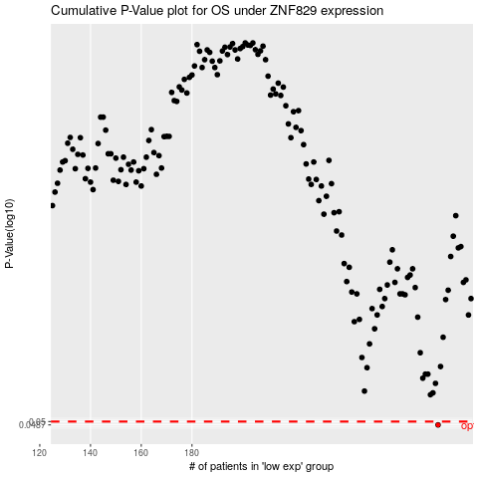

 |  |  |  |  |  | cases_OS | p_OS | rank | exp
 |  |  |  |  |  | 277 | 0.0487 | 175 | -0.17922942837
 |  |  |  |  |  |  | cases_RFS | p_RFS | rank | exp
 |  |  |  |  |  |  | 276 | 0.0487 | 224 | -0.18183014145

