ZNF839 _multivariate
Reported by Tex Li-Hsing Chi. tex@gate.sinica.edu.tw 2019-08-14

Table 2. The clinicopathological features of HNSCC cohort and ZNF839 expression. (Chi square test)
Cutoff at -0.196 (49.8%)
 |  | ZNF839 expression |  | ZNF839 expression |  | (Optimised)
 | Features | Low | (%) | High | (%) | Case no | P-value | Remark | Matthews
Gender | Female | 156 | 37.6 | 150 | 36.1 | 415 | 0.5222 | 0 | 0
2 | Male | 51 | 12.3 | 58 | 14
Age at diagnosis | <=65y | 142 | 34.2 | 132 | 31.8 | 415 | 0.3167 | 0 | 0
4 | >65y | 65 | 15.7 | 76 | 18.3
Clinical T Status | T1+T2 | 75 | 18.1 | 74 | 17.8 | 415 | 0.9707 | 0 | 0
6 | T3+T4 | 132 | 31.8 | 134 | 32.3
Clinical N Status | N0 | 104 | 25.1 | 112 | 27 | 415 | 0.5243 | 0 | 0
8 | N1-3 | 103 | 24.8 | 96 | 23.1
Clinical M Status | M0 | 206 | 49.6 | 206 | 49.6 | 415 | 1 | 0 | 0
10 | M1 | 1 | 0.2 | 2 | 0.5
Clinical Stage | Stage I+II | 53 | 12.8 | 49 | 11.8 | 415 | 0.7113 | 0 | 0
12 | Stage III+IV | 154 | 37.1 | 159 | 38.3
Surgical Margin status | Negative | 168 | 40.5 | 150 | 36.1 | 415 | 0.0366 | 1 | 0
14 | Positive | 39 | 9.4 | 58 | 14
Tobacco Exposure | Low | 74 | 17.8 | 87 | 21 | 415 | 0.227 | 0 | 0
16 | High | 133 | 32 | 121 | 29.2

Table 3. Univariate/Multivariate Cox's proportional hazards regression analyses on OS time of ZNF839 gene expression in HNSCC

 |  | Univariate |  |  |  | Multivariate
 | Features | HR | CI95%(L) | CI95%(H) | P-value | HR | CI95%(L) | CI95%(H) | P-value
1 | Female | 1 |  |  |  | 1
Gender | Male | 1.157 | 0.843 | 1.587 | 0.367 | 1.21 | 0.867 | 1.69 | 0.263
11 | <=65y | 1 |  |  |  | 1
Age at diagnosis | >65y | 1.329 | 0.99 | 1.784 | 0.058 | 1.421 | 1.043 | 1.936 | 0.026
12 | T1+T2 | 1 |  |  |  | 1
Clinical T Status | T3+T4 | 1.409 | 1.028 | 1.931 | 0.033 | 2.231 | 1.179 | 4.221 | 0.014
13 | N0 | 1 |  |  |  | 1
Clinical N Status | N1-3 | 1.185 | 0.89 | 1.577 | 0.246 | 1.232 | 0.864 | 1.758 | 0.25
14 | M0 | 1 |  |  |  | 1
Clinical M Status | M1 | 4.097 | 1.009 | 16.644 | 0.049 | 9.825 | 2.139 | 45.128 | 0.003
15 | Stage I+II | 1 |  |  |  | 1
Clinical Stage | Stage III+IV | 1.245 | 0.882 | 1.759 | 0.213 | 0.504 | 0.235 | 1.082 | 0.079
16 | Negative | 1 |  |  |  | 1
Surgical Margin status | Positive | 1.591 | 1.155 | 2.191 | 0.004 | 1.745 | 1.252 | 2.432 | 0.001
17 | Low | 1 |  |  |  | 1
Tobacco Exposure | High | 1.364 | 1.008 | 1.844 | 0.044 | 1.449 | 1.051 | 1.996 | 0.023
18 | Low | 1 |  |  |  | 1
RNAseq(z-score) | High | 0.954 | 0.714 | 1.275 | 0.751 | 0.837 | 0.62 | 1.131 | 0.247

Table 4. Univariate/Multivariate Cox's proportional hazards regression analyses on RFS time of ZNF839 gene expression in HNSCC

 |  | Univariate |  |  |  | Multivariate
 | Features | HR | CI95%(L) | CI95%(H) | P-value | HR | CI95%(L) | CI95%(H) | P-value
1 | Female | 1 |  |  |  | 1
Gender | Male | 1.157 | 0.843 | 1.587 | 0.367 | 1.21 | 0.867 | 1.69 | 0.263
11 | <=65y | 1 |  |  |  | 1
Age at diagnosis | >65y | 1.329 | 0.99 | 1.784 | 0.058 | 1.421 | 1.043 | 1.936 | 0.026
12 | T1+T2 | 1 |  |  |  | 1
Clinical T Status | T3+T4 | 1.409 | 1.028 | 1.931 | 0.033 | 2.231 | 1.179 | 4.221 | 0.014
13 | N0 | 1 |  |  |  | 1
Clinical N Status | N1-3 | 1.185 | 0.89 | 1.577 | 0.246 | 1.232 | 0.864 | 1.758 | 0.25
14 | M0 | 1 |  |  |  | 1
Clinical M Status | M1 | 4.097 | 1.009 | 16.644 | 0.049 | 9.825 | 2.139 | 45.128 | 0.003
15 | Stage I+II | 1 |  |  |  | 1
Clinical Stage | Stage III+IV | 1.245 | 0.882 | 1.759 | 0.213 | 0.504 | 0.235 | 1.082 | 0.079
16 | Negative | 1 |  |  |  | 1
Surgical Margin status | Positive | 1.591 | 1.155 | 2.191 | 0.004 | 1.745 | 1.252 | 2.432 | 0.001
17 | Low | 1 |  |  |  | 1
Tobacco Exposure | High | 1.364 | 1.008 | 1.844 | 0.044 | 1.449 | 1.051 | 1.996 | 0.023
18 | Low | 1 |  |  |  | 1
RNAseq(z-score) | High | 0.954 | 0.714 | 1.275 | 0.751 | 0.837 | 0.62 | 1.131 | 0.247

Kaplan-Meier survival estimate: Cutoff at -0.196 (49.8%)



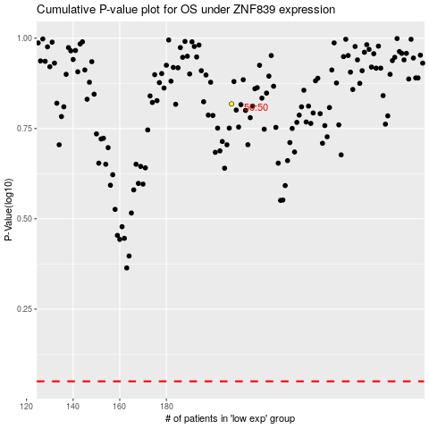

 |  |  |  |  |  | cases_OS | p_OS | rank | exp
 |  |  |  |  |  |  | cases_RFS | p_RFS | rank | exp

