ZNF85 _multivariate
Reported by Tex Li-Hsing Chi. tex@gate.sinica.edu.tw 2019-08-14

Table 2. The clinicopathological features of HNSCC cohort and ZNF85 expression. (Chi square test)
Cutoff at -0.361 (49.8%)
 |  | ZNF85 expression |  | ZNF85 expression |  | (Optimised)
 | Features | Low | (%) | High | (%) | Case no | P-value | Remark | Matthews
Gender | Female | 159 | 38.3 | 147 | 35.4 | 415 | 0.1905 | 0 | 0
2 | Male | 48 | 11.6 | 61 | 14.7
Age at diagnosis | <=65y | 138 | 33.3 | 136 | 32.8 | 415 | 0.8634 | 0 | 0
4 | >65y | 69 | 16.6 | 72 | 17.3
Clinical T Status | T1+T2 | 74 | 17.8 | 75 | 18.1 | 415 | 1 | 0 | 0
6 | T3+T4 | 133 | 32 | 133 | 32
Clinical N Status | N0 | 100 | 24.1 | 116 | 28 | 415 | 0.1548 | 0 | 0
8 | N1-3 | 107 | 25.8 | 92 | 22.2
Clinical M Status | M0 | 204 | 49.2 | 208 | 50.1 | 415 | 0.1232 | 0 | 0
10 | M1 | 3 | 0.7 | 0 | 0
Clinical Stage | Stage I+II | 44 | 10.6 | 58 | 14 | 415 | 0.1459 | 0 | 0
12 | Stage III+IV | 163 | 39.3 | 150 | 36.1
Surgical Margin status | Negative | 158 | 38.1 | 160 | 38.6 | 415 | 0.9081 | 0 | 0
14 | Positive | 49 | 11.8 | 48 | 11.6
Tobacco Exposure | Low | 78 | 18.8 | 83 | 20 | 415 | 0.6873 | 0 | 0
16 | High | 129 | 31.1 | 125 | 30.1

Table 3. Univariate/Multivariate Cox's proportional hazards regression analyses on OS time of ZNF85 gene expression in HNSCC

 |  | Univariate |  |  |  | Multivariate
 | Features | HR | CI95%(L) | CI95%(H) | P-value | HR | CI95%(L) | CI95%(H) | P-value
1 | Female | 1 |  |  |  | 1
Gender | Male | 1.157 | 0.843 | 1.587 | 0.367 | 1.211 | 0.867 | 1.693 | 0.262
11 | <=65y | 1 |  |  |  | 1
Age at diagnosis | >65y | 1.329 | 0.99 | 1.784 | 0.058 | 1.407 | 1.034 | 1.915 | 0.03
12 | T1+T2 | 1 |  |  |  | 1
Clinical T Status | T3+T4 | 1.409 | 1.028 | 1.931 | 0.033 | 2.245 | 1.185 | 4.251 | 0.013
13 | N0 | 1 |  |  |  | 1
Clinical N Status | N1-3 | 1.185 | 0.89 | 1.577 | 0.246 | 1.233 | 0.864 | 1.761 | 0.249
14 | M0 | 1 |  |  |  | 1
Clinical M Status | M1 | 4.097 | 1.009 | 16.644 | 0.049 | 9.045 | 1.969 | 41.557 | 0.005
15 | Stage I+II | 1 |  |  |  | 1
Clinical Stage | Stage III+IV | 1.245 | 0.882 | 1.759 | 0.213 | 0.486 | 0.226 | 1.047 | 0.066
16 | Negative | 1 |  |  |  | 1
Surgical Margin status | Positive | 1.591 | 1.155 | 2.191 | 0.004 | 1.686 | 1.219 | 2.332 | 0.002
17 | Low | 1 |  |  |  | 1
Tobacco Exposure | High | 1.364 | 1.008 | 1.844 | 0.044 | 1.457 | 1.057 | 2.007 | 0.022
18 | Low | 1 |  |  |  | 1
RNAseq(z-score) | High | 0.891 | 0.669 | 1.186 | 0.428 | 0.87 | 0.648 | 1.168 | 0.353

Table 4. Univariate/Multivariate Cox's proportional hazards regression analyses on RFS time of ZNF85 gene expression in HNSCC

 |  | Univariate |  |  |  | Multivariate
 | Features | HR | CI95%(L) | CI95%(H) | P-value | HR | CI95%(L) | CI95%(H) | P-value
1 | Female | 1 |  |  |  | 1
Gender | Male | 1.157 | 0.843 | 1.587 | 0.367 | 1.211 | 0.867 | 1.693 | 0.262
11 | <=65y | 1 |  |  |  | 1
Age at diagnosis | >65y | 1.329 | 0.99 | 1.784 | 0.058 | 1.407 | 1.034 | 1.915 | 0.03
12 | T1+T2 | 1 |  |  |  | 1
Clinical T Status | T3+T4 | 1.409 | 1.028 | 1.931 | 0.033 | 2.245 | 1.185 | 4.251 | 0.013
13 | N0 | 1 |  |  |  | 1
Clinical N Status | N1-3 | 1.185 | 0.89 | 1.577 | 0.246 | 1.233 | 0.864 | 1.761 | 0.249
14 | M0 | 1 |  |  |  | 1
Clinical M Status | M1 | 4.097 | 1.009 | 16.644 | 0.049 | 9.045 | 1.969 | 41.557 | 0.005
15 | Stage I+II | 1 |  |  |  | 1
Clinical Stage | Stage III+IV | 1.245 | 0.882 | 1.759 | 0.213 | 0.486 | 0.226 | 1.047 | 0.066
16 | Negative | 1 |  |  |  | 1
Surgical Margin status | Positive | 1.591 | 1.155 | 2.191 | 0.004 | 1.686 | 1.219 | 2.332 | 0.002
17 | Low | 1 |  |  |  | 1
Tobacco Exposure | High | 1.364 | 1.008 | 1.844 | 0.044 | 1.457 | 1.057 | 2.007 | 0.022
18 | Low | 1 |  |  |  | 1
RNAseq(z-score) | High | 0.891 | 0.669 | 1.186 | 0.428 | 0.87 | 0.648 | 1.168 | 0.353

Kaplan-Meier survival estimate: Cutoff at -0.361 (49.8%)



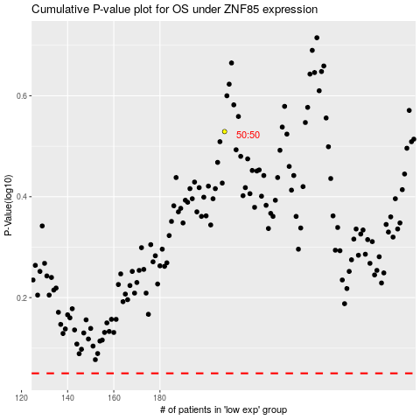

 |  |  |  |  |  | cases_OS | p_OS | rank | exp
 |  |  |  |  |  |  | cases_RFS | p_RFS | rank | exp

