ZNF853 _multivariate
Reported by Tex Li-Hsing Chi. tex@gate.sinica.edu.tw 2019-08-14

Table 2. The clinicopathological features of HNSCC cohort and ZNF853 expression. (Chi square test)
Cutoff at -0.291 (50.0%)
 |  | ZNF853 expression |  | ZNF853 expression |  | (Optimised)
 | Features | Low | (%) | High | (%) | Case no | P-value | Remark | Matthews
Gender | Female | 149 | 35.9 | 157 | 37.8 | 415 | 0.4848 | 0 | 0
2 | Male | 58 | 14 | 51 | 12.3
Age at diagnosis | <=65y | 135 | 32.5 | 139 | 33.5 | 415 | 0.8084 | 0 | 0
4 | >65y | 72 | 17.3 | 69 | 16.6
Clinical T Status | T1+T2 | 65 | 15.7 | 84 | 20.2 | 415 | 0.0711 | 0 | 0
6 | T3+T4 | 142 | 34.2 | 124 | 29.9
Clinical N Status | N0 | 100 | 24.1 | 116 | 28 | 415 | 0.1548 | 0 | 0
8 | N1-3 | 107 | 25.8 | 92 | 22.2
Clinical M Status | M0 | 204 | 49.2 | 208 | 50.1 | 415 | 0.1232 | 0 | 0
10 | M1 | 3 | 0.7 | 0 | 0
Clinical Stage | Stage I+II | 42 | 10.1 | 60 | 14.5 | 415 | 0.0561 | 0 | 0
12 | Stage III+IV | 165 | 39.8 | 148 | 35.7
Surgical Margin status | Negative | 157 | 37.8 | 161 | 38.8 | 415 | 0.729 | 0 | 0
14 | Positive | 50 | 12 | 47 | 11.3
Tobacco Exposure | Low | 89 | 21.4 | 72 | 17.3 | 415 | 0.0872 | 0 | 0
16 | High | 118 | 28.4 | 136 | 32.8

Table 3. Univariate/Multivariate Cox's proportional hazards regression analyses on OS time of ZNF853 gene expression in HNSCC

 |  | Univariate |  |  |  | Multivariate
 | Features | HR | CI95%(L) | CI95%(H) | P-value | HR | CI95%(L) | CI95%(H) | P-value
1 | Female | 1 |  |  |  | 1
Gender | Male | 1.157 | 0.843 | 1.587 | 0.367 | 1.2 | 0.859 | 1.677 | 0.286
11 | <=65y | 1 |  |  |  | 1
Age at diagnosis | >65y | 1.329 | 0.99 | 1.784 | 0.058 | 1.391 | 1.023 | 1.891 | 0.035
12 | T1+T2 | 1 |  |  |  | 1
Clinical T Status | T3+T4 | 1.409 | 1.028 | 1.931 | 0.033 | 2.197 | 1.162 | 4.154 | 0.015
13 | N0 | 1 |  |  |  | 1
Clinical N Status | N1-3 | 1.185 | 0.89 | 1.577 | 0.246 | 1.238 | 0.867 | 1.766 | 0.24
14 | M0 | 1 |  |  |  | 1
Clinical M Status | M1 | 4.097 | 1.009 | 16.644 | 0.049 | 9.06 | 1.965 | 41.779 | 0.005
15 | Stage I+II | 1 |  |  |  | 1
Clinical Stage | Stage III+IV | 1.245 | 0.882 | 1.759 | 0.213 | 0.501 | 0.233 | 1.076 | 0.076
16 | Negative | 1 |  |  |  | 1
Surgical Margin status | Positive | 1.591 | 1.155 | 2.191 | 0.004 | 1.675 | 1.212 | 2.316 | 0.002
17 | Low | 1 |  |  |  | 1
Tobacco Exposure | High | 1.364 | 1.008 | 1.844 | 0.044 | 1.467 | 1.062 | 2.025 | 0.02
18 | Low | 1 |  |  |  | 1
RNAseq(z-score) | High | 0.913 | 0.686 | 1.216 | 0.534 | 0.923 | 0.689 | 1.235 | 0.589

Table 4. Univariate/Multivariate Cox's proportional hazards regression analyses on RFS time of ZNF853 gene expression in HNSCC

 |  | Univariate |  |  |  | Multivariate
 | Features | HR | CI95%(L) | CI95%(H) | P-value | HR | CI95%(L) | CI95%(H) | P-value
1 | Female | 1 |  |  |  | 1
Gender | Male | 1.157 | 0.843 | 1.587 | 0.367 | 1.2 | 0.859 | 1.677 | 0.286
11 | <=65y | 1 |  |  |  | 1
Age at diagnosis | >65y | 1.329 | 0.99 | 1.784 | 0.058 | 1.391 | 1.023 | 1.891 | 0.035
12 | T1+T2 | 1 |  |  |  | 1
Clinical T Status | T3+T4 | 1.409 | 1.028 | 1.931 | 0.033 | 2.197 | 1.162 | 4.154 | 0.015
13 | N0 | 1 |  |  |  | 1
Clinical N Status | N1-3 | 1.185 | 0.89 | 1.577 | 0.246 | 1.238 | 0.867 | 1.766 | 0.24
14 | M0 | 1 |  |  |  | 1
Clinical M Status | M1 | 4.097 | 1.009 | 16.644 | 0.049 | 9.06 | 1.965 | 41.779 | 0.005
15 | Stage I+II | 1 |  |  |  | 1
Clinical Stage | Stage III+IV | 1.245 | 0.882 | 1.759 | 0.213 | 0.501 | 0.233 | 1.076 | 0.076
16 | Negative | 1 |  |  |  | 1
Surgical Margin status | Positive | 1.591 | 1.155 | 2.191 | 0.004 | 1.675 | 1.212 | 2.316 | 0.002
17 | Low | 1 |  |  |  | 1
Tobacco Exposure | High | 1.364 | 1.008 | 1.844 | 0.044 | 1.467 | 1.062 | 2.025 | 0.02
18 | Low | 1 |  |  |  | 1
RNAseq(z-score) | High | 0.913 | 0.686 | 1.216 | 0.534 | 0.923 | 0.689 | 1.235 | 0.589

Kaplan-Meier survival estimate: Cutoff at -0.291 (50.0%)



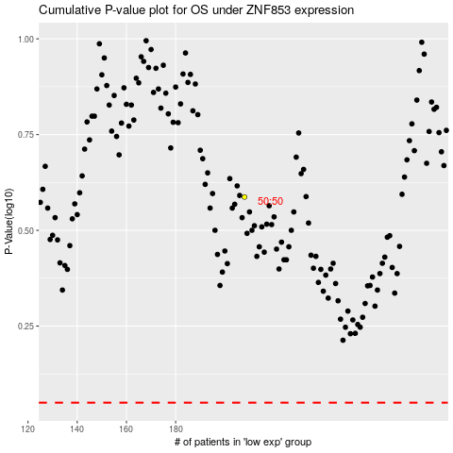

 |  |  |  |  |  | cases_OS | p_OS | rank | exp
 |  |  |  |  |  |  | cases_RFS | p_RFS | rank | exp

