ZNF883 _multivariate
Reported by Tex Li-Hsing Chi. tex@gate.sinica.edu.tw 2019-08-14

Table 2. The clinicopathological features of HNSCC cohort and ZNF883 expression. (Chi square test)
Cutoff at -0.432 (49.8%)
 |  | ZNF883 expression |  | ZNF883 expression |  | (Optimised)
 | Features | Low | (%) | High | (%) | Case no | P-value | Remark | Matthews
Gender | Female | 150 | 36.1 | 156 | 37.6 | 415 | 0.6344 | 0 | 0
2 | Male | 57 | 13.7 | 52 | 12.5
Age at diagnosis | <=65y | 129 | 31.1 | 145 | 34.9 | 415 | 0.1372 | 0 | 0
4 | >65y | 78 | 18.8 | 63 | 15.2
Clinical T Status | T1+T2 | 85 | 20.5 | 64 | 15.4 | 415 | 0.0372 | 1 | 0
6 | T3+T4 | 122 | 29.4 | 144 | 34.7
Clinical N Status | N0 | 108 | 26 | 108 | 26 | 415 | 1 | 0 | 0
8 | N1-3 | 99 | 23.9 | 100 | 24.1
Clinical M Status | M0 | 204 | 49.2 | 208 | 50.1 | 415 | 0.1232 | 0 | 0
10 | M1 | 3 | 0.7 | 0 | 0
Clinical Stage | Stage I+II | 55 | 13.3 | 47 | 11.3 | 415 | 0.4087 | 0 | 0
12 | Stage III+IV | 152 | 36.6 | 161 | 38.8
Surgical Margin status | Negative | 155 | 37.3 | 163 | 39.3 | 415 | 0.4187 | 0 | 0
14 | Positive | 52 | 12.5 | 45 | 10.8
Tobacco Exposure | Low | 88 | 21.2 | 73 | 17.6 | 415 | 0.1314 | 0 | 0
16 | High | 119 | 28.7 | 135 | 32.5

Table 3. Univariate/Multivariate Cox's proportional hazards regression analyses on OS time of ZNF883 gene expression in HNSCC

 |  | Univariate |  |  |  | Multivariate
 | Features | HR | CI95%(L) | CI95%(H) | P-value | HR | CI95%(L) | CI95%(H) | P-value
1 | Female | 1 |  |  |  | 1
Gender | Male | 1.157 | 0.843 | 1.587 | 0.367 | 1.2 | 0.858 | 1.676 | 0.287
11 | <=65y | 1 |  |  |  | 1
Age at diagnosis | >65y | 1.329 | 0.99 | 1.784 | 0.058 | 1.384 | 1.017 | 1.883 | 0.039
12 | T1+T2 | 1 |  |  |  | 1
Clinical T Status | T3+T4 | 1.409 | 1.028 | 1.931 | 0.033 | 2.241 | 1.181 | 4.252 | 0.014
13 | N0 | 1 |  |  |  | 1
Clinical N Status | N1-3 | 1.185 | 0.89 | 1.577 | 0.246 | 1.24 | 0.869 | 1.769 | 0.235
14 | M0 | 1 |  |  |  | 1
Clinical M Status | M1 | 4.097 | 1.009 | 16.644 | 0.049 | 9.166 | 1.993 | 42.152 | 0.004
15 | Stage I+II | 1 |  |  |  | 1
Clinical Stage | Stage III+IV | 1.245 | 0.882 | 1.759 | 0.213 | 0.5 | 0.233 | 1.075 | 0.076
16 | Negative | 1 |  |  |  | 1
Surgical Margin status | Positive | 1.591 | 1.155 | 2.191 | 0.004 | 1.673 | 1.21 | 2.312 | 0.002
17 | Low | 1 |  |  |  | 1
Tobacco Exposure | High | 1.364 | 1.008 | 1.844 | 0.044 | 1.458 | 1.058 | 2.011 | 0.021
18 | Low | 1 |  |  |  | 1
RNAseq(z-score) | High | 0.937 | 0.704 | 1.248 | 0.657 | 0.926 | 0.692 | 1.24 | 0.607

Table 4. Univariate/Multivariate Cox's proportional hazards regression analyses on RFS time of ZNF883 gene expression in HNSCC

 |  | Univariate |  |  |  | Multivariate
 | Features | HR | CI95%(L) | CI95%(H) | P-value | HR | CI95%(L) | CI95%(H) | P-value
1 | Female | 1 |  |  |  | 1
Gender | Male | 1.157 | 0.843 | 1.587 | 0.367 | 1.2 | 0.858 | 1.676 | 0.287
11 | <=65y | 1 |  |  |  | 1
Age at diagnosis | >65y | 1.329 | 0.99 | 1.784 | 0.058 | 1.384 | 1.017 | 1.883 | 0.039
12 | T1+T2 | 1 |  |  |  | 1
Clinical T Status | T3+T4 | 1.409 | 1.028 | 1.931 | 0.033 | 2.241 | 1.181 | 4.252 | 0.014
13 | N0 | 1 |  |  |  | 1
Clinical N Status | N1-3 | 1.185 | 0.89 | 1.577 | 0.246 | 1.24 | 0.869 | 1.769 | 0.235
14 | M0 | 1 |  |  |  | 1
Clinical M Status | M1 | 4.097 | 1.009 | 16.644 | 0.049 | 9.166 | 1.993 | 42.152 | 0.004
15 | Stage I+II | 1 |  |  |  | 1
Clinical Stage | Stage III+IV | 1.245 | 0.882 | 1.759 | 0.213 | 0.5 | 0.233 | 1.075 | 0.076
16 | Negative | 1 |  |  |  | 1
Surgical Margin status | Positive | 1.591 | 1.155 | 2.191 | 0.004 | 1.673 | 1.21 | 2.312 | 0.002
17 | Low | 1 |  |  |  | 1
Tobacco Exposure | High | 1.364 | 1.008 | 1.844 | 0.044 | 1.458 | 1.058 | 2.011 | 0.021
18 | Low | 1 |  |  |  | 1
RNAseq(z-score) | High | 0.937 | 0.704 | 1.248 | 0.657 | 0.926 | 0.692 | 1.24 | 0.607

Kaplan-Meier survival estimate: Cutoff at -0.432 (49.8%)

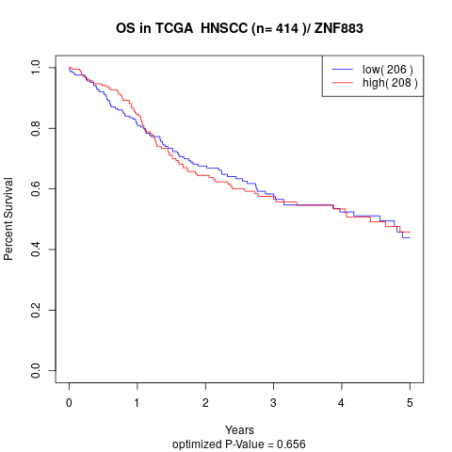

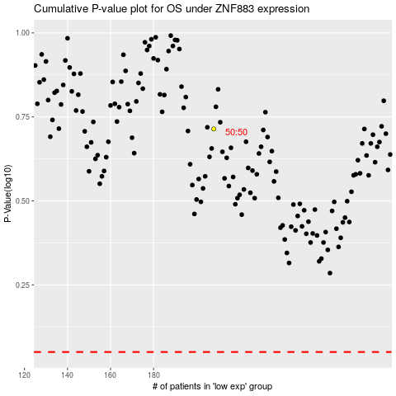

 |  |  |  |  |  | cases_OS | p_OS | rank | exp
 |  |  |  |  |  |  | cases_RFS | p_RFS | rank | exp

